25-50A-STD
BIKE CODE FOR ORDERS |  | 25-50A-STD | BIKE DESCRIPTION NAME | YCF 50A 2025 | CONTROL STATUS
EFFECTED DATE(D/M/Y) |  | 23/12/2024 | VERSION | 2025A1
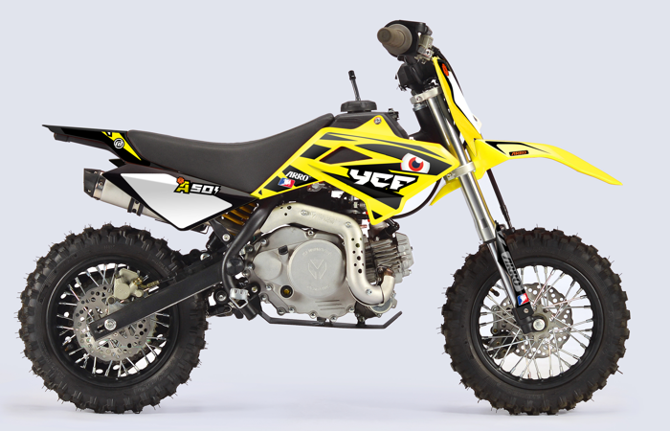
Handle bar assembly
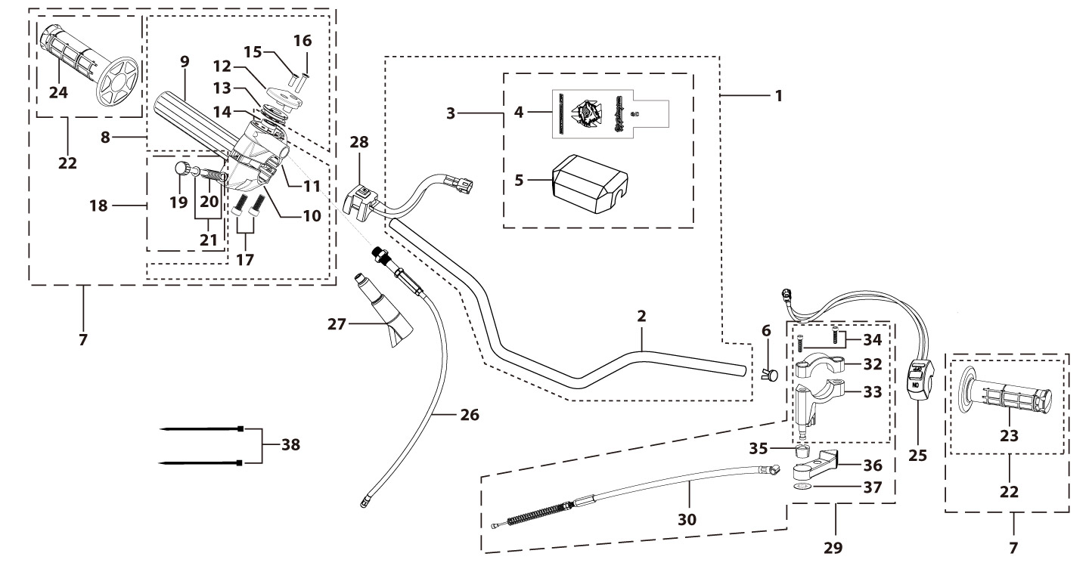
N° | Ref. | Description | Français | Picture | Qty/Bike | MY
2 | YC50-0101-01-BK | Handle Bar chromoly L=570mm d=22.2mm YCF50, no cross bar, embossed, Black | Guidon chromoly L=570mm d=22.2mm YCF50,Sans Barre,Stries,Noir |  | 1
3 | YC50-0131-01 | Complete Bar Pad for Handlebar without Bar L=126mm YCF50 Black-WHITE | Mousse guidon complete pour guidon Aluminium sans Barre YCF50 L=126mm Noir-BLANC |  | 1
6 | YC110-0153-01 | Handle bar plastic cap,Nylon,Black | Embout plastique de guidon,nylon,Noir |  | 1
7 | YC110-0138-04 | Complete Throttle Assy. (With adjusting bolts)+set of grip ( YCF LOGO) Grey 2020 | Poignee gaz reglable complete YCF 2020 avec Paire de poignée caoutchouc YCF GRIS 2020 + vis reglage |  | 1
15 | GB819-M4x14 | Countersunk cross head machine screw,stainless steel, M4x14mm | Vis à tête fraisée plate cruciforme,inox, M4x14mm |  | 1
16 | GB819-M4x20 | Countersunk cross head machine screw,stainless steel, M4x20mm | Vis à tête fraisée plate cruciforme,inox, M4x20mm |  | 1
17 | GB70-M6x25 | HEXAGON SOCKET Head Bolt, stainless steel, M6x25mm | Vis Allen (BTR)inox, M6x25mm |  | 2
18 | YC110-01022-06 | Complete SCREW FOR THROTTLE ADJUSTMENT,(with GB97-d5xd9x1-W2A + YC110-01021-06 1EA+YC110-01021-07 1EA) | VIS M5X50 POUR RÉGLAGE DE LA POIGNÉE DE GAZ complete (avec GB97-d5xd9x1-W2A + YC110-01021-06 1EA+YC110-01021-07 1EA) |  | 1
22 | PPC011-GY | set of grip 2020 (YCF LOGO) Grey | Paire de poignée caoutchouc 2020 (YCF LOGO) GRISE |  | 1
25 | YC110-0105-15 | Kill Switch ON/OFF L=580mm Waterproof | Coupe circuit on off L=580mm ETANCHE |  | 1
26 | YC50-0106-14 | Throttle Cable L=580mm A+B=130mm | Cable gaz L=580mm A+B=130mm |  | 1
27 | YC110-0143-01 | Rubber on trottle cable | Protection caoutchouc cable de gas |  | 1
28 | YC110-0139-03 | Electrical start switch Waterproof L=500mm | Bouton demareur ETANCHE L=500mm |  | 1
29 | YC50-0142-01 | Air door assembly L=440mm A+B=50mm YCF50A | Starter au Guidon Complet L=440mm A+B=50mm YCF50A |  | 1
30 | YC50-0148-01 | Air door wire L=440mm A+B=50mm,Adjusting screw M6mmx35mm | Cable pour Starter au Guidon L=440mm A+B=50mm |  | 1
31 | YC50-0150-01 | Starter bracket assembly YCF50A Black | Starter au Guidon (Partie plastique) YCF50A Noir |  | 1
34 | GB70-M5x16 | HEXAGON SOCKET Head Bolt, stainless steel, M5x16mm | Vis Allen (BTR)inox, M5x16mm |  | 2
38 | YC110-01-03-BK | Cable tie,nylon, L=150mm Black | collier maintien cable, nylon, L=150mm Noir |  | 2
Steering stem assembly
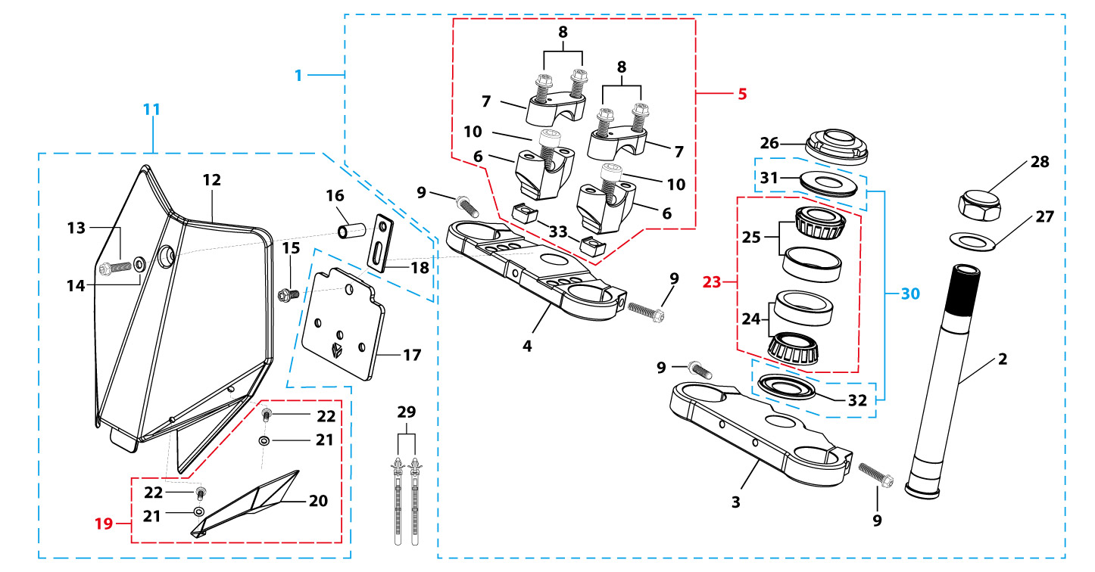
N° | Ref. | Description | Français | Picture | Qty/Bike | MY
1 | YC50-0227-04-GY | Complete Triple Clamp L=135mm Steering stem L=195mm YCF50 2024 GREY Four-hole | Te Fourche Complet L=135mm tige colonne direction L=195mm YCF50 2024 GRIS 4 trous |  | 1
2 | YC50-0200-02 | Steering stem L=195mm | tige colonne direction L=195mm |  | 1
3 | YC50-0202-06-GY | Lower triple clamp L=135mm d35mm H=18mm YCF50 2020 MATT GREY | té fourche inferieur L=135mm d35mm H=18mm YCF50 2020 GRIS |  | 1
4 | YC50-0201-0601-GY | Top Triple Clamp YCF50 L=135mm d35mm H=15mm 2024 Four-hole GREY | té fourche supérieur YCF50 L=135mm d35mm H=15mm 2024 4 trous GRIS |  | 1
5 | YC50-0228-0101 | Set of Bar mount not adjustable d22.2mm/H=top 18mm+bottom 36mm YCF50 2020 (with BT08-M8x25-W 4EAGB70-M10x35x1.5-W 2EA YC110-0222-03 2EA) Black | Jeu pontet guidon non ajustable d22.2mm/H=supérieur 18mm+inferieur 36mm YCF50 2020 (avec BT08-M8x25-W 4EA GB70-M10x35x1.5-W 2EA YC110-0222-03 2EA) Noir |  | 1
6 | YC50-0203-03 | Lower Bar Mount CNC H=36mm d=22.2mm YCF50 2020 Black | Pontet guidon inférieur H=36mm d=22.2mm YCF50 2020 Noir |  | 2
7 | YC110-0201-02 | Top Bar Mout CNC d=22.2 mm H=18mm START 2020 Black | pontet guidon supérieur d=22.2mm H=18mm START 2020 Noir |  | 2
8 | YC110-0222-03 | Lower Bar Mount Heightening block CNC 22mmx22mmx12mm adjustable Black | Cale 22mmx22mmx12mm |  | 2
9 | BT08-M6x25-W | HEXAGON Torx screw with Flange M6x25mm | Vis HEXAGONALE Torx avec Flange M6x25mm |  | 4
10 | BT08-M8x30-W | HEXAGON Torx screw with Flange M8x30mm | Vis HEXAGONALE Torx avec Flange M8x30mm |  | 4
11 | GB70-M10x35x1.5-W | HEXAGON SOCKET Head Bolt,steel, M10x35mmx1.5mm | Vis Allen (BTR),acier, M10x35mmx1.5mm |  | 2
12 | YC50-0212-03-YE | YCF50 Front Number Plate 2025 Yellow | Plaque avant YCF50 2025 Jaune |  | 1
14 | BT08-M6x30-W | HEXAGON Torx screw with Flange M6x30mm | Vis HEXAGONALE Torx avec Flange M6x30mm |  | 1
15 | GB97-d6-W | Flat washer,steel d6mm | Rondelle plate,acier d6mm |  | 1
16 | GBT5787-M6x16-3-W | HEXAGON screw with Flange with half thread M6x16mmx3mm | Vis HEXAGONALE avec Flange et deport M6x16mmx3mm |  | 1
17 | FB13-7x10x22 | Front Number plate spacer (Top) d7mmxd10mmx22mm | entretoise Plaque numero avant (Haut) d7mmxd10mmx22mm |  | 1
18 | YC110-0213-12 | Front plastic plate to hold cables 75mmx80mm | Plaque avant plastique maintien cables 75mmx80mm |  | 1
19 | YC110-0213-0401 | Number plate bracket long TOP 2020 | Support plaque avant 2020 |  | 1
20 | YC110-0214-01-WH | Complete Break Line Retainer (with GB818-M4x10-W 2EA+GB97-d4-W 2EA) White | guide durite avec vis sur plaque avant complet (avec GB818-M4x10-W 2EA+GB97-d4-W 2EA) Blanc |  | 1
22 | GB97-d4-W | Flat washer,steel d4mm | Rondelle plate,acier d4mm |  | 2
23 | GB818-M4x10-W | Pan / Round head cross machine screw M4x10mm | Vis à tête ronde cruciforme M4x10mm |  | 2
24 | KRDIRECTION46 | set of bearing for steering 46/23.5、46/22 | Kit rlt colonne direction 46/23.5、46/22 |  | 1
27 | YC110-02-09 | Top nut for steering,steel, d=54.5mm | écrou crantellé colonne direction steel d=54.5mm |  | 1
28 | YC110-02-10 | Washer for steering stem nut, stainless steel, d22mmxd37mmx0.7mm | joint colonne direction,inox, d22mmxd37mmx0.7mm |  | 2
29 | YC110-02-11 | Nut for steering stem,steel, M22x1.0mm | écrou supérieur colnne direction ,acier, M22x1.0mm |  | 1
30 | YC110-01-08-BK | Cable tie, PA66 L=80mm ADJUSTABLE Black | Collier maintien cable,PA66 L=80mm ADJUSTABLE Noir |  | 2
31 | YC110-02-20 | Washer for steering stem nut d22mm (top)/d24mm (bottom)-d47mm | Joint pour colonne direction d22mm (haut)/d24mm (bas) -d47mm |  | 1
Front Fender
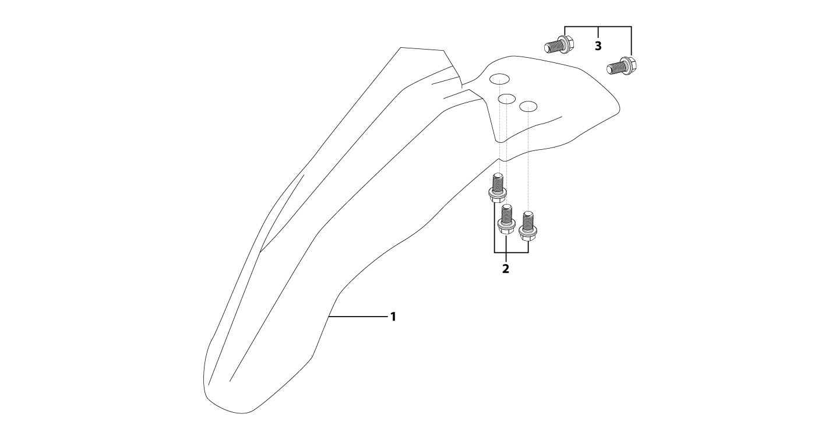
N° | Ref. | Description | Français | Picture | Qty/Bike | MY
1 | YC50-031-01-YE | Front Fender YCF50 2020 Yellow | Gb avant YCF50 2020 JAUNE |  | 1 | A1
2 | GBT5787-M6x16-6-W | Hex. Bolt with flanged M6x16mm (step 6mm) steel | Vis avec epaulement M6x16mm (deport 6mm) acier |  | 3 | A2
3 | GBT5787-M6x16-3-W | HEXAGON screw with Flange with half thread M6x16mmx3mm | Vis HEXAGONALE avec Flange et deport M6x16mmx3mm |  | 2 | A3
Front & Rear absorber
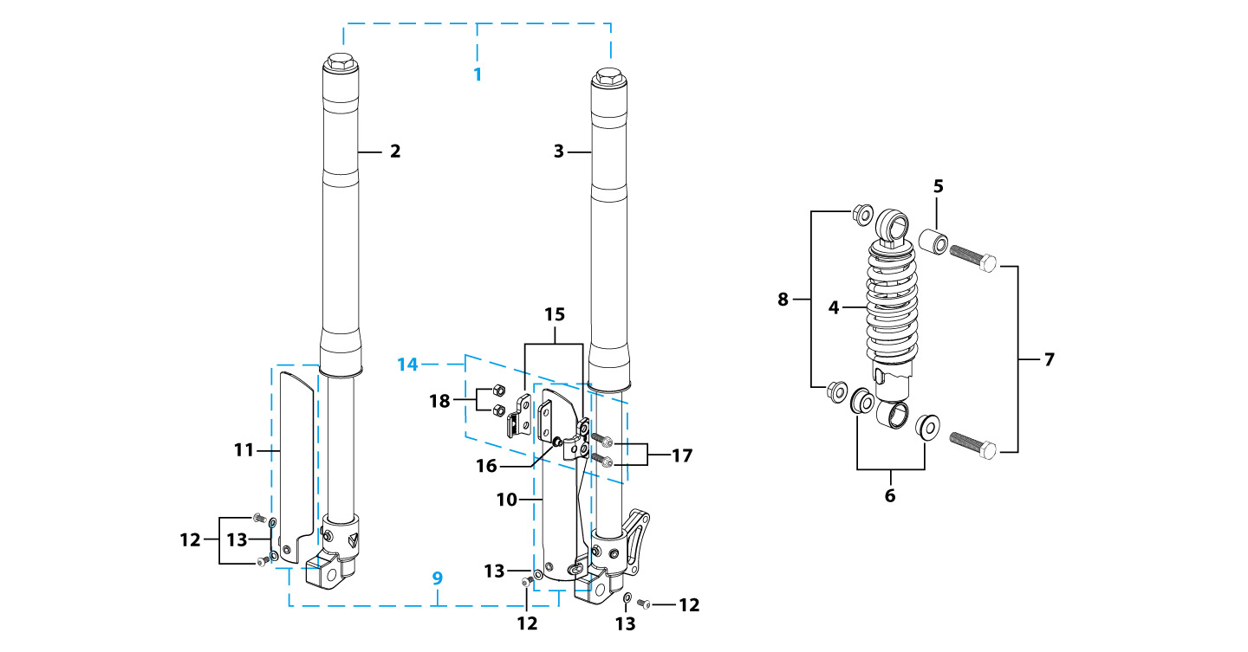
N° | Ref. | Description | Français | Picture | Qty/Bike | MY
1 | YC50-0400-03 | Pair of fork L=530mm (not adjustable) MAGNESIUM | Jeu de fourche (non ajustable) L=530mm MAGNESIUM |  | 1
2 | YC50-0401-04 | Front right fork L=530mm YCF50 2013 TITAN cylinder, Chrome tube, black base | tube fourche droit (non ajustable)L=530mm MAGNESIUM |  | 1
3 | YC50-0402-04 | Front left fork L=530mm YCF50 2013 TITAN cylinder, Chrome tube, black base | tube fourche gauche (non ajustable) L=530mm MAGNESIUM 2013 |  | 1
4 | YC50-0404-03 | Shock absorber L=200mm YCF50 ZC YELLOW | Amortisseur L=200mm YCF50 ZC JAUNE |  | 1
5 | YC50-0410-02 | shock top spacer d10mmxd20mmx22mm YCF50 ZC | Entretoise haut amortisseur d10mmxd20mmx22mm YCF50 ZC |  | 1
6 | YC50-0411-03 | Shock bottom spacer d10mmxd20mmxd26x11mm YCF50 ZC | Entretoise bas amortisseur d10mmxd20mmxd26mmx11mm YCF50 ZC |  | 2
7 | GB5789-M10x45-W-1.25 | HEXAGON screw with Flange M10x1.25x45mm | Vis HEXAGONALE avec Flange M10x1.25x45mm |  | 2
8 | GB6183-M10x1.25-Cr | Flanged nylon lock nut M10x1.25 Blue nylon chrome plated | Nylon de verrouillage en flange M10x1.25 Nylon Bleu Nylon |  | 2
9 | YC50-0418-02-BK | 530mm set of fork protection PP 200mm 2021 Black | 530mm Jeu protection fourche PP 200mm 2021 Noir |  | 1
12 | GB70.2-M5x10 | Pan head hexagon screw inox M5x10mm | Vis à tête ronde Allen (BTR) inox M5x10mm |  | 4
13 | GB97-d5-W | Flat washer,steel d5mm | Rondelle plate,acier d5mm |  | 4
14 | YC110-0403-05 | Complete Oil steel line retainer on left front fork PP START Black | Complet Passe durite sur protection fourche gauche PP START Noir |  | 1
17 | BT08-M6x20-W | HEXAGON Torx screw with Flange M6x20mm | Vis HEXAGONALE Torx avec Flange M6x20mm |  | 2
18 | GB6170-M6-W | HEXAGON Nut M6mm steel | Ecrou HEXAGONAL M6mm acier |  | 2
Front Brake Assy
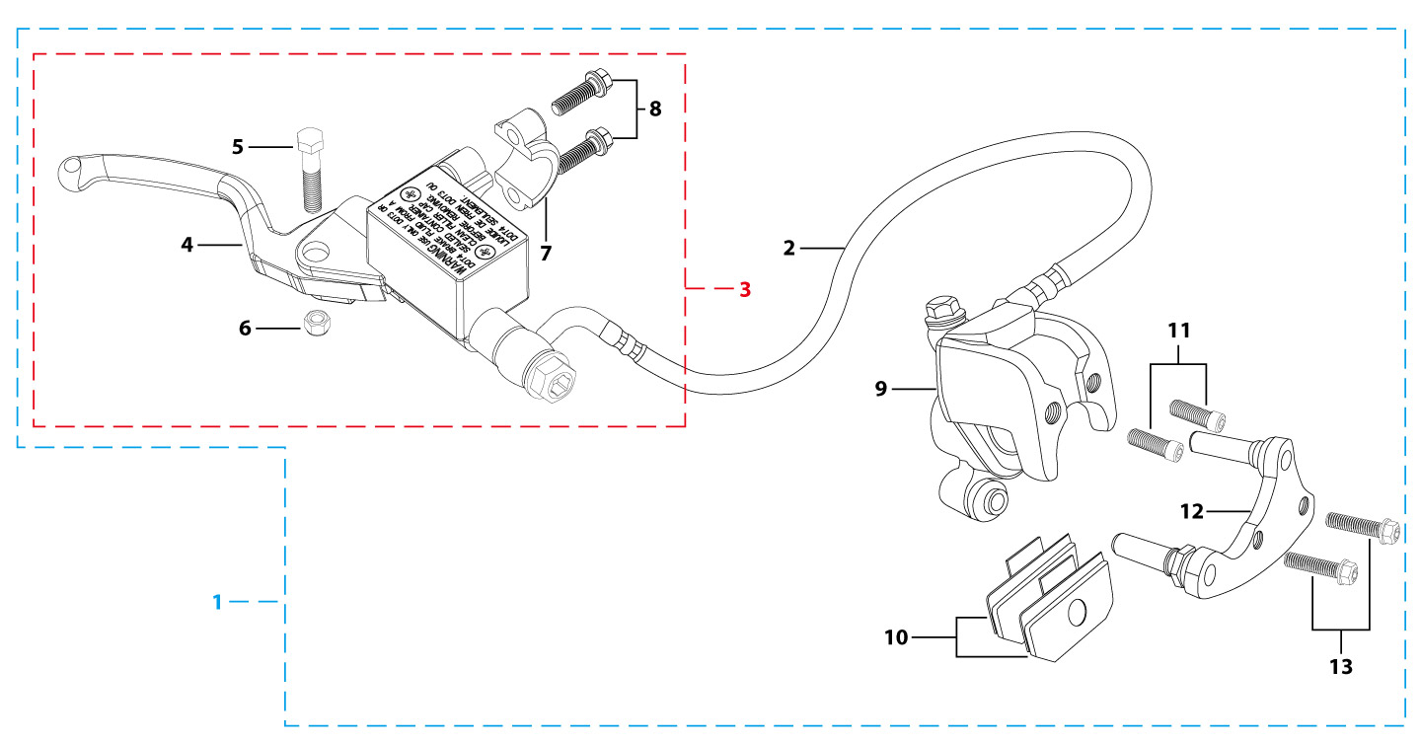
N° | Ref. | Description | Français | Picture | Qty/Bike | MY
1 | YC50-0511-03 | Front brake assy L=830mm YCF50A / 50E without asbestos d8mm/d8mm （right side）2020 | Kit frein avant L=830mm YCF50A / 50E sans amiante d8mm/d8mm (côté droit) 2020 |  | 1
2 | YC50-0504-06 | Front brake oil steel line L=830mm d8mm/d8mm 50A 2020 | Durite frein avant L=830mm d8mm/d8mm 50A 2020 |  | 1
3 | YC50-0501-0101 | Front brake reservoir YCF50A / 50E (right side) 2020 | Maitre cylindre frein avant YCF50A / 50E guidon (côté droit) 2020 |  | 1
4 | YC50-0503-05 | Front Brake lever (right side) 50A 2020 | Levier frein avant pour(côté droit) 50A 2020 |  | 1
5 | GB8752-M6x28-G | Hex head screw steel M6x28mm with step d8mmx14mm | Vis acier M6x28mm avec deport d8mmx14mm |  | 1
6 | GB6184-M6-G | HEXAGON FLAT NYLON LOCK NUT M6-G | Ecrou HEXAGONAL autobloquant nylon M6-G |  | 1
8 | GB70-M5x16 | HEXAGON SOCKET Head Bolt, stainless steel, M5x16mm | Vis Allen (BTR)inox, M5x16mm |  | 2
9 | YC50-0502-0101 | Front Brake caliper YCF50A/50E single pump d8mm | Etrier frein avant YCF50A/50E simple pistons d8mm |  | 1
10 | YC50-0506-02 | Front / Rear Brake pads 50A/50E 2020 | Jeu plaquette avant / arriere 50A/50E 2020 |  | 2
11 | YC50-0555-01 | Screw for front brake pads L=28mm | Vis plaquette frein avant L=28mm |  | 2
12 | YC50-0510-01 | Bracket for front brake single pumps 50A/50E 2020 | Patte frein avant etrier simple pistons 50A/50E 2020 |  | 1
13 | BT08-M6x30-W | HEXAGON Torx screw with Flange M6x30mm | Vis HEXAGONALE Torx avec Flange M6x30mm |  | 2
Front Wheel Assy
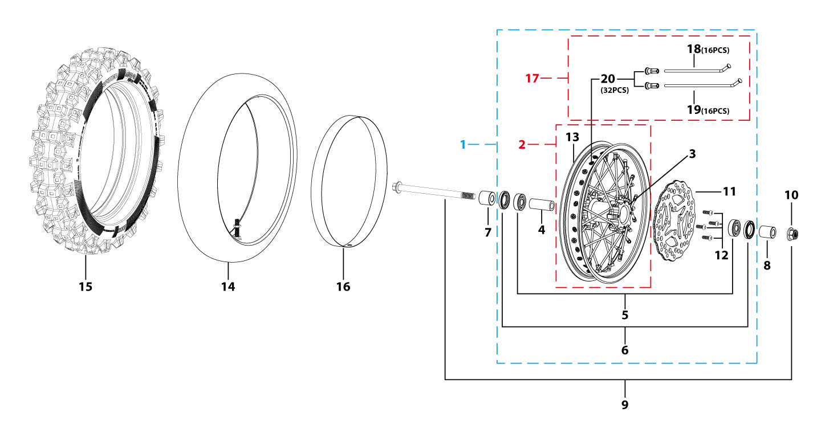
N° | Ref. | Description | Français | Picture | Qty/Bike | MY
1 | YC50-0601-0401 | Complete STEEL Front wheel 1.40x10'(die cast hub, d160mm brake disk) YCF50 2020 | Roue avant complète ACIER 1.40x10' (moyeux injécté cerceau avec d160mm disque) YCF50 2020 |  | 1
3 | YC50-0622-03 | YCF50 Front hub injected with washer 2020 | Moyeux avant injectée avec joint spy YCF50 2020 |  | 1
4 | YC50-0607-01 | Front axle bushing 50A d12mmxd19mmx46mm | Entretoise central roue avant 50A d12mmxd19mmx46mm |  | 1
5 | 6201RS | Ball bearing 6201RS d12mmxd32mmx10mm | Roulement roue 6201RS d12mmxd32mmx10mm |  | 2
6 | YC50-0610 | OIL SEAL d22mmxd32mmx5mm | joint spy roue d22mmxd32mmx5mm |  | 2
7 | YC50-06-052 | Front wheel spacer Right d12mmxd22mmx23mm | entretoise roue avant droite d12mmxd22mmx23mm |  | 1
8 | YC50-06-051 | Front wheel spacer left d12mmxd22mmx26mm | entretoise roue avant gauche d12mmxd22mmx26mm |  | 1
9 | YC50-06-01 | Front Axle L=170mm d12mm with Self-locking nut M12 | Axe de roue avant L=170mm d12mm avec ecrou M12 |  | 1
10 | GB6187-M12-W | HEXAGON FLAT FLANGE LOCK NUT M12mm steel | Ecrou HEXAGONAL avec Flange autobloquant M12mm acier |  | 1
11 | YC50-0513-01 | Brake disk front/rear d160 mm | Disque frein avant/arriere d160mm |  | 1
12 | GB70.2-M6x16 | Pan head hexagon screw M6x16mm inox | Vis à tête ronde Allen (BTR) M6x16mm inox |  | 4
13 | YC50-0617-01 | STEEL Rim for Front wheel 1.4x10' Black | cerceau roue av 1,4x10' ACIER Noir |  | 1
14 | CHAMBRE10-2.5N | Tube for front/rear tire 2.50x10' (Air cock 90º) | chambre air avant/arriere 2.50x10' 90º |  | 1
15 | 250/10 | Tire front/rear 2.50x10' JUNXI | pneu avant/arriere 2.50x10' JUNXI |  | 1
16 | YC110-11-02 | Tire lining 10‘x18 | fond jante 10’x18 |  | 1
17 | JR10-10.6 | set of spoke 50CC 1.4x10' (104mmx16+106mmx16)（3.2mm） | JEUX RAYON AV 10' 50CC 1.4x10' (104mmx16+106mmx16)（3.2mm） |  | 1
Fuel Tank
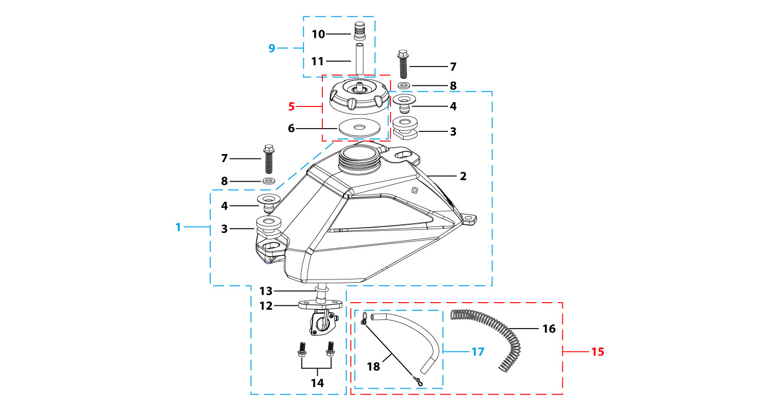
N° | Ref. | Description | Français | Picture | Qty/Bike | Rep. Pst.
1 | YC50-07012-01 | Complete fuel tank YCF50A 2025 WITH HOLES(with YC110-07-01 2EA+YC110-07-02 2EA) | Reservoir complet YCF50A 2025 AVEC TROU(avec YC110-07-01 2EA+YC110-07-02 2EA) |  | 1
5 | YC110-0702-01 | Tank cap plastic Ventilator d3mm | Bouchon reservoir plastique YCF d3mm |  | 1
7 | BT08-M8x30-W | HEXAGON Torx screw with Flange M8x30mm | Vis HEXAGONALE Torx avec Flange M8x30mm |  | 2
8 | GB97-d8-2W | Flat washer,steel d8mm 2W | Rondelle plate,acier d8mm 2W |  | 2
9 | YC125-0704-BK | Fuel tank valve complete L=40mm Black | Valve prise air complete L=40mm Noir |  | 1
12 | YC110-0703 | Fuel cock assy. | robinet essence |  | 1
14 | GB5787-M6x16-W | HEXAGON screw with Flange M6x16mm steel | Vis HEXAGONALE avec Flange M6x16mm acier |  | 2
15 | YC110-0706 | fuel tank rubber line spring d4.5mmxd8.5mmx210mm | durite reservoir avec ressort d4.5mmxd8.5mmx210mm |  | 1
Air Filter/CARBU
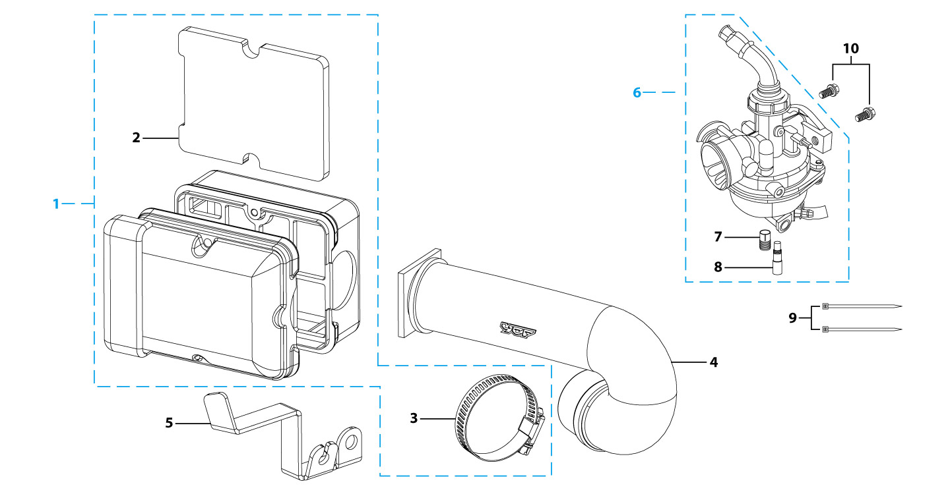
N° | Ref. | Description | Français | Picture | Qty/Bike | MY
1 | YC50-0801 | Air box air filter assy d28 | filtre air complet boite a air d28 |  | 1
2 | YC50-0802 | Air filter Foam 50A | Mousse filtre a air 50A |  | 1
3 | YC50-0803-01 | Holding ring d25mm-d40mm | collier FILTRE d25mm-d40mm |  | 1
4 | YC50-0805-01 | 50A rubber connexion for air box, 2022 | Manchon boite air 50A, 2022 |  | 1
5 | YC110-0835-02 | YCF50 Air box fixed bracket | Plaque acier maintien boite air YCF50 |  | 1
6 | YC50-20-31 | Carburetor 5012 with main jet 50 | Carburateur 5012 GICLEUR 50 |  | 1
7 | GICLEUR50-02 | main jet for 50A | GICLEUR for 50A |  | 1
8 | GICLEUR33 | Slow Jet 33 FLK Nibbi | GICLEUR 33 |  | 1
9 | YC110-01-03-WH | Cable tie,nylon, L=150mm WHITE | collier maintien cable, nylon, L=150mm BLANC |  | 2
10 | BT08-M6x25-W | HEXAGON Torx screw with Flange M6x25mm | Vis HEXAGONALE Torx avec Flange M6x25mm |  | 2
Foot Peg assy
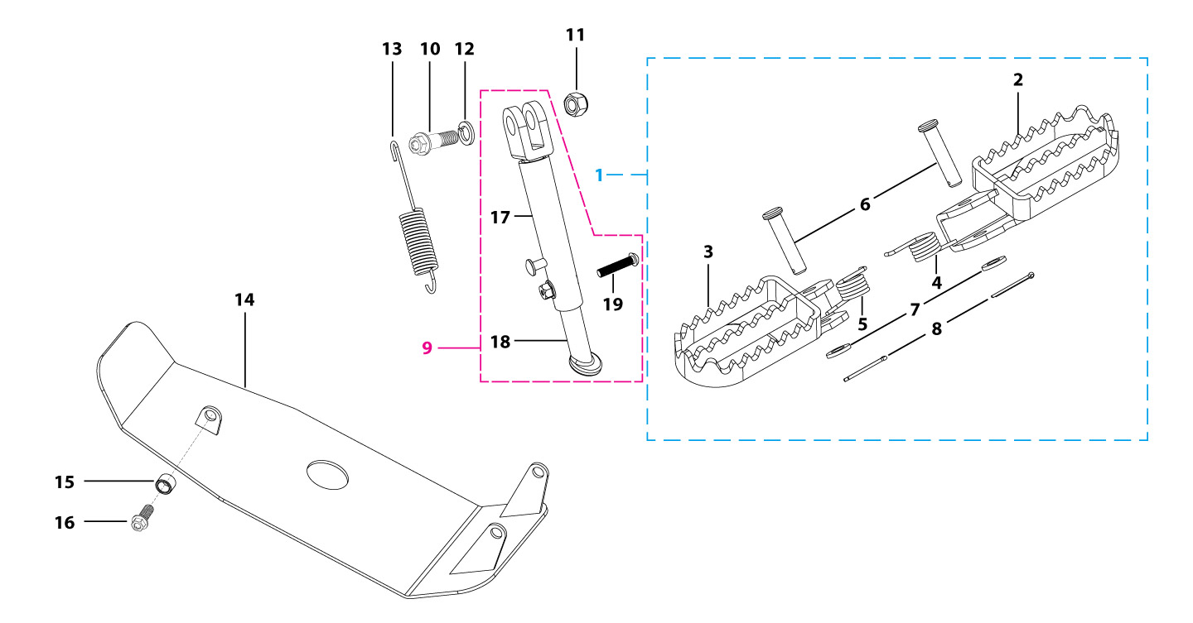
N° | Ref. | Description | Français | Picture | Qty/Bike | Rep. Pst.
1 | YC50-0902-04 | Steel set of foot pegs 50cc Grey 2020 | jeu repose pied acier 50cc Grise 2020 |  | 1
4 | YC110-09-01 | Spring for right steel foot peg d2mmxd17mmx12mm | ressort repose pied droit acier d2mmxd17mmx12mm |  | 1
5 | YC110-09-02 | Spring for left steel foot peg d2mmxd17mmx12mm | ressort repose pied gauche acier d2mmxd17mmx12mm |  | 1
6 | GB882-d8x40-W | shaft pin for steel footpegs d8mmx40mm | axe repose pied acier d8mmx40mm |  | 2
7 | GB97-d8-W | Flat washer,steel d8mm | Rondelle plate,acier d8mm |  | 2
8 | GB91-d2x25-W | Split pin d2.0mmx25mm | Goupille d2.0mmx25mm |  | 2
9 | YC50-210-01 | Adjustable stand L=180mm-L=240mm adjustable | Bequille reglable L=180mm-L=240mm réglable |  | 1
19 | GB70.2-M6x30 | Pan head hexagon screw inox M6x30mm | Vis à tête ronde Allen (BTR) inox M6x30mm |  | 1
10 | FB02-M10x1.5x30I | Stepped screw M10x35mm for kick stand (step 1.5) | vis bequille M10x35mm (pas1.5) |  | 1
11 | GB6172-M10-G | HEXAGON Nut M10 for #17 sleeve | Ecrou HEXAGONAL M10 for #17 sleeve |  | 1
12 | GB93-d10-W | Spring Lock Washers d10mm | Rondelle a ressort d10mm |  | 1
13 | YC110-19-01 | spring for kick stand d2.5mmxd15mmx105mm | ressort bequille d2.5mmxd15mmx105mm |  | 1
14 | YC50-204-01 | YCF50 Engine skid plate steel T=2mm MATTE Black | sabot acier YCF50 T=2mm Noir MAT |  | 1
15 | FB13-8.5x10x10-W | bushing skid plate d8.5mmxd10mmx10mm | Entretoise Bras acier d8.5mmxd10mmx10mm |  | 1
16 | BT08-M8x20-W | HEXAGON Torx screw with Flange M8x20mm | Vis HEXAGONALE Torx avec Flange M8x20mm |  | 1
Swing Arm assy
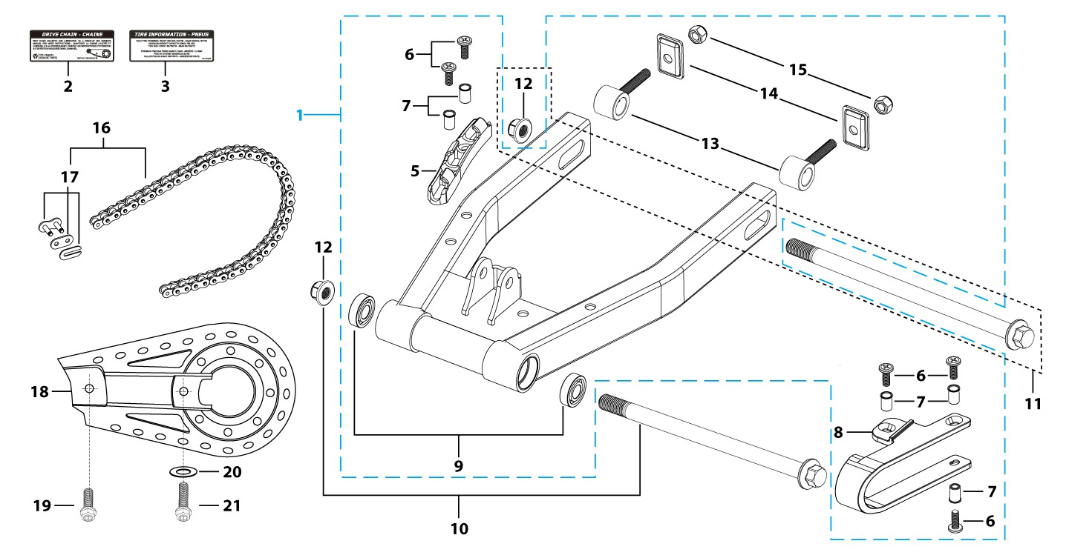
N° | Ref. | Description | Français | Picture | Qty/Bike | MY
1 | YC50-10014-0101 | YCF50 Mono swing arm Black L=290mm d12mm adjustable 2 height | Bras oscillant mono YCF50 Noir L=290mm d12mm ajustable 2 hauteurs |  | 1
5 | YC110-10-015-BK | Rear brake hose guide 2020 Black | Passe durite de frein arriere sur bras oscillant 2020 Noir |  | 1
6 | DIN7985-M6x16 | Screw M6x16mm inox | Vis M6x16mm inox |  | 5
8 | YC50-10-01 | Chain slider for Steel swing arm PU 50A | patin chaine court pour bras Acier PU 50A |  | 1
9 | 6001/28-12-08 | Swing arm ball bearing 6001 d12mmxd28mmx8mm | Roulement bras oscillant 6001 d12mmxd28mmx8mm |  | 2
10 | YC110-10-034 | Swing arm shaft with self lock nut M12 L=192mm d12 | axe bras oscillant d12 avec ecrou M12 L=192mm |  | 1
11 | YC50-11-01 | Rear wheel axle L=220 d12mm with Self locking nut M12 | axe roue arriere L=220 d12mm avec ecrou M12 |  | 1
12 | GB6187-M12-W | HEXAGON FLAT FLANGE LOCK NUT M12mm steel | Ecrou HEXAGONAL avec Flange autobloquant M12mm acier |  | 1
13 | YC50-1001-001 | Block axle d13.5mm YCF50 | Tendeur chaine d13.5mm YCF50 |  | 2
 | YC50-1001-003 | Black axle fixing plate Black 2020 | Patte acier fixation tendeur chaine Noir 2020 |  | 2
15 | GB6189-M8-W | HEXAGON NUT M8 | Ecrou Hexagonal M8 |  | 2
16 | 420H-82 | YCF50 Driving chain 420H-82T | Chaine 420H-82T maillons YCF50 |  | 1
17 | AR-420 | Chain link H=17mm | Attache rapide chaine H=17mm |  | 1
18 | YC50-0600-02 | Chain box protection L=152mm | Protection chaine plastique L=152mm |  | 1
19 | GB5787-M6x10-W | HEXAGON screw with Flange M6x10mm steel | Vis HEXAGONALE avec Flange M6x10mm acier |  | 1
20 | FB13-7x12x5.5 | Bushing d7mmxd12mmx5.5mm for gearshift tube | Entretoise d7mmxd12mmx5.5mm pour tige de selecteur |  | 1
21 | GB5787-M6x16-W | HEXAGON screw with Flange M6x16mm steel | Vis HEXAGONALE avec Flange M6x16mm acier |  | 1
Rear Wheel Assy
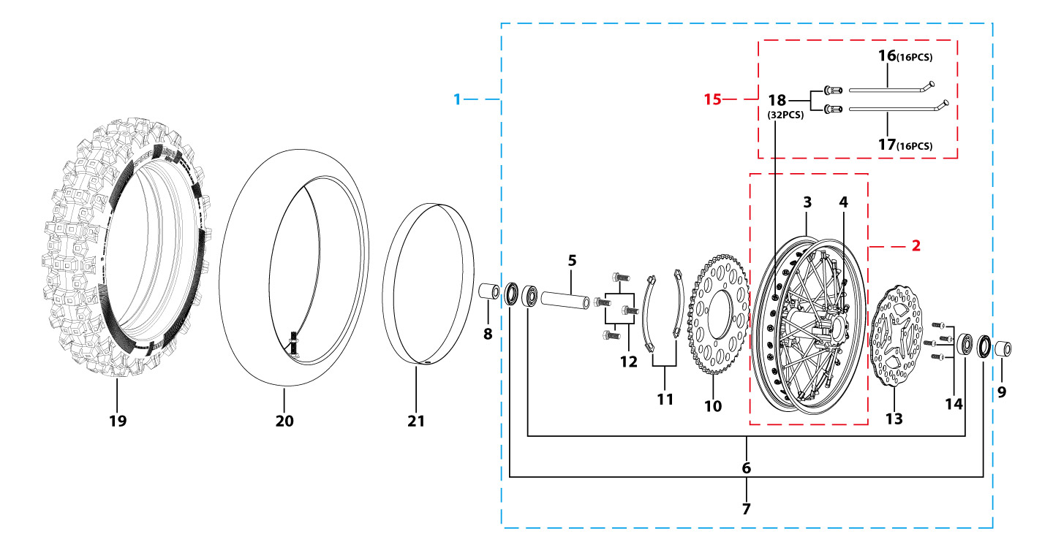
N° | Ref. | Description | Français | Picture | Qty/Bike | MY
1 | YC50-1101-0401 | YCF50 Complete STEEL Rear wheel 1.4x10' Casting hub with disk 45T 2020 | roue arriere complète YCF50 Acier 1.4x10' moyeux injecte avec disque 45T 2020 |  | 1
3 | YC50-0617-01 | STEEL Rim for Front wheel 1.4x10' Black | cerceau roue av 1,4x10' ACIER Noir |  | 1
4 | YC50-1122-04 | YCF50 Rear wheel die cast hub with seal 2022 | Moyeux arrière YCF50 injecte avec joint spy 2022 |  | 1
5 | YC50-1109-01 | Rear hub axle bushing 6061 d12mmxd19mmx76mm | Entretoise intérieur moyeux arrière 6061 d12mmxd19mmx76mm |  | 1
6 | 6201RS | Ball bearing 6201RS d12mmxd32mmx10mm | Roulement roue 6201RS d12mmxd32mmx10mm |  | 2
7 | YC50-0610 | OIL SEAL d22mmxd32mmx5mm | joint spy roue d22mmxd32mmx5mm |  | 2
8 | YC50-11-041 | Rear wheel spacer left Q235 d22mmxd12mmx25mm | Entretoise roue arriere gauche Q235 d22mmxd12mmx25mm |  | 1
9 | YC50-11-043 | Rear wheel spacer right Q235 d12mmxd22mmx17mm | Entretoise roue arrière droit Q235 d12mmxd22mmx17mm |  | 1
10 | YC110-11-06/45 | YCF Driven sprocket 420-45T (4 holes) | couronne acier 420-45T YCF |  | 1
11 | YC110-11-03 | Sprocket Locking piece | block couronne |  | 2
12 | GB5783-M8x20-W | Hexagon Head Bolt with full thread M8x20mm | Vis a tete HEXAGONALE M8x20mm |  | 4
13 | YC50-0513-01 | Brake disk front/rear d160 mm | Disque frein avant/arriere d160mm |  | 1
14 | GB70.2-M6x16 | Pan head hexagon screw M6x16mm inox | Vis à tête ronde Allen (BTR) M6x16mm inox |  | 4
15 | JR10-10.5 | set of spoke 10' (106mmx16+111mmx16) 10K(3.2mm) | jeu rayon arrière 10' (106mmx16+111mmx16) 10K(3.2mm) |  | 1
19 | 250/10 | Tire front/rear 2.50x10' JUNXI | pneu avant/arriere 2.50x10' JUNXI |  | 1
20 | CHAMBRE10-2.5N | Tube for front/rear tire 2.50x10' (Air cock 90º) | chambre air avant/arriere 2.50x10' 90º |  | 1
21 | YC110-11-02 | Tire lining 10‘x18 | fond jante 10’x18 |  | 1
REAR BRAKE
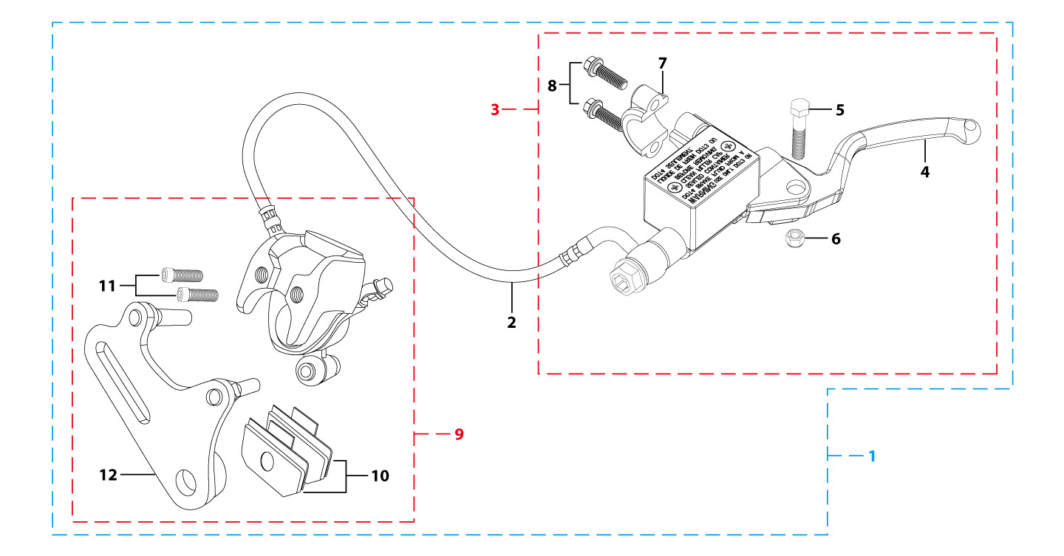
N° | Ref. | Description | Français | Picture | Qty/Bike | MY
1 | YC50-1214-03 | Rear brake assy YCF50A / 50E d8mm/d8mm L=1070mm (left side)2020 | Kit frein arriere YCF50A / 50E d8mm/d8mm L=1070mm (côté gauche) 2020 |  | 1
2 | YC50-1203-04 | YCF50 Rear brake steel line L=1070mm d8mm/d8mm 50A/50E 2020 | Durite frein arriere L=1070mm 50A/50E d8mm/d8mm 2020 |  | 1
3 | YC50-1202-02 | Rear brake reservoir YCF50A / 50E (left side) 2020 | Maitre cylindre frein arrière YCF50A / 50E guidon (côté gauche) 2020 |  | 1
4 | YC50-0503-06 | REAR Brake lever(left side) 50A 2020 | Levier frein arriere pour (côté gauche) 50A 2020 |  | 1
5 | GB8752-M6x28-G | Hex head screw steel M6x28mm with step d8mmx14mm | Vis acier M6x28mm avec deport d8mmx14mm |  | 1
6 | GB6189-M6-W | HEXAGON NUT M6 | Ecrou Hexagonal M6 |  | 1
8 | GB70-M5x16 | HEXAGON SOCKET Head Bolt, stainless steel, M5x16mm | Vis Allen (BTR)inox, M5x16mm |  | 2
9 | YC50-1201-02 | Rear Brake caliper YCF50A/50E d8 (left side) 2020 | Etrier Frein arriere YCF50A/50E d8 (côté gauche) 2020 |  | 1
10 | YC50-0506-02 | Front / Rear Brake pads 50A/50E 2020 | Jeu plaquette avant / arriere 50A/50E 2020 |  | 2
11 | YC50-0555-01 | Screw for front brake pads L=28mm | Vis plaquette frein avant L=28mm |  | 2
12 | YC50-120101-03 | Rear brake bracket YCF50A/50E (left side) 2020 | Patte fixation étrier frein arriere YCF50A/50E (côté gauche)2020 |  | 1
Exhaust system
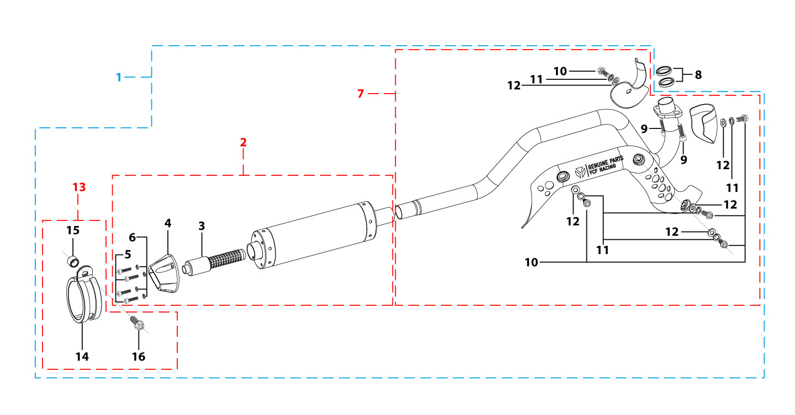
N° | Ref. | Description | Français | Picture | Qty/Bike | MY
1 | YC50-132-03-GY | YCF50 Muffler& Exhaust pipe assy 2020 GREY | Echapement complet YCF50 2020 GRISE |  | 1
2 | YC50-13016-GY | YCF50 Muffler L=240mm GREY | Silencieux YCF50 GRIS L=240mm |  | 1
3 | YC50-13-30 | YCF50 Noise reducer (spark arrestor) | Bride de pot YCF50 |  | 1
4 | YC50-13-33 | YCF50 Muffler end cap YCF | Embout silencieux YCF50 |  | 1
5 | GB70-M4x16 | HEXAGON SOCKET Head Bolt, stainless steel, M4x16mm | Vis Allen (BTR)inox, M4x16mm |  | 4
6 | GB93-d4-W | Spring Lock Washers d4mm | Rondelle a ressort d4mm |  | 4
7 | YC50-13010-03 | Exhaust pipe d22mm 2020 | collecteur d22mm 2020 |  | 1
8 | YC50-1304 | Exhaust pipe washer d17mmxd22mmx4mm | joint pot d17mmxd22mmx4mm |  | 2
9 | GB70-M6x20 | HEXAGON SOCKET Head Bolt, stainless steel, M6x20mm | Vis Allen (BTR)inox, M6x20mm |  | 2
10 | BT08-M6x10-W | HEXAGON Torx screw with Flange M6x10mm | Vis HEXAGONALE Torx avec Flange M6x10mm |  | 5
11 | GB93-d6-W | Spring Lock Washers d6mm | Rondelle a ressort d6mm |  | 5
12 | GB97-d6-W | Flat washer,steel d6mm | Rondelle plate,acier d6mm |  | 5
13 | YC50-13-02 | Hoop for muffler YCF50(with FB13-d10xd14x10-W 1EA+BT08-M8x30-W 1EA ) | Attache silencieux YCF50 complet |  | 1
15 | FB13-10x14x10-W | bushing (Muffler Hoop spacer /chain tensioner ) d10mmxd14mmx10mm | Entretoise attache silencieux /roulette de chaine d10mmxd14mmx10mm |  | 1
16 | BT08-M8x25-W | HEXAGON Torx screw with Flange M8x25mm | Vis HEXAGONALE Torx avec Flange M8x25mm |  | 1
Seat & Plastic kit
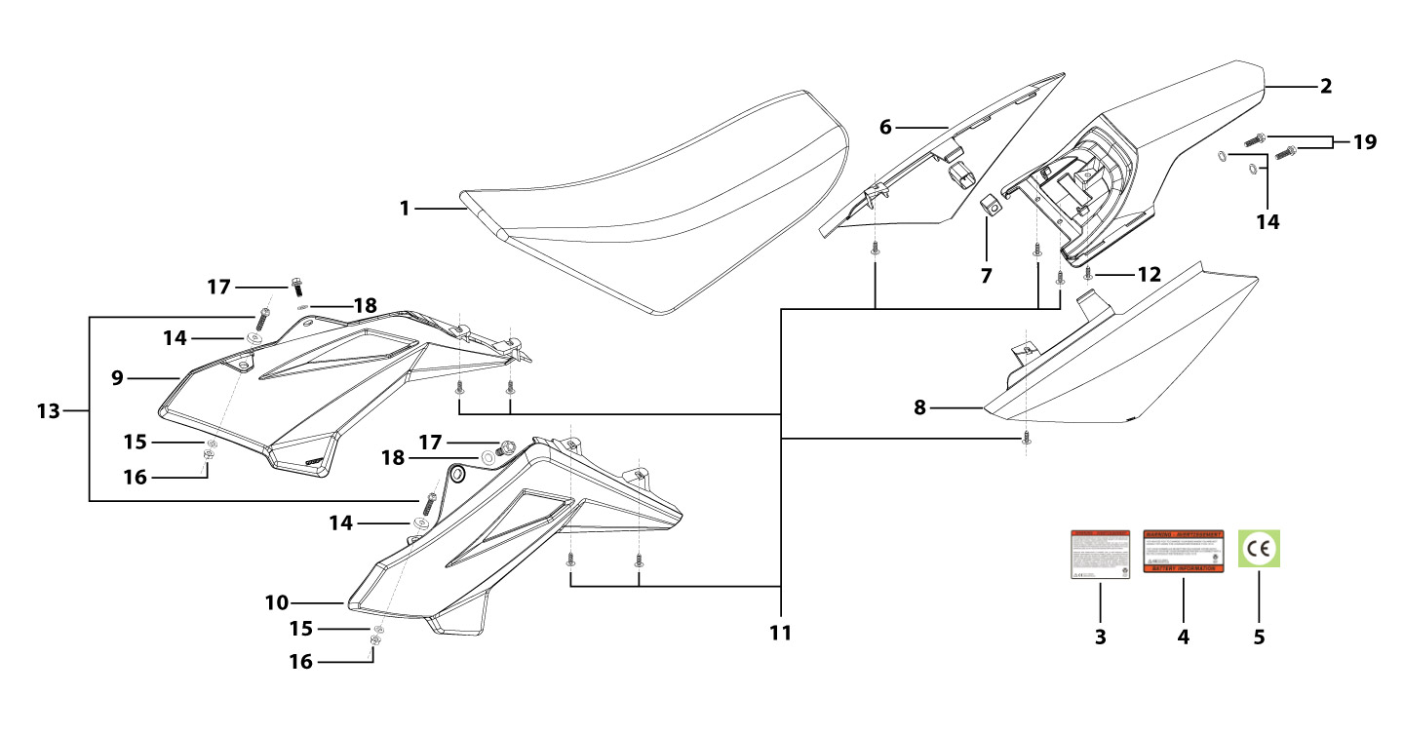
N° | Ref. | Description | Français | Picture | Qty/Bike | MY
1 | YC50-1401-05 | YCF50 Seat assy L=425mm | Selle YCF50L=425mm |  | 1
2 | YC50-14-012-BK | YCF Rear fender 50CC BLACK | Garde boue arrière YCF 50CC NOIR |  | 1
6 | YC50-14-022-BK | YCF right side plastic BLACK 50CC | plaque latérale droite YCF 50CC NOIR |  | 1
7 | YC110-14-03 | Cushion for right side plastic Black | caoutchouc plaque laterale droite Noir |  | 1
8 | YC50-14-042-BK | YCF Left side plastic BLACK 50CC | Plaque latérale gauche YCF 50CC NOIR |  | 1
9 | YC50-1407-YE | YCF Right YELLOW, 2025 | Ouie radiateur droite YCF 50CC JAUNE , 2025 |  | 1
10 | YC50-1406-YE | YCF Left side YELLOW 50CC, 2025 | Ouie radiateur gauche YCF 50CC JAUNE , 2025 |  | 1
11 | GB845-ST4.8x16-G | Pan Head Cross Tapping Screw ST4.8x16mm | Vis taraudeuse à tête ronde cruciforme ST4.8x16mm |  | 8
12 | GB845-ST4.8x20-G | Pan Head Cross Tapping Screw ST4.8x20mm | Vis taraudeuse à tête ronde cruciforme ST4.8x20mm |  | 1
13 | BT08-M6x20-W | HEXAGON Torx screw with Flange M6x20mm | Vis HEXAGONALE Torx avec Flange M6x20mm |  | 2
14 | YC110-03-01 | Rubber washer d6mmxd18mmx4mm for seat fixation on subframe | joint caoutchouc d6mmxd18mmx4mm pour fixation selie sur boucle acier |  | 4
15 | GB96-d6-W | Flat washer,steel d6mm | Rondelle plate,acier d6mm |  | 2
16 | GB6177-M6-W | HEXAGON FLAT FLANGE NUT M6 steel | Ecrou HEXAGONAL avec Flange M6 acier |  | 2
17 | FB5787-M5x12-W | hex.Bolt with flanged M5x12mm | Vis M5x12mm |  | 2
18 | GB96-d5-W | Flat washer,steel d5mm | Rondelle plate,acier d5mm |  | 2
19 | BT08-M6x25-W | HEXAGON Torx screw with Flange M6x25mm | Vis HEXAGONALE Torx avec Flange M6x25mm |  | 2
ELECTRIC
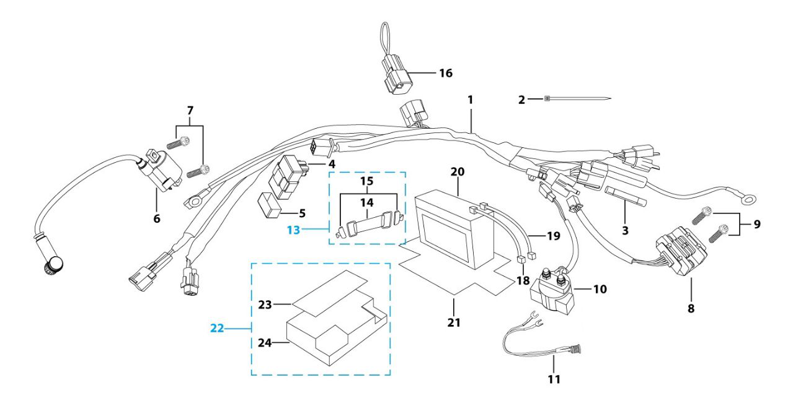
N° | Ref. | Description | Français | Picture | Qty/Bike | MY
1 | YC50-1501-02 | Wire harness 50CC 2020 waterproof L=570mm | Faisceaux éléctrique 50CC 2020 etanche L=570mm |  | 1
2 | YC110-01-05-BK | Cable tie,nylon, L=350mm Black | colier maintien cable,nylon, L=350mm Noir |  | 1
3 | YC50-1547-01 | Fuse 50A d6mmx30mm F15AL250V | Fusible YCF50A d6mmx30mm F15AL250V |  | 1
4 | YC50-1503 | CDI Ignitor assy.50A | CDI 50A |  | 1
6 | YC50-1504 | Ignitor coil L=130mm | bobine haute tension L=130mm |  | 1
7 | GB5787-M6x16-W | HEXAGON screw with Flange M6x16mm steel | Vis HEXAGONALE avec Flange M6x16mm acier |  | 2
8 | YC50-1502 | rectifier for 50CC | Rectificateur |  | 1
9 | BT08-M6x10-W | HEXAGON Torx screw with Flange M6x10mm | Vis HEXAGONALE Torx avec Flange M6x10mm |  | 2
10 | YC50-1510 | relay 50CC | Relais demarreur 50CC |  | 1
11 | YC50-1513-02 | Charger connexion 50CC Comes with waterproof rubber plug | Connection chargeur 50CC Livré avec bouchon adhésif imperméable |  | 1
13 | YC110-1508-03 | Rubber band battery holder assy | Bande caoutchouc pour maintien batterie complete |  | 1
16 | YC110-1563-01 | Chunt waterproof | Chunte waterproof |  | 1
18 | YC110-1517-03 | Battery cable L=200mm RED 2020 | Cable pour Chargeur Batterie L=200mm ROUGE 2020 |  | 1
19 | YC110-1516-05 | Battery cable L=230mm Black 2020 | Cable pour Chargeur Batterie L=230mm Noir 2020 |  | 1
20 | YC110-1507-05 | BS Battery BTx4L+ SLA 4.2Ah/12V/6.5A | BS Battery BTX4L+ SLA 4.2Ah/12V/6.5A |  | 1
21 | YC110-1523-02 | Battery protection 117mmx75mmx60mm | Protection Batterie 117mmx75mmx60mm |  | 1
22 | YC110-1561 | Battriy cover with sticker | Couvre batterie avec sticker |  | 1
Frame
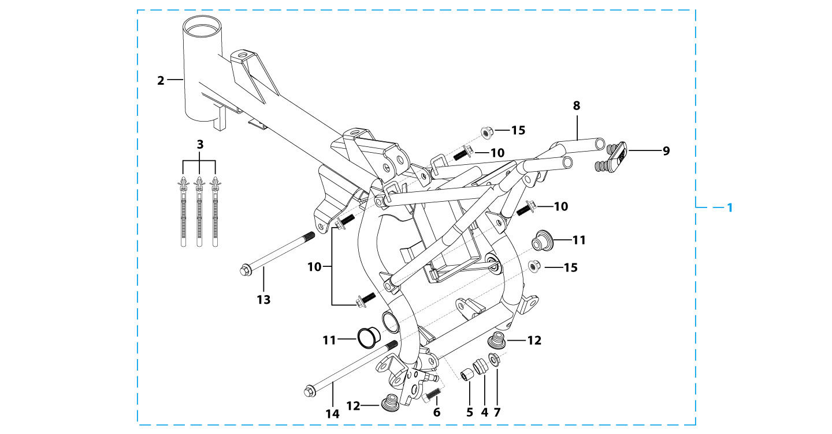
N° | Ref. | Description | Français | Picture | Qty/Bike | MY
1 | YC50-1622-05-BK | Complète frame YCF50A 2025 Black (with YC50-1211 2EA) for KRDIRECTION46, STEERING STEM 24° ANGLE | Cadre complet pour KRDIRECTION46, ANGLE POTENCE 24° Noir |  | 1
2 | YC50-172-03-BK | Frame ONLY YCF50A 2025 BLACK (with YC50-1211 2EA) for KRDIRECTION46, STEERING STEM 24° ANGLE BLACK | Cadre SEUL YCF50A 2025 NOIR pour KRDIRECTION46, ANGLE POTENCE 24° NOIR |  | 1
3 | YC110-01-08-BK | Cable tie, PA66 L=80mm ADJUSTABLE Black | Collier maintien cable,PA66 L=80mm ADJUSTABLE Noir |  | 3
4 | YC50-2201 | YCF Chain tensioner component （Middle 5.5mm)Black | roulette chaine YCF d35mmxd30mmx20mm(Milieu 5.5mm) Noir. |  | 1
5 | FB13-10x14x10-W | bushing (Muffler Hoop spacer /chain tensioner ) d10mmxd14mmx10mm | Entretoise attache silencieux /roulette de chaine d10mmxd14mmx10mm |  | 1
6 | GB70-M10x50x1.5-W | HEXAGON SOCKET Head Bolt,steel, M10x50mmx1.5mm | Vis Allen (BTR),acier, M10x50mmx1.5mm |  | 1
7 | GB6187-M10-1.5-W | HEXAGON FLAT FLANGE LOCK NUT M10-1.5 | Ecrou HEXAGONAL avec Flange autobloquant M10-1.5 |  | 1
8 | YC50-16-04-BK | YCF50 Rear frame part chromoly 2020 Black FOR 125cc 12V/3A Battery and new fixation | Boucle arriere YCF50 chromoly 2020 NoirE pour Batterie 125cc 12V/3A et nouvelles fixations |  | 1
9 | YC110-1633-0201 | Rubber plug for SUBFRAME part START | Embout Caoutchouc YCF boucle arriere START |  | 1
10 | BT08-M8x10-W | HEXAGON Torx screw with Flange M8x10mm | Vis HEXAGONALE Torx avec Flange M8x10mm |  | 4
11 | YC50-1210 | Rubber cover (swing arm axle) | Capuchon cadre (axe bras) |  | 2
12 | YC50-1211 | Rubber cover (bottom of frame) 50CC | Capuchon cadre (dessous cadre) 50CC |  | 2
13 | BT08-M8x95-B-W | HEXAGON Torx screw with Flange M8x95mm half thread | Vis HEXAGONALE Torx avec Flange M8x95mm VIS FILETAGE PARTIEL |  | 1
14 | BT08-M8x100-B-W | HEXAGON Torx screw with Flange M8x100mm half thread | Vis HEXAGONALE Torx avec Flange M8x100mm VIS FILETAGE PARTIEL |  | 1
15 | GB6183-M8-Cr | Flanged nylon lock nut M8 Blue nylon chrome plated | Nylon de verrouillage en flange M8 Nylon Bleu Nylon |  | 2
GRAPHICS
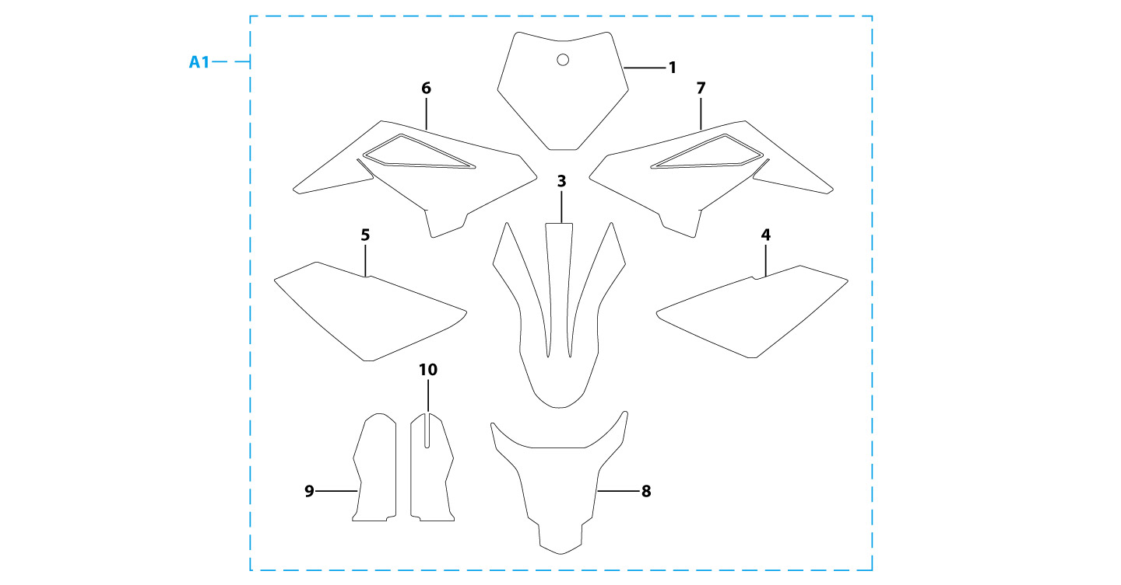
N° | Ref. | Description | Français | Picture | Qty/Bike | MY
A1 | KD-25-50A-STD | YCF50A complete graphic kit 2025 | Kit deco complet YCF50A 2025 |  | 1
ENGINES
N° | Ref. | Description | Français | Picture | Qty/Bike | Rep. Pst.
1 | MOTEUR50-02-GY | Engine 50cc 2020 | Moteur 50cc 2020 |  | 1
2 | 17311-10 | Inlet Pipe,Pro 50cc 2021 | PIPE ADMISSION 50cc 2021 |  | 1
3 | BT08-M6x20-W | HEXAGON Torx screw with Flange M6x20mm | Vis HEXAGONALE Torx avec Flange M6x20mm |  | 2
4 | YC50-20-29 | carburettor paper gasket | joint papier carburateur |  | 1
5 | YC50-20-25 | intake pipe paper gasket | joint papier admission |  | 1
6 | YC50-20-26 | intake pipe isolating gasket | joint plastique admission |  | 1
7 | YC50-20-97 | Front Sprocket plastic cover | Protection plastique PSB |  | 1
8 | GB5787-M5x25-W | HEXAGON screw with Flange M5x25mm steel | Vis HEXAGONALE avec Flange M5x25mm acier |  | 3
9 | 420H/9T | Sprocket (9T) | PSB 9DTS |  | 1
CARTONS - CAISSES MOTOS
N° | Ref. | Description | Français | Picture | Qty/Bike | MY
1 | YC110-CARTON-50 | BIKE BOX 50 YCF 1280mmx380mmx840mm | CARTON EMBALLAGE MOTO YCF50 1280mmx380mmx840mm |  | 1
2 | YC110-2101-01 | Bike box fixed block L=48mm | Maintien moto caisse L=48mm |  | 1
CATALOGUES - FICHES MOTOS - FICHES STICKER
N° | Ref. | Description | Français | Picture | Qty/Bike | MY
1 | YC110-0700-01 | Accessory tools | Trousse a outils |  | 1
2 | YC110-0700-0201 | Owner manual | Manuel Utilisation |  | 1

