25-BIGY-F150E-STD-XL
BIKE CODE FOR ORDERS |  | 25-BIGY-F150E-STD-XL | BIKE DESCRIPTION NAME | YCF BIGY-F150E-XL 2025 | CONTROL STATUS
EFFECTED DATE(D/M/Y) |  | 4/12/2024 | VERSION | 2025A0
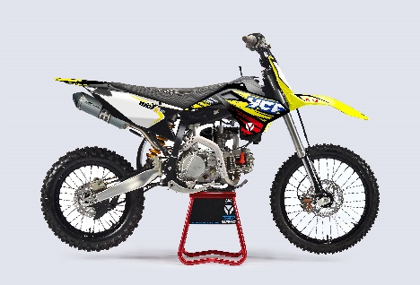
Handle bar assembly |  |  |  |  |  | AB
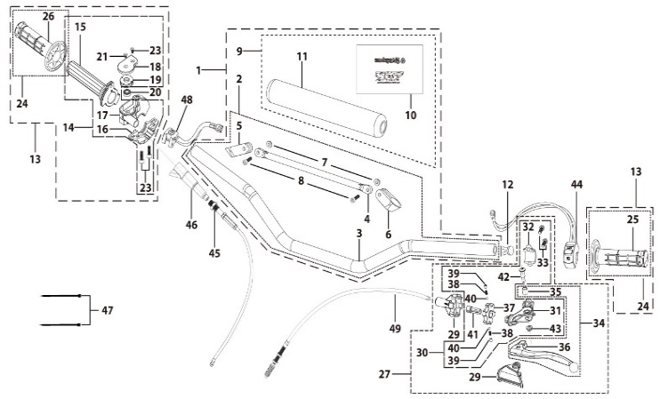
N° | Ref. | Description | Français | Picture | Qty/Bike | Rep. Pst.
1 | GALOW-05-BK | Alumium Handle Bar with bar pad and pvc L=760mm d=22.2mm SP2 Black | Guidon Alumium complet avec Mousse et Pvc L=760mm d=22.2mm SP2 Noir |  | 1
2 | YC110-0101-0701-BK | Aluminium handle bar L=760mm d=22.2 mm SP2, with cross bar, no embossing, Black | Guidon aluminium6061 complet Barre basse L=760mm d=22.2mm avec Barre,Sans Driot Stries,Noir |  | 1
8 | GB70-M6x20 | HEXAGON SOCKET Head Bolt, stainless steel, M6x20mm | Vis Allen (BTR)inox, M6x20mm |  | 2
9 | YC110-0132 | Complete Bar Pad for Chromolly Handlebar L=250mm START Black-WHITE | Mousse guidon complete pour guidon Chromolly L=250mm Noir-BLANC |  | 1
12 | YC110-0153-01 | Handle bar plastic cap,Nylon,Black | Embout plastique de guidon,nylon,Noir |  | 1
13 | YC110-0138-03 | Complete Throttle Assy. (Without adjusting bolts)+set of grip ( YCF LOGO) GREY | Poignee gaz complete YCF 2020 avec Paire de poignée YCF GRIS 2020 |  | 1
21 | GB819-M4x14 | Countersunk cross head machine screw,stainless steel, M4x14mm | Vis à tête fraisée plate cruciforme,inox, M4x14mm |  | 1
22 | GB819-M4x20 | Countersunk cross head machine screw,stainless steel, M4x20mm | Vis à tête fraisée plate cruciforme,inox, M4x20mm |  | 1
23 | GB70-M6x25 | HEXAGON SOCKET Head Bolt, stainless steel, M6x25mm | Vis Allen (BTR)inox, M6x25mm |  | 2
24 | PPC011-GY | set of grip 2020 (YCF LOGO) Grey | Paire de poignée caoutchouc 2020 (YCF LOGO) GRISE |  | 1
27 | YC110-0135-02 | clutch adjustable complete bracket with lever 2020 GREY | Cocotte reglage rapide avec levier embrayage 2020 GRIS |  | 1
28 | YC110-0151-03 | Rubber on clutch lever adjustable screw 2020 | Caoutchouc levier embrayage molette reglage2020 |  | 1
29 | YC110-0136-02 | Rubber on clutch lever adjustable START | Caoutchouc levier embrayage reglable START |  | 1
30 | YC110-0134-04 | Clutch bracket Assy Aluminium 2020 GREY | Cocotte embrayage complete 2020 GRIS |  | 1
33 | BT08-M6x20-W | HEXAGON Torx screw with Flange M6x20mm | Vis HEXAGONALE Torx avec Flange M6x20mm |  | 2
34 | YC110-0103-07 | Clutch lever 2020 Aluminium (with FB13-8x10x10.5-Cu 1EA FB13-8x10x9.4-Cu 1EA FB20-10x16x1 1EA) complete with bushings | Levier embrayage 2020 Aluminium (avec FB13-8x10x10.5-Cu 1EA FB13-8x10x9.4-Cu 1EA FB20-10x16x1 1EA) avec entretoises |  | 1
42 | 27-06025B | Hex.bolt with flanged M6x25mm (Step M8x13mm) | vis M6x25mm (deport M8x13mm) |  | 1
43 | GB6177-06000B | HEXAGON FLAT FLANGE NUT M6 | ecrou cloche embrayage M6 pour Levier embrayage |  | 1
44 | YC110-0105-15 | Kill Switch ON/OFF L=580mm Waterproof | Coupe circuit on off L=580mm ETANCHE |  | 1
45 | YC110-0106-15 | Throttle Cable L=960mm A+B=135mm | Cable gaz L=960mm A+B=135mm |  | 1
46 | YC110-0143-01 | Rubber on trottle cable | Protection caoutchouc cable de gas |  | 1
47 | YC110-01-03-BK | Cable tie,nylon, L=150mm Black | collier maintien cable, nylon, L=150mm Noir |  | 2
48 | YC110-0139-03 | Electrical start switch Waterproof L=500mm | Bouton demareur ETANCHE L=500mm |  | 1
49 | YC110-0107-17 | Clutch Cable Assy. L=1045mm A+B=70mm, non-adjustable | Cable embrayage L=1045mm A+B=70mm,Non réglable |  | 1
Steering stem assembly |  |  |  |  |  | AB

N° | Ref. | Description | Français | Picture | Qty/Bike | Rep. Pst.
1 | YC110-02-053-BK | Complete Triple Clamp L=160mm Steering stem=233mm SP2 2020 MATT Black | Te Fourche Complet L=160mm colonne direction=233mm SP2 2020 Noir MAT |  | 1
2 | YC110-0201-03 | Steering stem L=233mm | tige colonne direction L=233mm |  | 1
3 | YC110-0202-56-BK | Lower triple clamp L=160mm d48mm H=28mm START/PILOT 2020 MATT Black | té fourche inferieur L=160mm d48mm H=28mm START/PILOT 2020 Noir MAT |  | 1
4 | YC110-0201-56-BK | Top Triple Clamp L=160mm d45mm H=28mm START/PILOT 2022, 3 ADJUSTEBLE POSITIONS,MATT Black | té fourche supérieur L=160mm d45mm H=28mm START/PILOT 2022, REGLAGE 3 POSITIONS,Noir MAT |  | 1
5 | YC110-0203-035 | Set of Bar mount d22.2mm /H=top 18mm+bottom 55mm START 2020(with GB70-M10x50x1.5W 2EA+BT08-M8x30-W 4EA)Black | jeu pontet guidon d22.2mm /H=supérieur 18mm+inferieur 55mm START 2020(avec GB70-M10x50x1.5W 2EA+BT08-M8x30-W 4EA) Noir |  | 1
6 | YC110-0203-32 | Lower Bar Mount CNC d=22.2mm H=55mm START 2020 Black | Pontet guidon inférieur d=22.2mm H=55mm START 2020 Noir |  | 2
7 | YC110-0201-02 | Top Bar Mout CNC d=22.2 mm H=18mm START 2020 Black | pontet guidon supérieur d=22.2mm H=18mm START 2020 Noir |  | 2
8 | BT08-M6x25-W | HEXAGON Torx screw with Flange M6x25mm | Vis HEXAGONALE Torx avec Flange M6x25mm |  | 8
9 | BT08-M8x30-W | HEXAGON Torx screw with Flange M8x30mm | Vis HEXAGONALE Torx avec Flange M8x30mm |  | 4
10 | GB70-M10x50x1.5-W | HEXAGON SOCKET Head Bolt,steel, M10x50mmx1.5mm | Vis Allen (BTR),acier, M10x50mmx1.5mm |  | 2
11 | YC110-0212-09-YE | Front Number Plate BIGY 2025 complete YELLOW | PLAQUE AVANT BIGY 2025 complete JAUNE |  | 1
13 | BT08-M6x12-W | HEXAGON Torx screw with Flange M6x12mm | Vis HEXAGONALE Torx avec Flange M6x12mm |  | 1
14 | GB97-d6-W | Flat washer,steel d6mm | Rondelle plate,acier d6mm |  | 1
15 | GBT5787-M6x16-6-W | Hex. Bolt with flanged M6x16mm (step 6mm) steel | Vis avec epaulement M6x16mm (deport 6mm) acier |  | 1
16 | YC110-0213-12 | Front plastic plate to hold cables 75mmx80mm | Plaque avant plastique maintien cables 75mmx80mm |  | 1
17 | YC110-0213-08 | Number plate bracket 18mmx55mm START 2014 | support plaque avant 18mmx55mm START 2014 |  | 1
18 | YC110-0214-01-WH | Complete Break Line Retainer (with GB818-M4x10-W 2EA+GB97-d4-W 2EA) White | guide durite avec vis sur plaque avant complet (avec GB818-M4x10-W 2EA+GB97-d4-W 2EA) Blanc |  | 1
20 | GB97-d4-W | Flat washer,steel d4mm | Rondelle plate,acier d4mm |  | 2
21 | GB818-M4x10-W | Pan / Round head cross machine screw M4x10mm | Vis à tête ronde cruciforme M4x10mm |  | 2
22 | KRDIRECTION46 | set of bearing for steering 46/23.5、46/22 | Kit rlt colonne direction 46/23.5、46/22 |  | 1
25 | YC110-02-09 | Top nut for steering,steel, d=54.5mm | écrou crantellé colonne direction steel d=54.5mm |  | 1
26 | YC110-02-10 | Washer for steering stem nut, stainless steel, d22mmxd37mmx0.7mm | joint colonne direction,inox, d22mmxd37mmx0.7mm |  | 1
27 | YC110-02-11 | Nut for steering stem,steel, M22x1.0mm | écrou supérieur colnne direction ,acier, M22x1.0mm |  | 1
28 | YC110-01-08-BK | Cable tie, PA66 L=80mm ADJUSTABLE Black | Collier maintien cable,PA66 L=80mm ADJUSTABLE Noir |  | 2
29 | YC110-02-20 | Washer for steering stem nut d22mm (top)/d24mm (bottom)-d47mm | Joint pour colonne direction d22mm (haut)/d24mm (bas) -d47mm |  | 1
Front Fender |  |  |  |  |  | AB
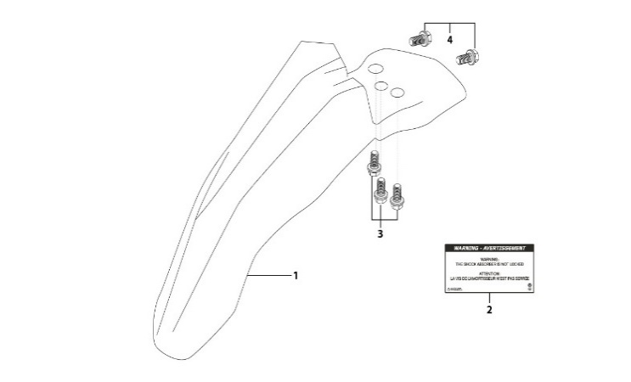
N° | Ref. | Description | Français | Picture | Qty/Bike | Rep. Pst.
1 | YC110-032-10-YE | Front Fender BIGY 2020 Wide YELLOW | gb avant BIGY 2020 Large JAUNE |  | 1
3 | GBT5787-M6x16-6-W | Hex. Bolt with flanged M6x16mm (step 6mm) steel | Vis avec epaulement M6x16mm (deport 6mm) acier |  | 3
4 | GBT5787-M6x16-3-W | HEXAGON screw with Flange with half thread M6x16mmx3mm | Vis HEXAGONALE avec Flange et deport M6x16mmx3mm |  | 2
Front & Rear absorber |  |  |  |  |  | AB
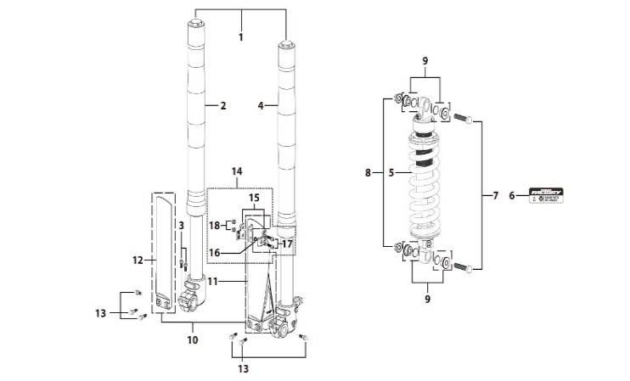
N° | Ref. | Description | Français | Picture | Qty/Bike | Rep. Pst.
1 | YC110-0400-24 | Pair of forks L=800mm ZL (Compression adjustable) GREY | Jeu de fourche L=800mm ZL (compression reglable) GRIS |  | 1
2 | YC110-0401-24 | Front right fork L=800mm BIGYF150 2017 ZL (Compression adjustable) TITAN cylinder, Chrome tube, silver base | tube fourche droit L=800mm ZL (compression reglable) GRIS 2017 |  | 1
3 | BT08-M6x30-W | HEXAGON Torx screw with Flange M6x30mm | Vis HEXAGONALE Torx avec Flange M6x30mm |  | 2
4 | YC110-0402-24 | Front left fork L=800mm ZL (Compression adjustable) GREY | Tube fourche gauche L=800mm ZL (compression reglable) GRIS |  | 1
5 | YC110-0404-68 | Shock absorber ZL 355mmx800lbs YELLOW | Amortisseur ZL 355mmx800lbs JAUNE |  | 1
7 | GB5789-M12x50-W-1.25 | HEXAGON screw with Flange M12x1.25x50mm | Vis HEXAGONALE avec Flange M12x1.25x50mm |  | 2
8 | GB6183-M12x1.25-Cr | Flanged nylon lock nut M12x1.25 Blue nylon chrome plated | Nylon de verrouillage en flange M12x1.25 Nylon Bleu Nylon |  | 2
9 | YC110-0420-03 | Shock spacer d12mmxd14mmx6x11mm | Entretoise amortisseur pour bras mono d12mmxd14mmx6x11mm |  | 4
10 | PFYCF12-BK | 735mm set of fork protection PP L=285mm Black | 735mm Jeu protection fourche PP L=285mm Noir |  | 1
13 | GBT5787-M6x14-5-W | Hex. Bolt with flanged M6x14mm (step 5 mm) steel | Vis avec epaulement M6x14mm (deport 5 mm ) acier |  | 6
14 | YC110-0403-05 | Complete Oil steel line retainer on left front fork PP START Black | Complet Passe durite sur protection fourche gauche PP START Noir |  | 1
17 | BT08-M6x20-W | HEXAGON Torx screw with Flange M6x20mm | Vis HEXAGONALE Torx avec Flange M6x20mm |  | 2
18 | GB6170-M6-W | HEXAGON Nut M6mm steel | Ecrou HEXAGONAL M6mm acier |  | 2
Front Brake Assy |  |  |  |  |  | AB
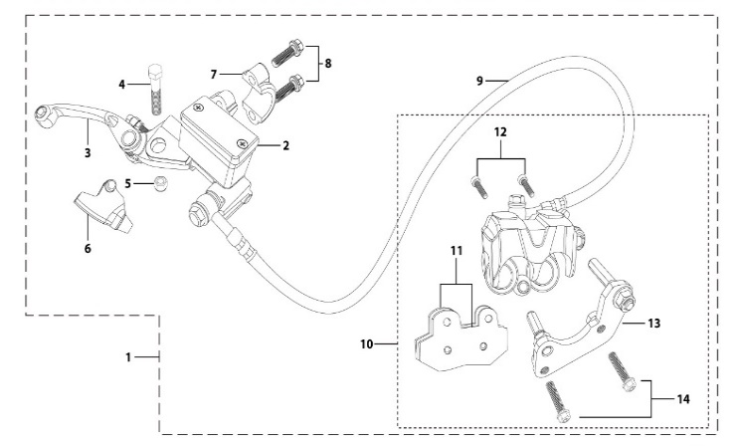
N° | Ref. | Description | Français | Picture | Qty/Bike | Rep. Pst.
1 | YC110-0501-3101 | Front brake assy 2 pumps L=1170mm d10mm/d10mm w/t asbestos 2020 | Kit frein avant 2 pistons avec gaine plastic Noire L=1170mm d10mm/d10mm sans amiante 2020 |  | 1
2 | YC110-0501-0104-03 | Front Brake Reservoir for 2 pump piston d10mm PILOT 2020 | Maitre cylindre frein avant pour étrier 2 pistons d10mm PILOT 2020 |  | 1
3 | YC110-0517-01 | Front brake lever for 2 pump brake adjustable | levier frein ajustable |  | 1
4 | HB06-M6x30-G | Hex.bolt with flanged M6x30mm (Step M8x15mm) front front brake lever | vis M6x30mm (deport M8x15mm) |  | 1
5 | GB6184-M6-G | HEXAGON FLAT NYLON LOCK NUT M6-G | Ecrou HEXAGONAL autobloquant nylon M6-G |  | 1
6 | YC110-0515-01 | rubber for brake lever | caoutchouc levier frein avant |  | 1
8 | BT08-M6x20-W | HEXAGON Torx screw with Flange M6x20mm | Vis HEXAGONALE Torx avec Flange M6x20mm |  | 2
9 | YC110-0501-0327 | Front brake oil steel line L=1170mm d10mm/d10mm Black 2020 with caps | Durite frein avant L=1170mm d10mm/d10mm Noir 2020 avec capuchon |  | 1
10 | YC110-0501-0207 | Front Brake caliper for 2 pump w/t abestos d10mm | étrier frein avant double pistons sans amiante d10mm |  | 1
11 | YC110-0501-0416 | Front Brake pads for double pump brake with copper substrate SP3 | jeu plaquette frein avant pour frein 2 pistons SANS AMIANTE SP3 |  | 2
12 | YC110-0555-01 | caliper screw for front brake L=55mm Army green | vis plaquette frein avant L=55mm |  | 2
13 | YC110-0501-037 | Bracket for front brake SP2/SP3 | Patte frein avant etrier SP2/SP3 |  | 1
14 | BT08-M6x35-W | HEXAGON Torx screw with Flange M6x35mm | Vis HEXAGONALE Torx avec Flange M6x35mm |  | 2
Front Wheel Assy |  |  |  |  |  | AB
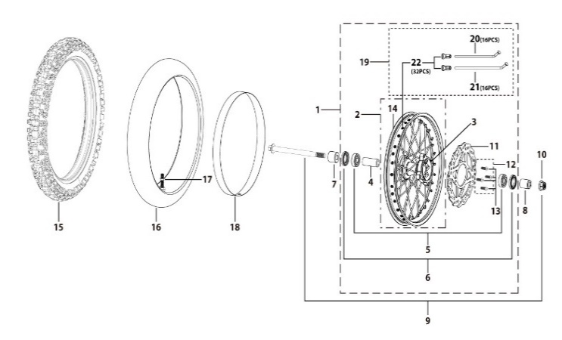
N° | Ref. | Description | Français | Picture | Qty/Bike | Rep. Pst.
1 | YC110-0601-33-BK | Complete ALUMINIUM 7116 Front wheel 1.6x19' with disk 220mm CNC hub Black / Black Rim - NTN BEARINGS 6003 2021 8K | Roue avant complète ALUMINIUM 7116 1.6x19' avec disque 220mm moyeux CNC Noir / Jante NoirE - ROULEMENTS NTN 6003 2021 8K |  | 1
3 | YC110-0622-22-BK | YCF Front hub CNC YCF 2024 Black (SPOKES 4 mm - 8K) | Moyeux avant CNC YCF Noir 2024 (RAYONS 4 mm -8K) |  | 1
4 | YC110-0607-03 | Front axle bushing d17mmxd22mmx46mm | Entretoise central roue avant d17mmxd22mmx46mm |  | 1
5 | 6003 | Ball bearing NTN 6003 d35mmxd17mmx10mm | Roulement roue NTN 6003 d35mmxd17mmx10mm |  | 2
6 | YC110-0611 | OIL SEAL d23mmxd35mmx5mm | joint spy roue d23mmxd35mmx5mm |  | 2
7 | YC110-06-048 | Front wheel spacer right, Aluminium d15mmxd22mmx37mm with STEP d15mmxd17mmx14mm And d15mmx19.4mmx4mm Black | Entretoise roue avant droite,Aluminium d15mmxd22mmx37mm avec epaulement d15mmxd17mmx14mm And d15mmx19.4mmx4mm Noir |  | 1
8 | YC110-06-056 | Front wheel spacer left aluminium d15mmxd22mmx47mm with STEP d15mmxd17mmx14mm Black | Entretoise roue avant gauche aluminium d15mmxd22mmx47mm with step d15mmxd17mmx14mm Noir |  | 1
9 | YC110-06-061 | Front Axle d15mm L=215 mm with Self-locking nut M14 | axe de roue avant d15mm L=215 mm avec ecrou M14 |  | 1
10 | GB6187-M14-W | HEXAGON FLAT FLANGE LOCK NUT M14 steel | Ecrou HEXAGONAL avec Flange autobloquant M14 acier |  | 1
11 | YC110-1115-07 | Front disk d220mm (Screw hole d10.5mm) 2020 | disque frein avant d220mm (Trou de vis d10.5mm) 2020 |  | 1
12 | KVD-01 | Disk screws kit (contain GB70.2-M8x20-Cr 4EA) | KIT VIS DISQUE M8x20 (lot 4) |  | 1
14 | YC110-0617-42-BK | ALUMINIUM 7116 Rim for Front wheel 1.6x19' 7116 Black 20228K | Cerceau roue av 1.6x19' ALUMINIUM 7116 Noir 2022 8K |  | 1
15 | 70/100-19P51 | YUANXING P51 Front Tyre 70/100-19' | Pneu avant Yuanxing 70/100-19' P51 |  | 1
16 | CHAMBRE19AV | Tube BNT 70/100-19 for 70/100-19' tyre | Chambre air BNT 70/100-19 pour pneu 70/100-19' |  | 1
18 | YC110-06-08 | tire lining for 20'x30 | fond jante av 20'x30 |  | 1
19 | JR19-21.3-8K | set of front spoke 1.60x19' (213mmx16+208mmx16) 8K(4.0mm) | Jeu rayon avant 1.60x19' (213mmx16+208mmx16) 8K(4.0mm) |  | 1
23 | GRIPSTERAV-R | Reinforced gripster - 1.40 | Gripster renforce - 1.40 |  | 1
Fuel Tank |  |  |  |  |  | AB
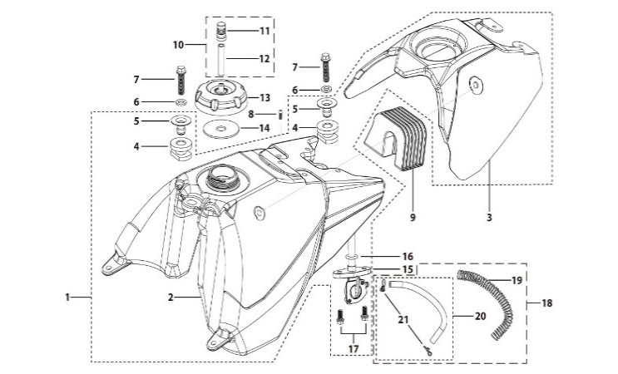
N° | Ref. | Description | Français | Picture | Qty/Bike | Rep. Pst.
1 | YC110-0718-03 | Complete fuel tank BIGY with grain 2025(with YC110-07-01 2EA+YC110-07-02 2EA) | Reservoir complet BIGY avec finition granulee 2025(avec YC110-07-01 2EA+YC110-07-02 2EA) |  | 1
2 | YC110-0701-04 | Fuel tank BIGY 2025 | Reservoir BIGY 2025 |  | 1
3 | YC110-0719-01 | Reservoir cover Bigy Black with grain 2025 | Couvercle Reservoir Bigy Noir avec finition granulee 2025 |  | 1
6 | YC110-0726-01 | Bushing d6.5mmxd9.5mmx5mm for seat fixation | Entretoise d6.5mmxd9.5mmx5mm pour fixation selle Bigy |  | 1
7 | BT08-M8x30-W | HEXAGON Torx screw with Flange M8x30mm | Vis HEXAGONALE Torx avec Flange M8x30mm |  | 2
8 | GB70.2-M6*12-G | Pan head hexagon screw M6x12mm-G | Vis à tête ronde Allen (BTR) M6x12mm-G |  | 1
9 | YC110-0722-01 | Fixing rubber block Fuel tank BIGY | Maintient Caoutchuc reservoir Bigy |  | 1
10 | YC125-0704-BK | Fuel tank valve complete L=40mm Black | Valve prise air complete L=40mm Noir |  | 1
13 | YC110-0702-01 | Tank cap plastic Ventilator d3mm | Bouchon reservoir plastique YCF d3mm |  | 1
15 | YC110-0703 | Fuel cock assy. | robinet essence |  | 1
17 | BT08-M6x12-W | HEXAGON Torx screw with Flange M6x12mm | Vis HEXAGONALE Torx avec Flange M6x12mm |  | 2
18 | YC110-0706 | fuel tank rubber line spring d4.5mmxd8.5mmx210mm | durite reservoir avec ressort d4.5mmxd8.5mmx210mm |  | 1
Air Filter |  |  |  |  |  | AB
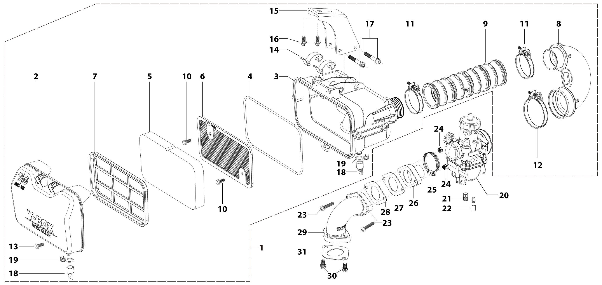
N° | Ref. | Description | Français | Picture | Qty/Bike | Rep. Pst.
1 | YC110-0801-12-BK | YCF Air box complete assembly PPZ20 for SM/PILOT/BIGY/GP/SUNDAY General Black 2025 | Boite a air YCF complete PPZ20 pour SM/PILOT/BIGY/GP/SUNDAY general Noir 2025 |  | 1
5 | YC110-0817-08 | Air filter sponge retardant sponge 179mmx94mmx20mm for YCF air box 2025 | Mousse de filtre ignifuge 179mmx94mmx20mm pour boite a air YCF 2025 |  | 1
8 | YC110-0823-09 | Air box rubber sleeve 90° 2025 | Manchon 90° de boite a air caoutchouc 2025 |  | 1
9 | YC110-0823-10 | Air box connection rubber sleeve 2025 can shrink | Manchon de boite à air caoutchouc 2025 |  | 1
10 | GB5787-M6x12-W | HEXAGON screw with Flange M6x12mm steel | Vis HEXAGONALE avec Flange M6x12mm acier |  | 2
11 | YC110-0805-05 | HOSE CLAMP d46mm KIZ | COLLIER DE SERRAGE FILTRE d46mm KIZ |  | 2
12 | YC110-0805-06 | HOSE CLAMP d54mm RS | COLLIER DE SERRAGE FILTRE d54mm RS |  | 1
13 | GB5787-M6x12-W | HEXAGON screw with Flange M6x12mm steel | Vis HEXAGONALE avec Flange M6x12mm acier |  | 1
15 | YC110-0825-0303-BK | Air filter mounting bracket Q235 83.2mmx67.8mmx35mm BIGY 2025 Black | Support de filtre à air Q235 83.2mmx67.8mmx35mm BIGY 2025 Noir |  | 1
16 | BT08-M6x16-W | HEXAGON Torx screw with Flange M6x16mm | Vis HEXAGONALE Torx avec Flange M6x16mm |  | 2
17 | GB5789-M6x45-W | HEXAGON screw with Flange M6x45mm | Vis HEXAGONALE avec Flange M6x45mm |  | 2
20 | PE28SP | NIBBI Carburetor PE28 (Sport version) | NIBBI Carburetor PE28 (Sport version) |  | 1
21 | LK-PE-112 | Main Jet 112 PE Nibbi | Gicleur principal 112 PE Nibbi |  | 1
22 | LK-FLK-40 | Slow Jet 40 FLK Nibbi | Gicleur ralenti 40 FLK Nibbi |  | 1
23 | BT08-M6x35-W | HEXAGON Torx screw with Flange M6x35mm | Vis HEXAGONALE Torx avec Flange M6x35mm |  | 2
24 | GB6170-M6-W | HEXAGON Nut M6mm steel | Ecrou HEXAGONAL M6mm acier |  | 2
25 | YC110-0805-03 | Holding ring d32mm-d50mm | collier FILTRE d32mm-d50mm |  | 1
26 | YC110-2030 | RUBBER MANIFOLD SET | Manchon pipe admission Daytona |  | 1
27 | F00C039 | carburettor isolating gasket d27.5mm | joint plastique carburateur d27.5mm |  | 1
28 | 17332 | carburettor paper gasket d28mm | joint papier carburateur d28mm |  | 1
29 | 17311-6-01 | Inlet pipe bending In order to install 2025 empty filter B125/B150/BF150E/SP2 Engine mounting surface d=10mm | Pipe admission pour 2025 sur filtre vide B125/B150/BF150E/SP2 Plaque de montage moteur d=10mm |  | 1
30 | BT08-M6x20-W | HEXAGON Torx screw with Flange M6x20mm | Vis HEXAGONALE Torx avec Flange M6x20mm |  | 2
31 | 17332/152FMH01 | Intake Gasket | JT PAPIER PIPE ADMISSION |  | 1
Foot Peg assy |  |  |  |  |  | AB
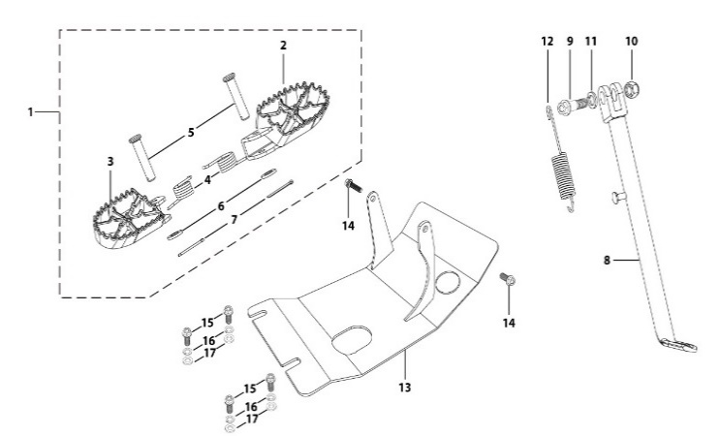
N° | Ref. | Description | Français | Picture | Qty/Bike | Rep. Pst.
1 | YC110-0902-05 | Inox foot pegs set Large | Jeu repose pied inox Large |  | 1
4 | YC110-0906 | Spring for inox foot peg (left/right) d2mmxd16mmx35mm | ressort repose pied (droit/gauche) inox d2mmxd16mmx35mm |  | 2
5 | GB882-d8x45 | shaft pin for inox footpegs d8mmx45mm | axe repose pied inox d8mmx45mm |  | 2
6 | GB97-d8-W | Flat washer,steel d8mm | Rondelle plate,acier d8mm |  | 2
7 | GB91-d2x25-W | Split pin d2.0mmx25mm | Goupille d2.0mmx25mm |  | 2
8 | YC110-0904-24 | Kick stand L=390mm Black | Bequille L=390mm Noir |  | 1
9 | FB02-M10x1.5x30I | Stepped screw M10x35mm for kick stand (step 1.5) | vis bequille M10x35mm (pas1.5) |  | 1
10 | GB6172-M10-G | HEXAGON Nut M10 for #17 sleeve | Ecrou HEXAGONAL M10 for #17 sleeve |  | 1
11 | GB93-d10-W | Spring Lock Washers d10mm | Rondelle a ressort d10mm |  | 1
12 | YC110-19-01 | spring for kick stand d2.5mmxd15mmx105mm | ressort bequille d2.5mmxd15mmx105mm |  | 1
13 | YC110-207-06 | Engine skid plate Steel BIGYF150E 2022 T=3mm Black #6 | SABOT ACIER BIGYF150E 2022 T=3mm Noir #6 |  | 1
14 | BT08-M6x16-W | HEXAGON Torx screw with Flange M6x16mm | Vis HEXAGONALE Torx avec Flange M6x16mm |  | 2
15 | BT08-M8x25-W | HEXAGON Torx screw with Flange M8x25mm | Vis HEXAGONALE Torx avec Flange M8x25mm |  | 4
16 | GB93-d8-W | Spring Lock Washers d8mm | Rondelle a ressort d8mm |  | 4
17 | GB97-d8-W | Flat washer,steel d8mm | Rondelle plate,acier d8mm |  | 4
Swing Arm assy |  |  |  |  |  | AB
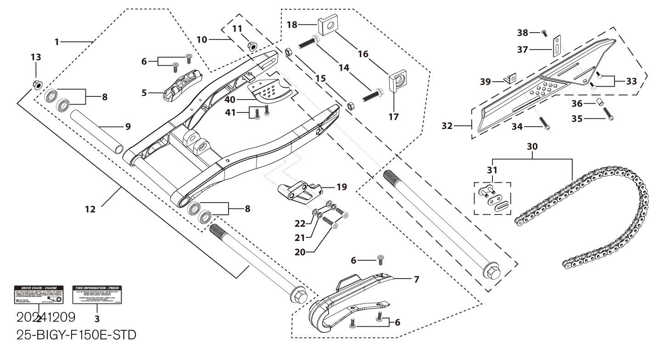
N° | Ref. | Description | Français | Picture | Qty/Bike | Rep. Pst.
1 | YC110-1001-2301 | YCF Mono swing arm aluminium 490mm BIGY 2025 d15mm (177 mm) CNC with stainless steel plate | Bras oscillant mono YCF aluminium 490mm BIGY 2025 d 15 mm (177mm) CNC avec plaque en acier inoxydable |  | 1
5 | YC110-10-015-BK | Rear brake hose guide 2020 Black | Passe durite de frein arriere sur bras oscillant 2020 Noir |  | 1
6 | DIN7985-M6x16 | Screw M6x16mm inox | Vis M6x16mm inox |  | 5
7 | YC110-10-025 | Chain slider for Steel / Alum swing arm PU PILOT/SP/BIGY/SUNDAY/MINI GP and START/SM125/W88E (360/390 mm) | Patin chaine pour bras Acier / Alu 420/460 mm PU PILOT/SP/BIGY/SUNDAY/MINI GP et START/SM125/W88E (360/390 mm) |  | 1
8 | 6902-NTN | Swing arm ball bearing 6902NTN d15mmxd28mmx7mm | Roulement bras oscillent NTN 6902 d15mmxd28mmx7mm |  | 4
9 | YC110-1007-10 | Central spacer swing arm Aluminium BIGY/PILOT/SM d16mmxd20mmx149mm | Entretoise centrale de bras oscillent BIGY/PILOT/SM d16mmxd20mmx149mm |  | 1
10 | YC110-11-074 | Rear wheel axle L=215mm d15mm with Self locking nut M14 | axe roue arriere L=215mm d15mm avec ecrou M14 |  | 1
11 | GB6187-M14-W | HEXAGON FLAT FLANGE LOCK NUT M14 steel | Ecrou HEXAGONAL avec Flange autobloquant M14 acier |  | 1
12 | YC110-1009-01 | Swing arm shaft with self lock nut M14 L=240mm d15 | axe bras oscillant d15 avec ecrou M14 L=240mm |  | 1
13 | GB6187-M14-W | HEXAGON FLAT FLANGE LOCK NUT M14 steel | Ecrou HEXAGONAL avec Flange autobloquant M14 acier |  | 1
14 | GB5783-M8x40-W | Hexagon Head Bolt with full thread M8 x40mm | Vis a tete HEXAGONALE M8 x40mm |  | 2
15 | FB6170-M8-W | Hex. Nut M8 | ecrou tendeur chaine M8 |  | 2
16 | YC110-11-095-SI | Set of Block axle SPI/SPII/SPIII/BIGY F150Mx/FD190Mx SILVER | Jeu tendeur chaine SPI/SPII/SPIII/BIGY F150Mx/FD190Mx SILVER |  | 1
19 | YC110-1005 | YCF chain guide assy for all models from 2025 | Guide chaine YCF pour tout modèle à partir de 2025 |  | 1
20 | GB70-M8x20 | HEXAGON SOCKET Head Bolt, stainless steel, M8x20mm | Vis Allen (BTR)inox, M8x20mm |  | 2
21 | GB93-d8-W | Spring Lock Washers d8mm | Rondelle a ressort d8mm |  | 2
22 | GB97-d8-W | Flat washer,steel d8mm | Rondelle plate,acier d8mm |  | 2
30 | 420Dx-120T | Chain 420Dx-120T extra strong | Chaine 420Dx-120T maillons renforcee |  | 1
31 | AR-420 | Chain link H=17mm | Attache rapide chaine H=17mm |  | 1
32 | YC110-1028-02 | Chain box protection | Protection chaine plastique |  | 1
33 | SC17-M8x20-B | Rivet Plastic Black M8x20mm for Chain box protection | Rivet plastique M8x20 pour fixation de la Protection chaine plastique M8x20mm |  | 2
34 | GB5787-M6x10-W | HEXAGON screw with Flange M6x10mm steel | Vis HEXAGONALE avec Flange M6x10mm acier |  | 1
35 | GB5787-M6x16-W | HEXAGON screw with Flange M6x16mm steel | Vis HEXAGONALE avec Flange M6x16mm acier |  | 1
36 | FB13-7x12x5.5 | Bushing d7mmxd12mmx5.5mm for gearshift tube | Entretoise d7mmxd12mmx5.5mm pour tige de selecteur |  | 1
37 | YC110-0213-0401 | Number plate bracket long TOP 2020 | Support plaque avant 2020 |  | 1
38 | GB818-M6x12-W | Pan / Round head cross machine screw M6x12mm | Vis à tête ronde cruciforme M6x12mm |  | 1
39 | YC110-0600-021 | Chain box protection support (front) | Support avant Protection chaine plastique |  | 1
40 | YC110-1010 | Rear disk protection PILOT Black | Protection de disque arriere PILOT Noir |  | 4
41 | BT08-M6x12-W | HEXAGON Torx screw with Flange M6x12mm | Vis HEXAGONALE Torx avec Flange M6x12mm |  | 2
Rear Wheel Assy |  |  |  |  |  | AB
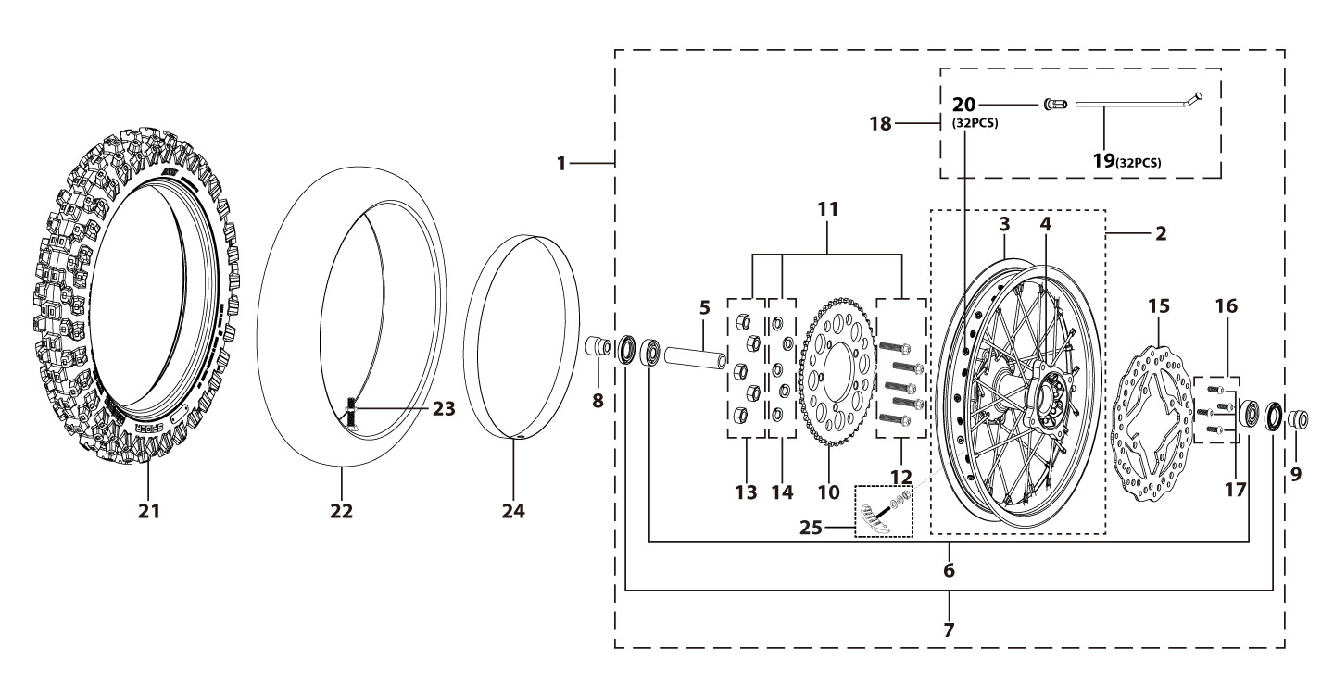
N° | Ref. | Description | Français | Picture | Qty/Bike | Rep. Pst.
1 | YC110-1101-71-BK | Complete ALUMINIUM Rear wheel 2.15x16' with disk and sprocket CNC Black hub Black Rim 2023 8K | Roue arriere complète ALUMINIUM 2.15x16' avec disque et couronne, moyeux cnc Noir / Jante NoirE 2023 8K |  | 1
3 | YC110-1107-55-BK | ALUMINIUM 7116 Rim for Rear wheel 2.15x16' 7116 Black 20228K | Cerceau roue arrier 2.15x16' ALUMINIUM 7116 Noir 2022 8K |  | 1
4 | YC110-1122-16-BK | YCF Rear hub CNC Black 2024 (SPOKES 4 mm - 8K) | Moyeux arriére CNC 2024 Noir (RAYONS 4 mm -8K) |  | 1
5 | YC110-1109-07 | Rear hub axle bushing 6061 d17mmxd25mmx67mm | entretoise intérieur moyeux arrière 6061 d17mmxd25mmx67mm |  | 1
6 | 6003 | Ball bearing NTN 6003 d35mmxd17mmx10mm | Roulement roue NTN 6003 d35mmxd17mmx10mm |  | 3
7 | YC110-0611 | OIL SEAL d23mmxd35mmx5mm | joint spy roue d23mmxd35mmx5mm |  | 2
8 | YC110-11-047 | Rear wheel spacer right d15mmxd22mmx43mm with step d15mmxd17mmx14mm | Entretoise roue arriere droite d15mmxd22mmx43mm step d15mmxd17mmx14mm |  | 1
9 | YC110-11-057 | Rear wheel spacer left 6061 d15mmxd22mmx63mm with step d15mmxd17mmx25mm | Entretoise roue arriere gauche 6061 d15mmxd22mmx63mm step d15mmxd17mmx25mm |  | 1
10 | YC110-11-062/45 | YCF Driven sprocket 420-45T 5 holes | Couronne acier 420-45T YCF 5 trous |  | 1
11 | KVC-2 | Rear sprocket screws kit M8x30mm (set of 5) (BT08-M8x30-W+GB6189-M8-W+GB93-d8-W) | Kit vis fraisees M8x30 (lot de 5) (BT08-M8x30-W+GB6189-M8-W+GB93-d8-W) |  | 1
15 | YC110-1115-06 | Rear disk d200mm d10.5mm 2020 | disque frein arriere d200mm d10.5mm 2020 |  | 1
16 | KVD-01 | Disk screws kit (contain GB70.2-M8x20-Cr 4EA) | KIT VIS DISQUE M8x20 (lot 4) |  | 1
18 | JR16-175-8K | Set of spoke 2.15x16' rear wheel Casting hub (175mmx32)8K（4.0mm） | jeu rayon arrière 2.15x16' (175mmx32)8K（4.0mm） |  | 1
21 | 90/100-16P52 | YUANXING P52 Rear Tyre 90/100-16' | Pneu arriere Yuanxing 90/100-16' P52 |  | 1
22 | CHAMBRE16AR | Tube BNT 90/100-16 for 90/100-16' tyre | Chambre air BNT 90/100-16 pour pneu 90/100-16' |  | 1
24 | YC110-0611-02 | tire lining for 16'x30 | fond jante av 16'x30 |  | 1
25 | GRIPSTERAR-R | Reinforced gripster - 1.85 | Gripster renforce - 1.85 |  | 1
REAR BRAKE |  |  |  |  |  | AB
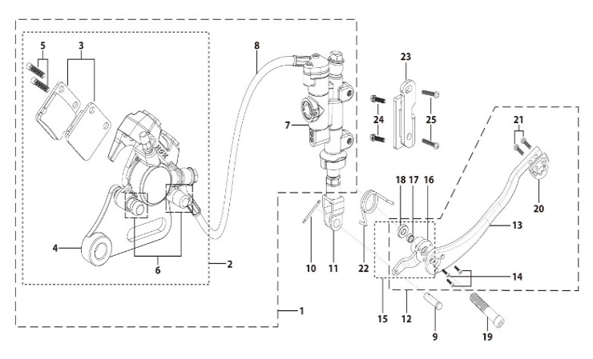
N° | Ref. | Description | Français | Picture | Qty/Bike | Rep. Pst.
1 | YC110-1212-09 | Rear brake aasy 1 piston W/T asbestos d10mm/d10mm L=535mm 2023 DOT4 | Kit frein arriere 1 piston avec gaine plastic SANS AMIANTE d10mm/d10mm L=535mm 2023 |  | 1
2 | YC110-1201-07 | Rear Caliper 1 pistons d10 | étrier frein arrière 1 piston d10 |  | 1
3 | YC110-1204-02 | Friction pad for 1 piston brake w/t abestos with copper substrate SP2 | plaquette frein arrière 1 piston AMIANTE SP2 |  | 2
4 | YC110-1201-09 | Rear brake bracket SP3 | patte fixation étrier frein arriere SP3 |  | 1
5 | YC110-0555 | caliper screw for front brake L=50mm Army green | vis plaquette frein avant L=50mm |  | 2
6 | YC110-120110 | rubber for rear caliper | jeu de caoutcgouc d'etrier frein arriere |  | 1
7 | YC110-1201024 | Rear reservoir d10mm（with stick L=42.5mm） | maitre cylindre frein arrière avec embout durite d10mm （with stick L=42.5mm） |  | 1
8 | YC110-1201050-01 | Oil steel tube L=535mm d10mm/d10mmBIGY-SM190 oil connection 85° | Durite frein arrière L=535mm d10mm/d10mm BIGY-SM190 |  | 1
9 | GB882-d7x19-W | Pin shaft d7mmx19mm | axe d7mmx19mm |  | 1
10 | GB91-d1.6x16-W | Split pin d1.6mmx16mm | Goupille d1.6mmx16mm |  | 1
11 | YC110-1232-01 | Brake Clevis | Embout Maitre Cylindre de Frein Arriere |  | 1
12 | YC110-219-03 | complete brake pedal CNC -20mm (WITH：YC110-1223-02 2EA+BT08-M6x25 2EA+YC110-1222-01 1EA+GB70.1-M10x35-W 1EA+GB70-M5x10 3EA+FB20-10x14x2-W 1EA） | Pedale de frein complete CNC-20mm (WITH：YC110-1223-02 2EA+BT08-M6x25 2EA+YC110-1222-01 1EA+GB70.1-M10x35-W 1EA+GB70-M5x10 3EA+FB20-10x14x2-W一个） |  | 1
14 | GB70-M5x12 | HEXAGON SOCKET Head Bolt, stainless steel, M5x12mm | Vis Allen (BTR)inox, M5x12mm |  | 3
15 | YC110-1222-01 | Brake pedal fixation for Aluminium pedal with bearing Black | Cylindre pédale de frein Aluminium "externe" Noir avec roulements |  | 1
19 | GB70.1-M10x35-B | Nut for brake pedal M10x35mm Black | vis pour pédale frein M10x35mm Noir |  | 1
20 | YC110-1223-02 | Aluminium brake pedal end cap 2020 | embout pédale de frein Aluminium 2020 |  | 1
21 | BT08-M6x16-W | HEXAGON Torx screw with Flange M6x16mm | Vis HEXAGONALE Torx avec Flange M6x16mm |  | 2
22 | YC110-21-06 | Spring for ALUMINIUM brake pedal d38 | Ressort pour pédale de frein ALUMINIUM d38 |  | 1
23 | YC110-1215-07 | Mount for rear break reservoir "extern" H=23mm | fixation maitre cylindre frein arriere "externe" H=23mm |  | 1
24 | BT08-M6x16-W | HEXAGON Torx screw with Flange M6x16mm | Vis HEXAGONALE Torx avec Flange M6x16mm |  | 2
25 | BT08-M6x12-W | HEXAGON Torx screw with Flange M6x12mm | Vis HEXAGONALE Torx avec Flange M6x12mm |  | 2
Exhaust system |  |  |  |  |  | AB
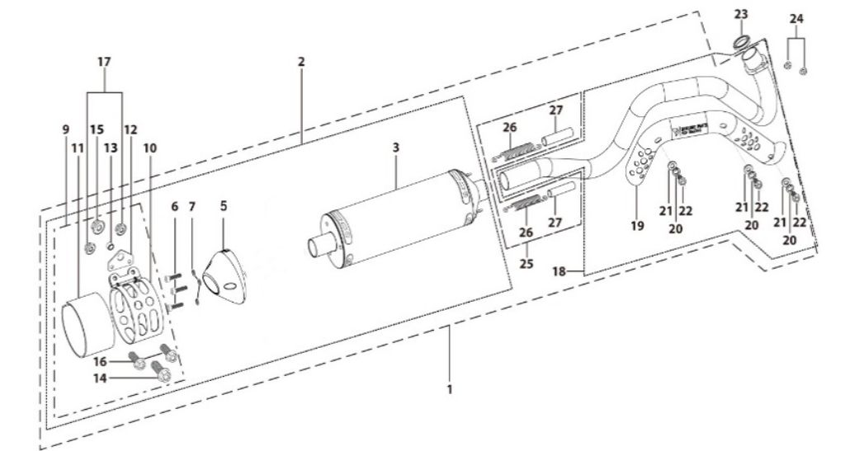
N° | Ref. | Description | Français | Picture | Qty/Bike | Rep. Pst.
1 | YC110-140-0101-GY | Muffler& Exhaust pipe assy RACING BIGYsingle Muffler Logo+NK 2025 Grey | Echapement Racing Complet YCF RACING BIGY Simple Logo+NK 2025 Gris |  | 1
2 | YC110-13014-04-GY | Muffler RACING (2 springs) Logo+NK 2025 Grey | silencieux YCF SP3 RACING Logo+NK 2025 Dris |  | 1
5 | YC110-13-35 | Muffler end cap SPII | Embout silencieux racing SPII |  | 1
6 | GB70-M5x18-W | HEXAGON SOCKET Head Bolt,steel, M5x18mm | Vis Allen (BTR),acier, M5x18mm |  | 3
7 | GB93-d5 | Spring Lock Washers d5mm inox | Rondelle a ressort d5mm inox |  | 3
9 | YC110-1307-05 | Hoop for muffler BIGY F150MX/190MX (With:YC110-1328-02 1EA+BT08-M8x20-W 1EA+BT08-M6x16-W 2EA) | Attache silencieux BIGY F150 MX / 190MX (With:YC110-1328-02 1EA+BT08-M8x20-W 1EA+BT08-M6x16-W 2EA) |  | 1
14 | BT08-M8x20-W | HEXAGON Torx screw with Flange M8x20mm | Vis HEXAGONALE Torx avec Flange M8x20mm |  | 1
15 | GB6177-M8-W | HEXAGON FLAT FLANGE NUT M8 steel | Ecrou HEXAGONAL avec Flange M8 acier |  | 1
16 | BT08-M6x16-W | HEXAGON Torx screw with Flange M6x16mm | Vis HEXAGONALE Torx avec Flange M6x16mm |  | 2
17 | GB6177-M6-W | HEXAGON FLAT FLANGE NUT M6 steel | Ecrou HEXAGONAL avec Flange M6 acier |  | 2
18 | YC110-1302-36 | Exhaust pipe with protection plate BIGY-F150 2022 d28/32 | collecteur avec plaque BIGY-F150 2022 d28/32 |  | 1
19 | YC110-1312-09 | Protection for exaust pipe PILOT/SM155/BIGY 2022 | Grille pot PILOT/SM155/BIGY 2022 |  | 1
20 | BT08-M6x10-W | HEXAGON Torx screw with Flange M6x10mm | Vis HEXAGONALE Torx avec Flange M6x10mm |  | 3
21 | GB97-d6-W | Flat washer,steel d6mm | Rondelle plate,acier d6mm |  | 3
22 | GB93-d6 | Spring Lock Washers d6mm inox | Rondelle a ressort d6mm inox |  | 3
23 | 18291/152FMH | Exhaust pipe washer d33mmxd24.5mmx5mm | joint pot d33mmxd24.5mmx5mm |  | 1
24 | GB6187-M6-W | HEXAGON FLAT FLANGE LOCK NUT M6 | Ecrou HEXAGONAL avec Flange autobloquant M6 |  | 2
25 | YC110-13-21 | Muffler spring L=50mm with rubber L=75mm | Ressort pot L=50mm avec le caoutchouc pour silencieux L=75mm |  | 2
Seat & Plastic kit |  |  |  |  |  | AB
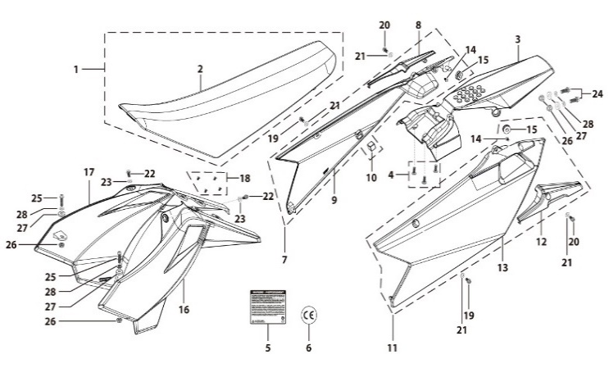
N° | Ref. | Description | Français | Picture | Qty/Bike | Rep. Pst.
1 | YC110-1401-11 | Seat assy BIGY | Selle BIGY |  | 1
2 | YC110-1414-01 | Seat cover BIGY | Housse selle BIGY |  | 1
3 | YC110-14-019-BK | Rear fender BIGY 2025 Black | Garde boue arrière BIGY 2025 Noir |  | 1
4 | DIN7985-M6x12 | Screw M6x12mm inox | Vis M6x12mm inox |  | 3
7 | YC110-14-029-BK | BIGY right side plastic assy 2025 BLACK | plaque latérale droite BIGY 2025 NOIR |  | 1
8 | YC110-1428-02-BK | Handle right side BIGY Black | Poignee plaque laterale droite Bigy |  | 1
10 | YC110-14-03 | Cushion for right side plastic Black | caoutchouc plaque laterale droite Noir |  | 1
11 | YC110-14-049-BK | BIGY left side plastic assy 2025 BLACK | plaque latérale gauche BIGY 2025 NOIR |  | 1
12 | YC110-1429-02-BK | Handle left side BIGY Black | Poignee plaque laterale gauche Bigy |  | 1
...
20 | BT08-M6x16-W | HEXAGON Torx screw with Flange M6x16mm | Vis HEXAGONALE Torx avec Flange M6x16mm |  | 2
21 | GB97-d6-W | Flat washer,steel d6mm | Rondelle plate,acier d6mm |  | 4
22 | FB5787-M5x12-W | hex.Bolt with flanged M5x12mm | Vis M5x12mm |  | 2
23 | GB97-d5-W | Flat washer,steel d5mm | Rondelle plate,acier d5mm |  | 2
24 | BT08-M6x20-W | HEXAGON Torx screw with Flange M6x20mm | Vis HEXAGONALE Torx avec Flange M6x20mm |  | 2
25 | BT08-M6x25-W | HEXAGON Torx screw with Flange M6x25mm | Vis HEXAGONALE Torx avec Flange M6x25mm |  | 2
26 | GB6177-M6-W | HEXAGON FLAT FLANGE NUT M6 steel | Ecrou HEXAGONAL avec Flange M6 acier |  | 2
27 | YC110-03-01 | Rubber washer d6mmxd18mmx4mm for seat fixation on subframe | joint caoutchouc d6mmxd18mmx4mm pour fixation selie sur boucle acier |  | 4
28 | GB96-d6-W | Flat washer,steel d6mm | Rondelle plate,acier d6mm |  | 4
ELECTRIC |  |  |  |  |  | AB
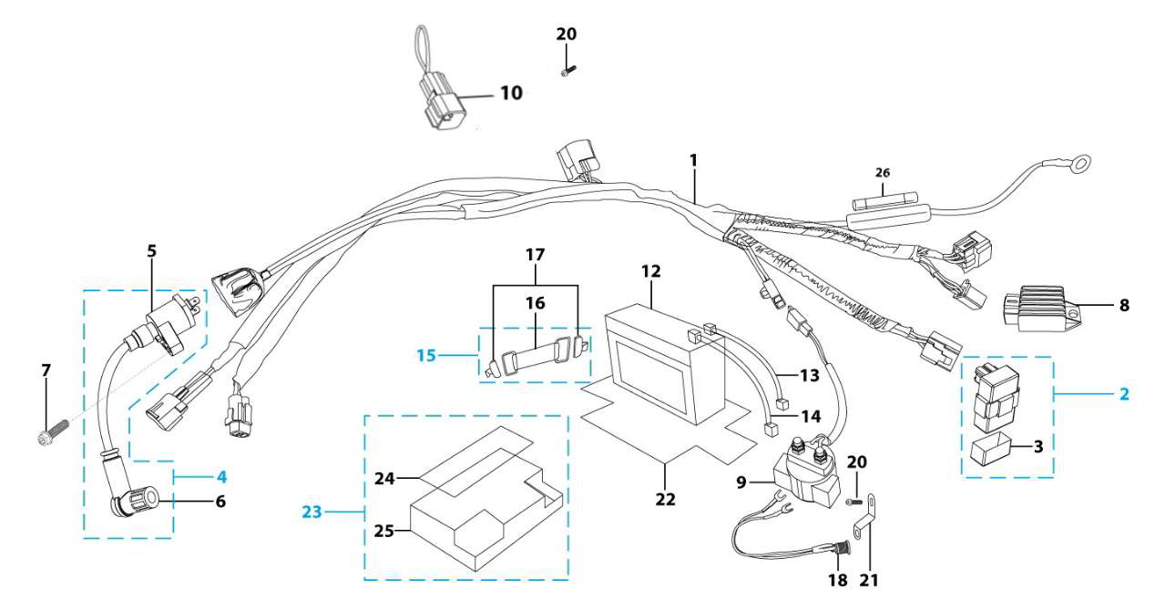
N° | Ref. | Description | Français | Picture | Qty/Bike | Rep. Pst.
1 | YC110-1501-2001 | Wire harness Electric start engine 2022 L=650mm Ignitor coil L=280mm rectifier L=190mm | Faisceaux éléctrique 2022 L=650mm bobine haute tension L=280mm ，Rectificateur L=190mm, |  | 1
2 | YC110-1503 | CDI Ignitor assy. | CDI Ignitor assy. |  | 1
4 | YC110-1504-07 | Ignitor coil L=350mm | bobine haute tension L=350mm |  | 1
5 | YC110-1504 | Ignitor coil | bobine haute tension (sans anti parasite) |  | 1
6 | YC110-1505 | anti interference red | anti parasite rouge |  | 1
7 | BT08-M6x20-W | HEXAGON Torx screw with Flange M6x20mm | Vis HEXAGONALE Torx avec Flange M6x20mm |  | 1
8 | YC110-1502-02 | rectifier Yx150-3 /150-2 ELECTRIC START | Rectificateur Yx150-3 /150-2 ELECTRIC START |  | 1
9 | YC50-1510 | relay 50CC | Relais demarreur 50CC |  | 1
10 | YC110-1563-01 | Chunt waterproof | Chunte waterproof |  | 1
...
13 | YC110-1517-04 | Battery cable L=340mm RED 2020 | Cable pour Chargeur Batterie L=340mm ROUGE 2020 |  | 1
14 | YC110-1516-05 | Battery cable L=230mm Black 2020 | Cable pour Chargeur Batterie L=230mm Noir 2020 |  | 1
15 | YC110-1508-03 | Rubber band battery holder assy | Bande caoutchouc pour maintien batterie complete |  | 1
18 | YC110-1513-0301 | Charger connexion F88se/F125se Comes with waterproof rubber plug | Connection chargeur F88se/F125se Livré avec bouchon adhésif imperméable |  | 1
20 | BT08-M6x10-W | HEXAGON Torx screw with Flange M6x10mm | Vis HEXAGONALE Torx avec Flange M6x10mm |  | 1
21 | YC110-1545-01 | STEEL SUPPORT Charger connexion F88se/F125se Black | Support prise chargeur F88se/F125se Noir |  | 1
22 | YC110-1523-01 | Battery protection 117mmx75mmx87mm | Protection Batterie 117mmx75mmx87mm |  | 1
23 | YC110-1561 | Battriy cover with sticker | Couvre batterie avec sticker |  | 1
26 | YC50-1547-01 | Fuse 50A d6mmx30mm F15AL250V | Fusible YCF50A d6mmx30mm F15AL250V |  | 1
Frame |  |  |  |  |  | AB
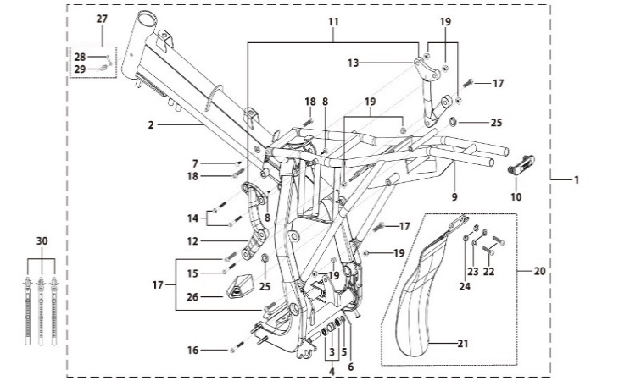
N° | Ref. | Description | Français | Picture | Qty/Bike | Rep. Pst.
1 | YC110-1621-0501-BK | Complete frame BIGY 2020 swing arm axle d15 mm | Cadre complet BIGY 2020 axe bras d15 mm |  | 1
2 | YC110-1601-0401-BK | Chromoly steel frame BIGY 2020 Black swing arm axle d15 mm | Cadre acier chromoly BIGY 2020 Noir axe bras d15 mm |  | 1
3 | YC110-2201-02 | YCF Chain tensioner component Nylon 2020 | Roulette chaine YCF 2020 Nylon |  | 1
5 | GB97-d10-W | Flat washer,steel d10mm | Rondelle plate,acier d10mm |  | 1
6 | GB91-d2x25-W | Split pin d2.0mmx25mm | Goupille d2.0mmx25mm |  | 1
7 | YC110-1607-02 | Inverse tooth gel nail | Caps pour cadre |  | 1
8 | YC110-1607-03 | Inverse tooth gel nail | Caps pour cadre |  | 2
9 | YC110-1614-09-BK | REAR FRAME PART STEEL BIGY-125se 2017 | Boucle arriere BIGY avec support batterie |  | 1
10 | YC110-1633-0101 | Rubber plug for SUBFRAME part BIGY | Embout Caoutchouc YCF boucle arriere BIGY |  | 1
...
19 | GB6183-M8-Cr | Flanged nylon lock nut M8 Blue nylon chrome plated | Nylon de verrouillage en flange M8 Nylon Bleu Nylon |  | 8
20 | YC110-0460-01 | Complete Rear shock absorber rubber protection | Bavette caoutchouc Complete |  | 1
22 | BT08-M6x20-W | HEXAGON Torx screw with Flange M6x20mm | Vis HEXAGONALE Torx avec Flange M6x20mm |  | 2
23 | GB96-d6-W | Flat washer,steel d6mm | Rondelle plate,acier d6mm |  | 2
24 | YC110-03-01 | Rubber washer d6mmxd18mmx4mm for seat fixation on subframe | joint caoutchouc d6mmxd18mmx4mm pour fixation selie sur boucle acier |  | 2
25 | YC110-1404-01 | Rubber plug Hoop for muffler d8.2mmxd20.2mmx9mm Black | caoutchouc plaque laterale d8.2mmxd20.2mmx9mm Noir |  | 2
26 | YC110-1634-01 | Cover rubber for left muffler connexionBIGY | Cache Caoutchouc Connexion Silencieux Gauche Bigy |  | 1
27 | YC110-1635 | Complete grease nozzle | Buse à graisse complète |  | 1
30 | YC110-01-08-BK | Cable tie, PA66 L=80mm ADJUSTABLE Black | Collier maintien cable,PA66 L=80mm ADJUSTABLE Noir |  | 3
FRONT SPROCKET PROTECTION |  |  |  |  |  | AB
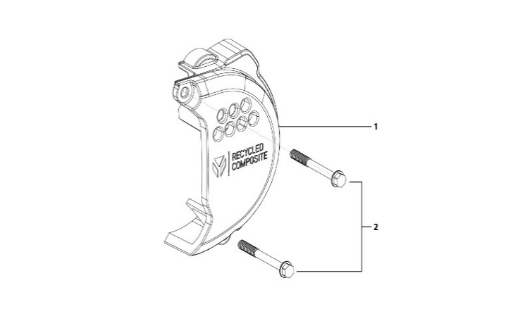
N° | Ref. | Description | Français | Picture | Qty/Bike | Rep. Pst.
1 | YC110-1803-05-BK | YCF BI-MATERIEL Front Sprocket plastic cover | Protection COMPOSITE YCF PSB |  | 1
2 | GB5787-M6x35-Cr | HEXAGON screw with Flange M6x35mm Cr | Vis HEXAGONALE avec Flange M6x35mm Cr |  | 2
GRAPHICS |  |  |  |  |  | AB
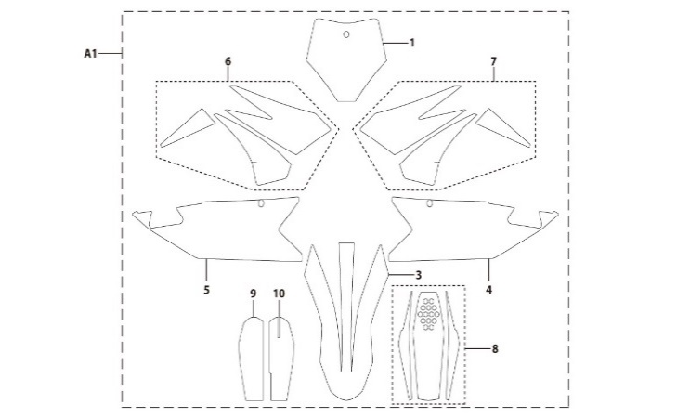
N° | Ref. | Description | Français | Picture | Qty/Bike | Rep. Pst.
A1 | KD-25-BIGY-F150E-STD-XL | BIGYFACTORYF150MXcompletegraphickit2025 | KitdecocompletBIGYFACTORYF150MX2025 |  | 1
ENGINES |  |  |  |  |  | AB
N° | Ref. | Description | Français | Picture | Qty/Bike | Rep. Pst.
1 | MOTEUR150-2E | ENGINE 150-2 ELECTRIC START | MOTEUR 150 TYPE KLX DEMARREUR ELECTRIQUE |  | 1
2 | YC110-27400-01 | STEEL KICK YCF 2025 BIG HOLE | KICK ACIER 2025 GROS DIAMETRE SILVER |  | 1
3 | BT08-M8x25-W | HEXAGON Torx screw with Flange M8x25mm | Vis HEXAGONALE Torx avec Flange M8x25mm |  | 1
4 | 24700/152FMH/04 | Gearshift Pedal | SELECTEUR |  | 1
5 | BT08-M6x20-W | HEXAGON Torx screw with Flange M6x20mm | Vis HEXAGONALE Torx avec Flange M6x20mm |  | 1
CARTONS - CAISSES MOTOS |  |  |  |  |  | AB
...

