25-SM155-STD
BIKE CODE FOR ORDERS |  | 25-SM-155-STD | BIKE DESCRIPTION NAME | YCF 25-SM-155 2025 | CONTROL STATUS
EFFECTED DATE(D/M/Y) |  | 17/12/2024 | VERSION | 2025A0
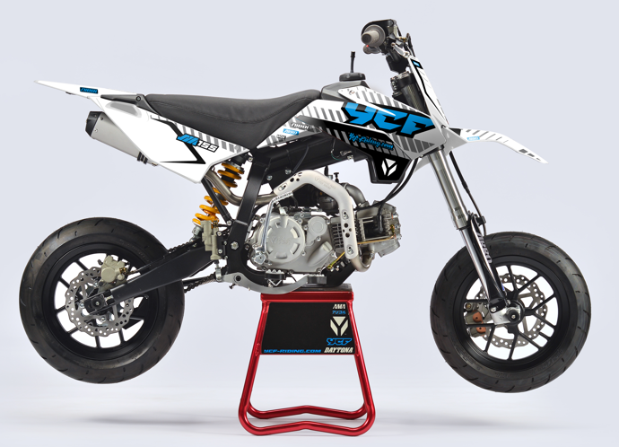
Handle bar assembly |  |  |  |  |  | AB
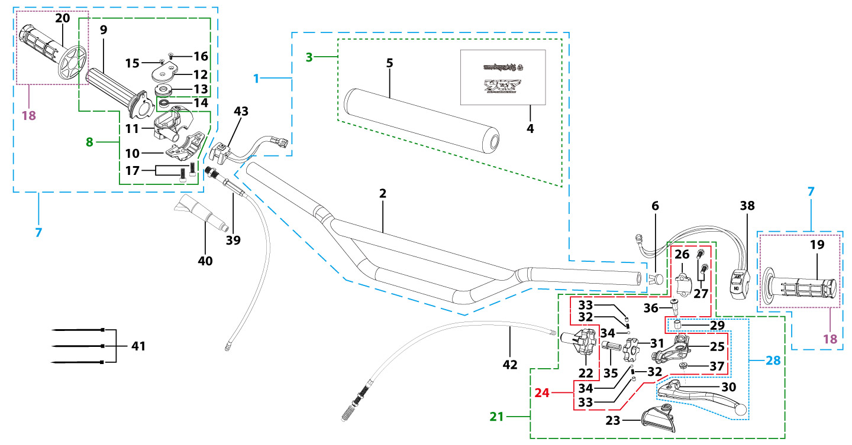
N° | Ref. | Description | Français | Picture | Qty/Bike | Rep. Pst.
2 | YC110-0101-36-BK | Handle Bar chromoly Low H=55mm L=760mm d=22.2mm with cross bar, embossed, Black | Guidon Chromolly bas H=55mm L=760mm d= 22,2mm avec barre, stries, Noir |  | 1
3 | YC110-0131-03 | Complete Bar Pad for Chromolly Handlebar L=200mm SP2 Black-WHITE | Mousse guidon complete pour guidon Chromolly L=200mm SP2 Noir-BLANC |  | 1
6 | YC110-0153-01 | Handle bar plastic cap,Nylon,Black | Embout plastique de guidon,nylon,Noir |  | 1
7 | YC110-0138-03 | Complete Throttle Assy. (Without adjusting bolts)+set of grip ( YCF LOGO) GREY | Poignee gaz complete YCF 2020 avec Paire de poignée YCF GRIS 2020 |  | 1
15 | GB819-M4x14 | Countersunk cross head machine screw,stainless steel, M4x14mm | Vis à tête fraisée plate cruciforme,inox, M4x14mm |  | 1
16 | GB819-M4x20 | Countersunk cross head machine screw,stainless steel, M4x20mm | Vis à tête fraisée plate cruciforme,inox, M4x20mm |  | 1
17 | GB70-M6x25 | HEXAGON SOCKET Head Bolt, stainless steel, M6x25mm | Vis Allen (BTR)inox, M6x25mm |  | 2
18 | PPC011-GY | set of grip 2020 (YCF LOGO) Grey | Paire de poignée caoutchouc 2020 (YCF LOGO) GRISE |  | 1
21 | YC110-0135-02 | clutch adjustable complete bracket with lever 2020 GREY | Cocotte reglage rapide avec levier embrayage 2020 GRIS |  | 1
22 | YC110-0151-03 | Rubber on clutch lever adjustable screw 2020 | Caoutchouc levier embrayage molette reglage2020 |  | 1
23 | YC110-0136-02 | Rubber on clutch lever adjustable START | Caoutchouc levier embrayage reglable START |  | 1
24 | YC110-0134-04 | Clutch bracket Assy Aluminium 2020 GREY | Cocotte embrayage complete 2020 GRIS |  | 1
27 | BT08-M6x20-W | HEXAGON Torx screw with Flange M6x20mm | Vis HEXAGONALE Torx avec Flange M6x20mm |  | 2
28 | YC110-0103-07 | Clutch lever 2020 Aluminium (with FB13-8x10x10.5-Cu 1EA FB13-8x10x9.4-Cu 1EA FB20-10x16x1 1EA) complete with bushings | Levier embrayage 2020 Aluminium (avec FB13-8x10x10.5-Cu 1EA FB13-8x10x9.4-Cu 1EA FB20-10x16x1 1EA) avec entretoises |  | 1
36 | 27-06025B | Hex.bolt with flanged M6x25mm (Step M8x13mm) | vis M6x25mm (deport M8x13mm) |  | 1
37 | GB6187-M6-W | HEXAGON FLAT FLANGE LOCK NUT M6 | Ecrou HEXAGONAL avec Flange autobloquant M6 |  | 1
38 | YC110-0105-15 | Kill Switch ON/OFF L=580mm Waterproof | Coupe circuit on off L=580mm ETANCHE |  | 1
39 | YC110-0106 | Throttle Cable L=840mm A+B=120mm | Cable gaz L=840mm A+B=120mm |  | 1
40 | YC110-0143-01 | Rubber on trottle cable | Protection caoutchouc cable de gas |  | 1
41 | YC110-01-03-BK | Cable tie,nylon, L=150mm Black | collier maintien cable, nylon, L=150mm Noir |  | 3
42 | YC110-0107-13 | Clutch Cable Assy. L=900mm A+B=75mm, non-adjustable | Cable embrayage L=900mm A+B=75mm,Non réglable |  | 1
Steering stem assembly |  |  |  |  |  | AB

N° | Ref. | Description | Français | Picture | Qty/Bike | Rep. Pst.
1 | YC110-02-053-BK | Complete Triple Clamp L=160mm Steering stem=233mm SP2 2020 MATT Black | Te Fourche Complet L=160mm colonne direction=233mm SP2 2020 Noir MAT |  | 1
2 | YC110-0201-03 | Steering stem L=233mm | tige colonne direction L=233mm |  | 1
3 | YC110-0202-56-BK | Lower triple clamp L=160mm d48mm H=28mm START/PILOT 2020 MATT Black | té fourche inferieur L=160mm d48mm H=28mm START/PILOT 2020 Noir MAT |  | 1
4 | YC110-0201-56-BK | Top Triple Clamp L=160mm d45mm H=28mm START/PILOT 2022, 3 ADJUSTEBLE POSITIONS,MATT Black | té fourche supérieur L=160mm d45mm H=28mm START/PILOT 2022, REGLAGE 3 POSITIONS,Noir MAT |  | 1
5 | YC110-0203-035 | Set of Bar mount d22.2mm /H=top 18mm+bottom 55mm START 2020(with GB70-M10x50x1.5W 2EA+BT08-M8x30-W 4EA)Black | jeu pontet guidon d22.2mm /H=supérieur 18mm+inferieur 55mm START 2020(avec GB70-M10x50x1.5W 2EA+BT08-M8x30-W 4EA) Noir |  | 1
6 | YC110-0203-32 | Lower Bar Mount CNC d=22.2mm H=55mm START 2020 Black | Pontet guidon inférieur d=22.2mm H=55mm START 2020 Noir |  | 2
7 | YC110-0201-02 | Top Bar Mout CNC d=22.2 mm H=18mm START 2020 Black | pontet guidon supérieur d=22.2mm H=18mm START 2020 Noir |  | 2
8 | BT08-M6x25-W | HEXAGON Torx screw with Flange M6x25mm | Vis HEXAGONALE Torx avec Flange M6x25mm |  | 8
9 | BT08-M8x30-W | HEXAGON Torx screw with Flange M8x30mm | Vis HEXAGONALE Torx avec Flange M8x30mm |  | 4
10 | GB70-M10x50x1.5-W | HEXAGON SOCKET Head Bolt,steel, M10x50mmx1.5mm | Vis Allen (BTR),acier, M10x50mmx1.5mm |  | 2
11 | YC110-0212-07-WH | Complete Front Number Plate PP SP 2025 WHITE | PLAQUE AVANT complete PP SP 2025 BLANC |  | 1
13 | BT08-M6x12-W | HEXAGON Torx screw with Flange M6x12mm | Vis HEXAGONALE Torx avec Flange M6x12mm |  | 1
14 | GB97-d6-W | Flat washer,steel d6mm | Rondelle plate,acier d6mm |  | 1
15 | GBT5787-M6x16-6-W | Hex. Bolt with flanged M6x16mm (step 6mm) steel | Vis avec epaulement M6x16mm (deport 6mm) acier |  | 1
16 | YC110-0213-12 | Front plastic plate to hold cables 75mmx80mm | Plaque avant plastique maintien cables 75mmx80mm |  | 1
17 | YC110-0213-08 | Number plate bracket 18mmx55mm START 2014 | support plaque avant 18mmx55mm START 2014 |  | 1
18 | YC110-0214-01-WH | Complete Break Line Retainer (with GB818-M4x10-W 2EA+GB97-d4-W 2EA) White | guide durite avec vis sur plaque avant complet (avec GB818-M4x10-W 2EA+GB97-d4-W 2EA) Blanc |  | 1
20 | GB97-d4-W | Flat washer,steel d4mm | Rondelle plate,acier d4mm |  | 2
21 | GB818-M4x10-W | Pan / Round head cross machine screw M4x10mm | Vis à tête ronde cruciforme M4x10mm |  | 2
22 | KRDIRECTION46 | set of bearing for steering 46/23.5、46/22 | Kit rlt colonne direction 46/23.5、46/22 |  | 1
25 | YC110-02-09 | Top nut for steering,steel, d=54.5mm | écrou crantellé colonne direction steel d=54.5mm |  | 1
26 | YC110-02-10 | Washer for steering stem nut, stainless steel, d22mmxd37mmx0.7mm | joint colonne direction,inox, d22mmxd37mmx0.7mm |  | 1
27 | YC110-02-11 | Nut for steering stem,steel, M22x1.0mm | écrou supérieur colnne direction ,acier, M22x1.0mm |  | 1
28 | YC110-01-08-BK | Cable tie, PA66 L=80mm ADJUSTABLE Black | Collier maintien cable,PA66 L=80mm ADJUSTABLE Noir |  | 2
29 | YC110-02-20 | Washer for steering stem nut d22mm (top)/d24mm (bottom)-d47mm | Joint pour colonne direction d22mm (haut)/d24mm (bas) -d47mm |  | 1
Front Fender |  |  |  |  |  | AB

N° | Ref. | Description | Français | Picture | Qty/Bike | Rep. Pst.
1 | YC50-031-01-WH | Front Fender PP YCF50 2020 WHITE | Gb avant PP YCF50 2020 BLANC |  | 1
3 | GBT5787-M6x16-6-W | Hex. Bolt with flanged M6x16mm (step 6mm) steel | Vis avec epaulement M6x16mm (deport 6mm) acier |  | 3
4 | GBT5787-M6x16-3-W | HEXAGON screw with Flange with half thread M6x16mmx3mm | Vis HEXAGONALE avec Flange et deport M6x16mmx3mm |  | 2
Front & Rear absorber |  |  |  |  |  | AB
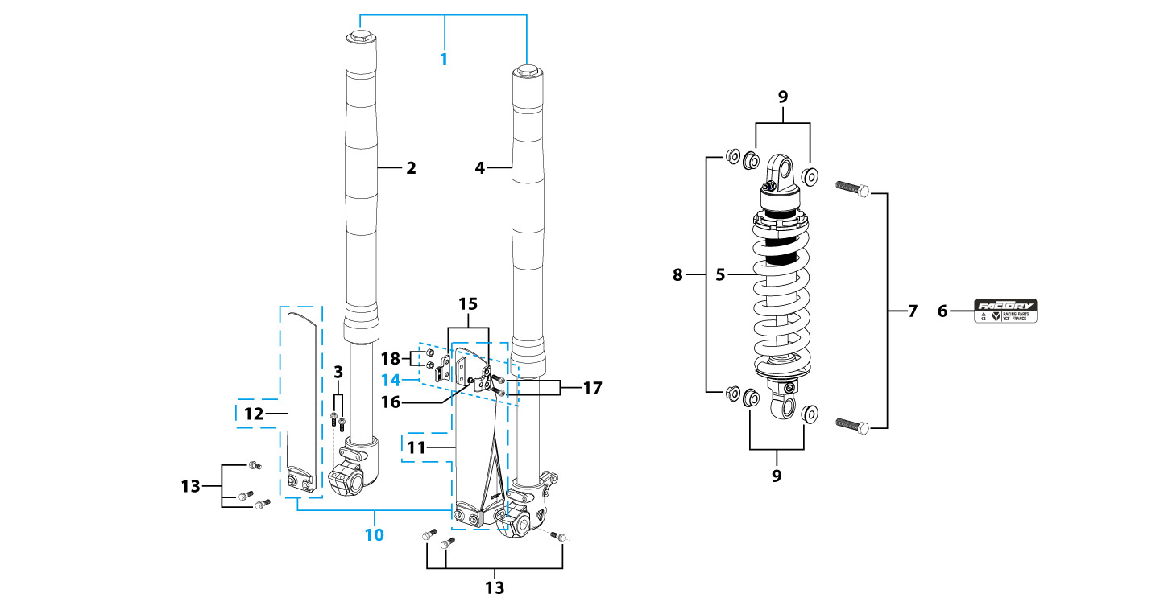
N° | Ref. | Description | Français | Picture | Qty/Bike | Rep. Pst.
1 | YC110-0400-42-GY | Pair of forks ZC L=735mm (ADJUSTABLE COMPRESSION) GREY | Jeu de fourches ZC COMPRESSION REGLABLE L=735mm GRIS |  | 1
2 | YC110-0401-42-GY | Front right fork L=735mm SM150 2020 (ADJUSTABLE COMPRESSION) TITAN cylinder, Chrome tube, MATT silver base | Tube fourche droit ZC COMPRESSION REGLABLE L=735mm GRIS 2020 |  | 1
3 | BT08-M6x30-W | HEXAGON Torx screw with Flange M6x30mm | Vis HEXAGONALE Torx avec Flange M6x30mm |  | 2
4 | YC110-0402-42-GY | Front left fork ZC(ADJUSTABLE COMPRESSION) L=735mm GREY 2020 | Tube fourche gauche ZC COMPRESSION REGLABLE L=735mm GRIS 2020 |  | 1
5 | YC110-0404-17 | Shock absorber GP 107 310mmx800lbs YELLOW | Amortisseur GP 107 310mmx800lbs JAUNE |  | 1
7 | GB5789-M12x50-W-1.25 | HEXAGON screw with Flange M12x1.25x50mm | Vis HEXAGONALE avec Flange M12x1.25x50mm |  | 2
8 | GB6183-M12x1.25-Cr | Flanged nylon lock nut M12x1.25 Blue nylon chrome plated | Nylon de verrouillage en flange M12x1.25 Nylon Bleu Nylon |  | 2
9 | YC110-0417-02 | Shock top spacer d12mmxd16mmxd10mm T=2mm KKE | Entretoise haut amortisseur d12mmxd16mmxd10mm T=2mm KKE |  | 4
10 | PFYCF12-BK | 735mm set of fork protection PP L=285mm Black | 735mm Jeu protection fourche PP L=285mm Noir |  | 1
13 | GBT5787-M6x14-5-W | Hex. Bolt with flanged M6x14mm (step 5 mm) steel | Vis avec epaulement M6x14mm (deport 5 mm ) acier |  | 6
14 | YC110-0403-05 | Complete Oil steel line retainer on left front fork PP START Black | Complet Passe durite sur protection fourche gauche PP START Noir |  | 1
17 | BT08-M6x20-W | HEXAGON Torx screw with Flange M6x20mm | Vis HEXAGONALE Torx avec Flange M6x20mm |  | 2
18 | GB6170-M6-W | HEXAGON Nut M6mm steel | Ecrou HEXAGONAL M6mm acier |  | 2
Front Brake Assy |  |  |  |  |  | AB

N° | Ref. | Description | Français | Picture | Qty/Bike | Rep. Pst.
1 | YC110-0501-1901 | Front brake assy 2 pumps L=1110mm d10mm/d10mm w/t asbestos 2020 | Kit frein avant 2 pistons avec gaine plastic Noire L=1110mm d10mm/d10mm sans amiante 2020 |  | 1
2 | YC110-0501-0104-03 | Front Brake Reservoir for 2 pump piston d10mm PILOT 2020 | Maitre cylindre frein avant pour étrier 2 pistons d10mm PILOT 2020 |  | 1
3 | YC110-0517-01 | Front brake lever for 2 pump brake adjustable | levier frein ajustable |  | 1
4 | HB06-M6x30-G | Hex.bolt with flanged M6x30mm (Step M8x15mm) front front brake lever | vis M6x30mm (deport M8x15mm) |  | 1
5 | GB6184-M6-G | HEXAGON FLAT NYLON LOCK NUT M6-G | Ecrou HEXAGONAL autobloquant nylon M6-G |  | 1
6 | YC110-0515-01 | rubber for brake lever | caoutchouc levier frein avant |  | 1
8 | BT08-M6x20-W | HEXAGON Torx screw with Flange M6x20mm | Vis HEXAGONALE Torx avec Flange M6x20mm |  | 2
9 | YC110-0501-0326 | Front brake oil steel line L=1110mm d10mm/d10mm Black 2020 | Durite frein avant L=1110mm d10mm/d10mm Noir 2020 |  | 1
10 | YC110-0501-0205 | Front Brake caliper for 2 pump w/t abestos d10mm | étrier frein avant double pistons sans amiante d10mm |  | 1
11 | YC110-0501-0403 | Front Brake pads for double pump brake with copper substrate PILOT | jeu plaquette frein avant pour frein 2 pistons SANS AMIANTE PILOT |  | 2
12 | YC110-1255-03 | caliper screw for front brake L=45mm Army green | vis plaquette frein avant L=45mm |  | 2
13 | YC110-0501-030 | Bracket for front brake 2 pumps | patte frein avant etrier 2 pistons |  | 1
14 | BT08-M6x35-W | HEXAGON Torx screw with Flange M6x35mm | Vis HEXAGONALE Torx avec Flange M6x35mm |  | 2
Front Wheel Assy |  |  |  |  |  | AB
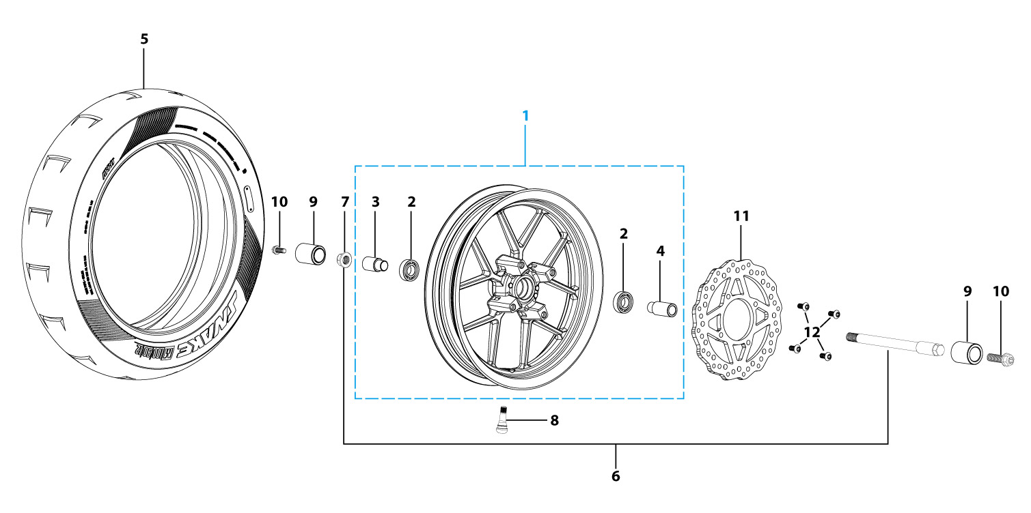
N° | Ref. | Description | Français | Picture | Qty/Bike | Rep. Pst.
1 | YC110-0602-0901-BK | YCF supermoto wheel Front 2.15x12' 2024 BLACK (without disk) with fixed spacers | Roue 2.15x12' avant 2024 NOIR YCF (sans disque) avec entretoises fixes |  | 1
2 | 6003 | Ball bearing NTN 6003 d35mmxd17mmx10mm | Roulement roue NTN 6003 d35mmxd17mmx10mm |  | 2
3 | YC110-0609-15-GY | Front wheel spacer right, 7075, d15mmxd22mmx24mm with STEP d15mmxd17mmx15mm And d15mmx19.4mmx4mm MATT GREY | Entretoise roue avant droite,7075 , d15mmxd22mmx24mm avec epaulement d15mmxd17mmx15mm And d15mmx19.4mmx4mm GRIS MAT |  | 1
4 | YC110-0610-15-GY | Front wheel spacer left 7075 d15mmxd22mmx34mm with STEP d15mmxd17mmx15mm MATT GREY | Entretoise roue avant gauche 7075 d15mmxd22mmx34mm avec epaulement d15mmxd17mmx15mm GRIS MAT |  | 1
5 | 110/70-12K702 | KENDA K702 Front tyre 110/70/12' | pneu KENDA K702 110/70/12' |  | 1
6 | YC110-06-062-M8 | Front Axle L=215 mm with holes M8 with Self-locking nut M14 for SM bikes d=15mm | axe de roue avant L=215mm perces avec trous M8, avec ecrou M14 pour supermoto d=15mm |  | 1
7 | GB6187-M14-W | HEXAGON FLAT FLANGE LOCK NUT M14 steel | Ecrou HEXAGONAL avec Flange autobloquant M14 acier |  | 1
8 | TR413 | Inner tube valve Copper | Vanne à tube interne Cuivre |  | 1
9 | YC110-30-1 | Teflon SM wad SM125/SM150 d=9mm | Tampon teflon pour axe avant / arriere SM125/SM150 d=9mm |  | 2
10 | BT08-M8x25-W | HEXAGON Torx screw with Flange M8x25mm | Vis HEXAGONALE Torx avec Flange M8x25mm |  | 2
11 | YC110-1115-07 | Front disk d220mm (Screw hole d10.5mm) 2020 | disque frein avant d220mm (Trou de vis d10.5mm) 2020 |  | 1
16 | GB70.2-M8x25-4 | Pan head hexagon screw M8x25mm（STEP d9.8mmx3.5mm) inox | Vis à tête ronde Allen (BTR) M8x25mm（STEP d9.8mmx3.5mm) inox |  | 4
Fuel Tank |  |  |  |  |  | AB
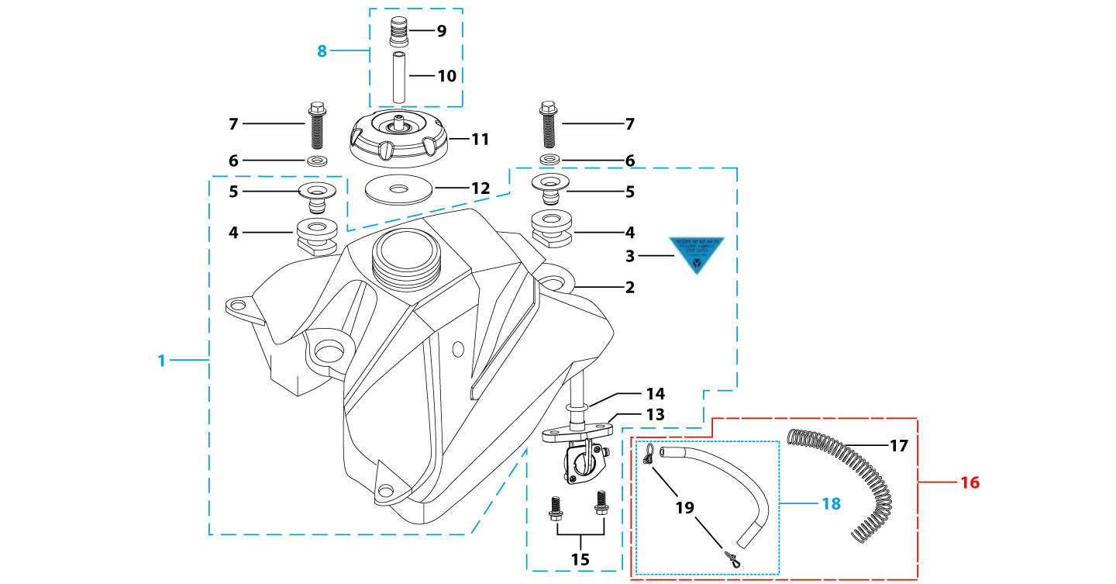
N° | Ref. | Description | Français | Picture | Qty/Bike | Rep. Pst.
1 | YC110-0701-02 | Complete fuel tank suitable for pre bikes START125 2025 with grain (with YC110-07-01 2EA+YC110-07-02 2EA+YC110-1910 1EA) | Reservoir complet (Adaptable pour motos avant) START125 2025 avec finition granulee(with YC110-07-01 2EA+YC110-07-02 2EA+YC110-1910 1EA) |  | 1
6 | GB96-d8-W | Flat washer,steel d8mm | Rondelle plate,acier d8mm |  | 2
7 | BT08-M8x30-W | HEXAGON Torx screw with Flange M8x30mm | Vis HEXAGONALE Torx avec Flange M8x30mm |  | 2
8 | YC125-0704-BK | Fuel tank valve complete L=40mm Black | Valve prise air complete L=40mm Noir |  | 1
11 | YC110-0702-01 | Tank cap plastic Ventilator d3mm | Bouchon reservoir plastique YCF d3mm |  | 1
13 | YC110-0703 | Fuel cock assy. | robinet essence |  | 1
15 | BT08-M6x16-W | HEXAGON Torx screw with Flange M6x16mm | Vis HEXAGONALE Torx avec Flange M6x16mm |  | 2
16 | YC110-0706 | fuel tank rubber line spring d4.5mmxd8.5mmx210mm | durite reservoir avec ressort d4.5mmxd8.5mmx210mm |  | 1
Air Filter |  |  |  |  |  | AB
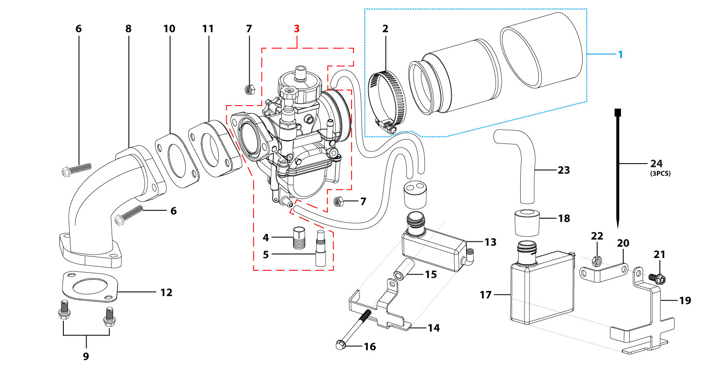
N° | Ref. | Description | Français | Picture | Qty/Bike | Rep. Pst.
1 | YC110-0802-09 | YCF air filter blue d45mm twin thickness(for NIBBI) assy | Filtre a air YCF bleu d45mm bi-matiere (pour carburateur NIBBI) assemble |  | 1
2 | YC110-0805-03 | Holding ring d32mm-d50mm | collier FILTRE d32mm-d50mm |  | 1
3 | PE24SP | NIBBI Carburetor PE24SP | NIBBI Carburetor PE24SP |  | 1
4 | LK-PE-98 | Main Jet 98 PE Nibbi | Gicleur principal 98 PE Nibbi |  | 1
5 | LK-FLK-40 | Slow Jet 40 FLK Nibbi | Gicleur ralenti 40 FLK Nibbi |  | 1
6 | BT08-M6x35-W | HEXAGON Torx screw with Flange M6x35mm | Vis HEXAGONALE Torx avec Flange M6x35mm |  | 2
7 | GB6170-M6-W | HEXAGON Nut M6mm steel | Ecrou HEXAGONAL M6mm acier |  | 2
8 | 15800-JE15-0300 | Inlet Pipe 150ZS | PIPE ADMISSION 150ZS |  | 1
9 | BT08-M6x20-W | HEXAGON Torx screw with Flange M6x20mm | Vis HEXAGONALE Torx avec Flange M6x20mm |  | 2
10 | 17332 | carburettor paper gasket d28mm | joint papier carburateur d28mm |  | 1
11 | F00C039 | carburettor isolating gasket d27.5mm | joint plastique carburateur d27.5mm |  | 1
12 | 17332/152FMH01 | Intake Gasket | JT PAPIER PIPE ADMISSION |  | 1
13 | YC110-83 | Steel gas recuperator support Black | PATTE DE RECUPERATEUR ESSENCE |  | 1
14 | FB13-8.5x10x17 | Front Number plate spacer (Top) d8.5mmx10mmx17mm | entretoise Plaque numero avant (Haut) d8.5mmxd10mmx17mm |  | 1
15 | BT08-M6x35-W | HEXAGON Torx screw with Flange M6x35mm | Vis HEXAGONALE Torx avec Flange M6x35mm |  | 1
16 | YC110-80-BK | Gas tank (small) | Bac Recuperateur essence (petit) |  | 1
18 | YC110-8201-BK | Oil and / gas tank (big) | Bac Recuperateur essence / huile (grand) |  | 1
22 | YC110-87 | SM oil recuperator support Black | SM PATTE DE RECUPERATEUR HUILE |  | 1
23 | YC110-86 | The engine oil recuperator stents stainless steel H=25mm | PATTE DE RECUPERATEUR HUILE Inox H=25mm |  | 1
24 | BT08-M6x12-W | HEXAGON Torx screw with Flange M6x12mm | Vis HEXAGONALE Torx avec Flange M6x12mm |  | 1
25 | GB6177-M6-W | HEXAGON FLAT FLANGE NUT M6 steel | Ecrou HEXAGONAL avec Flange M6 acier |  | 1
26 | YC110-88-01 | waste oil pipe L=250mm | tubes et tuyaux d'huiles usagees L=250mm |  | 1
27 | YC110-01-03-BK | Cable tie,nylon, L=150mm Black | collier maintien cable, nylon, L=150mm Noir |  | 3
Foot Peg assy |  |  |  |  |  | AB
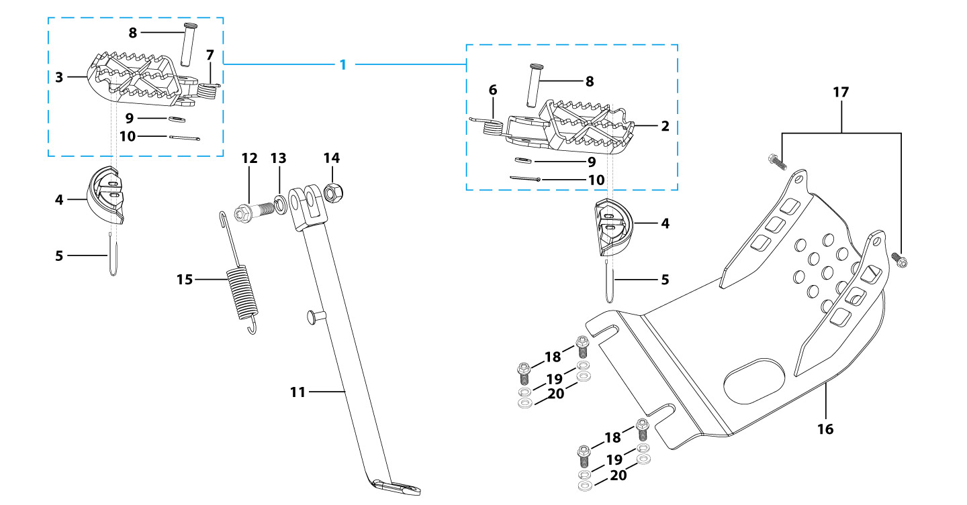
N° | Ref. | Description | Français | Picture | Qty/Bike | Rep. Pst.
1 | YC110-0902-17 | Steel foot pegs set START / PILOT 2022 GREY | Jeu repose pied Acier START / PILOT 2022 GRIS |  | 1
4 | YC110-0920-01 | Footpegs rubber protection | TAMPON TEFLON REPOSE PIED |  | 2
5 | YC110-01-05-BK | Cable tie,nylon, L=350mm Black | colier maintien cable,nylon, L=350mm Noir |  | 2
6 | YC110-09-01 | Spring for right steel foot peg d2mmxd17mmx12mm | ressort repose pied droit acier d2mmxd17mmx12mm |  | 1
7 | YC110-09-02 | Spring for left steel foot peg d2mmxd17mmx12mm | ressort repose pied gauche acier d2mmxd17mmx12mm |  | 1
8 | GB882-d8x43-W | shaft pin for steel footpegs d8mmx43mm | axe repose pied acier d8mmx43mm |  | 2
9 | GB97-d8-W | Flat washer,steel d8mm | Rondelle plate,acier d8mm |  | 2
10 | GB91-d2x25-W | Split pin d2.0mmx25mm | Goupille d2.0mmx25mm |  | 2
11 | YC110-0904-08 | Kick stand L=300mm Black | Bequille L=300mm Noir |  | 1
12 | FB02-M10x1.5x30I | Stepped screw M10x35mm for kick stand (step 1.5) | vis bequille M10x35mm (pas1.5) |  | 1
13 | GB93-d10-W | Spring Lock Washers d10mm | Rondelle a ressort d10mm |  | 1
14 | GB6172-M10-G | HEXAGON Nut M10 for #17 sleeve | Ecrou HEXAGONAL M10 for #17 sleeve |  | 1
15 | YC110-19-01 | spring for kick stand d2.5mmxd15mmx105mm | ressort bequille d2.5mmxd15mmx105mm |  | 1
16 | YC110-207-04 | Engine skid plate Steel SP2 2014 T=3mm Black #2 | SABOT ACIER SP2 2014 T=3mm Noir #2 |  | 1
17 | BT08-M6x16-W | HEXAGON Torx screw with Flange M6x16mm | Vis HEXAGONALE Torx avec Flange M6x16mm |  | 1
18 | BT08-M8x25-W | HEXAGON Torx screw with Flange M8x25mm | Vis HEXAGONALE Torx avec Flange M8x25mm |  | 4
19 | GB93-d8-W | Spring Lock Washers d8mm | Rondelle a ressort d8mm |  | 4
20 | GB97-d8-W | Flat washer,steel d8mm | Rondelle plate,acier d8mm |  | 4
Swing Arm assy |  |  |  |  |  | AB
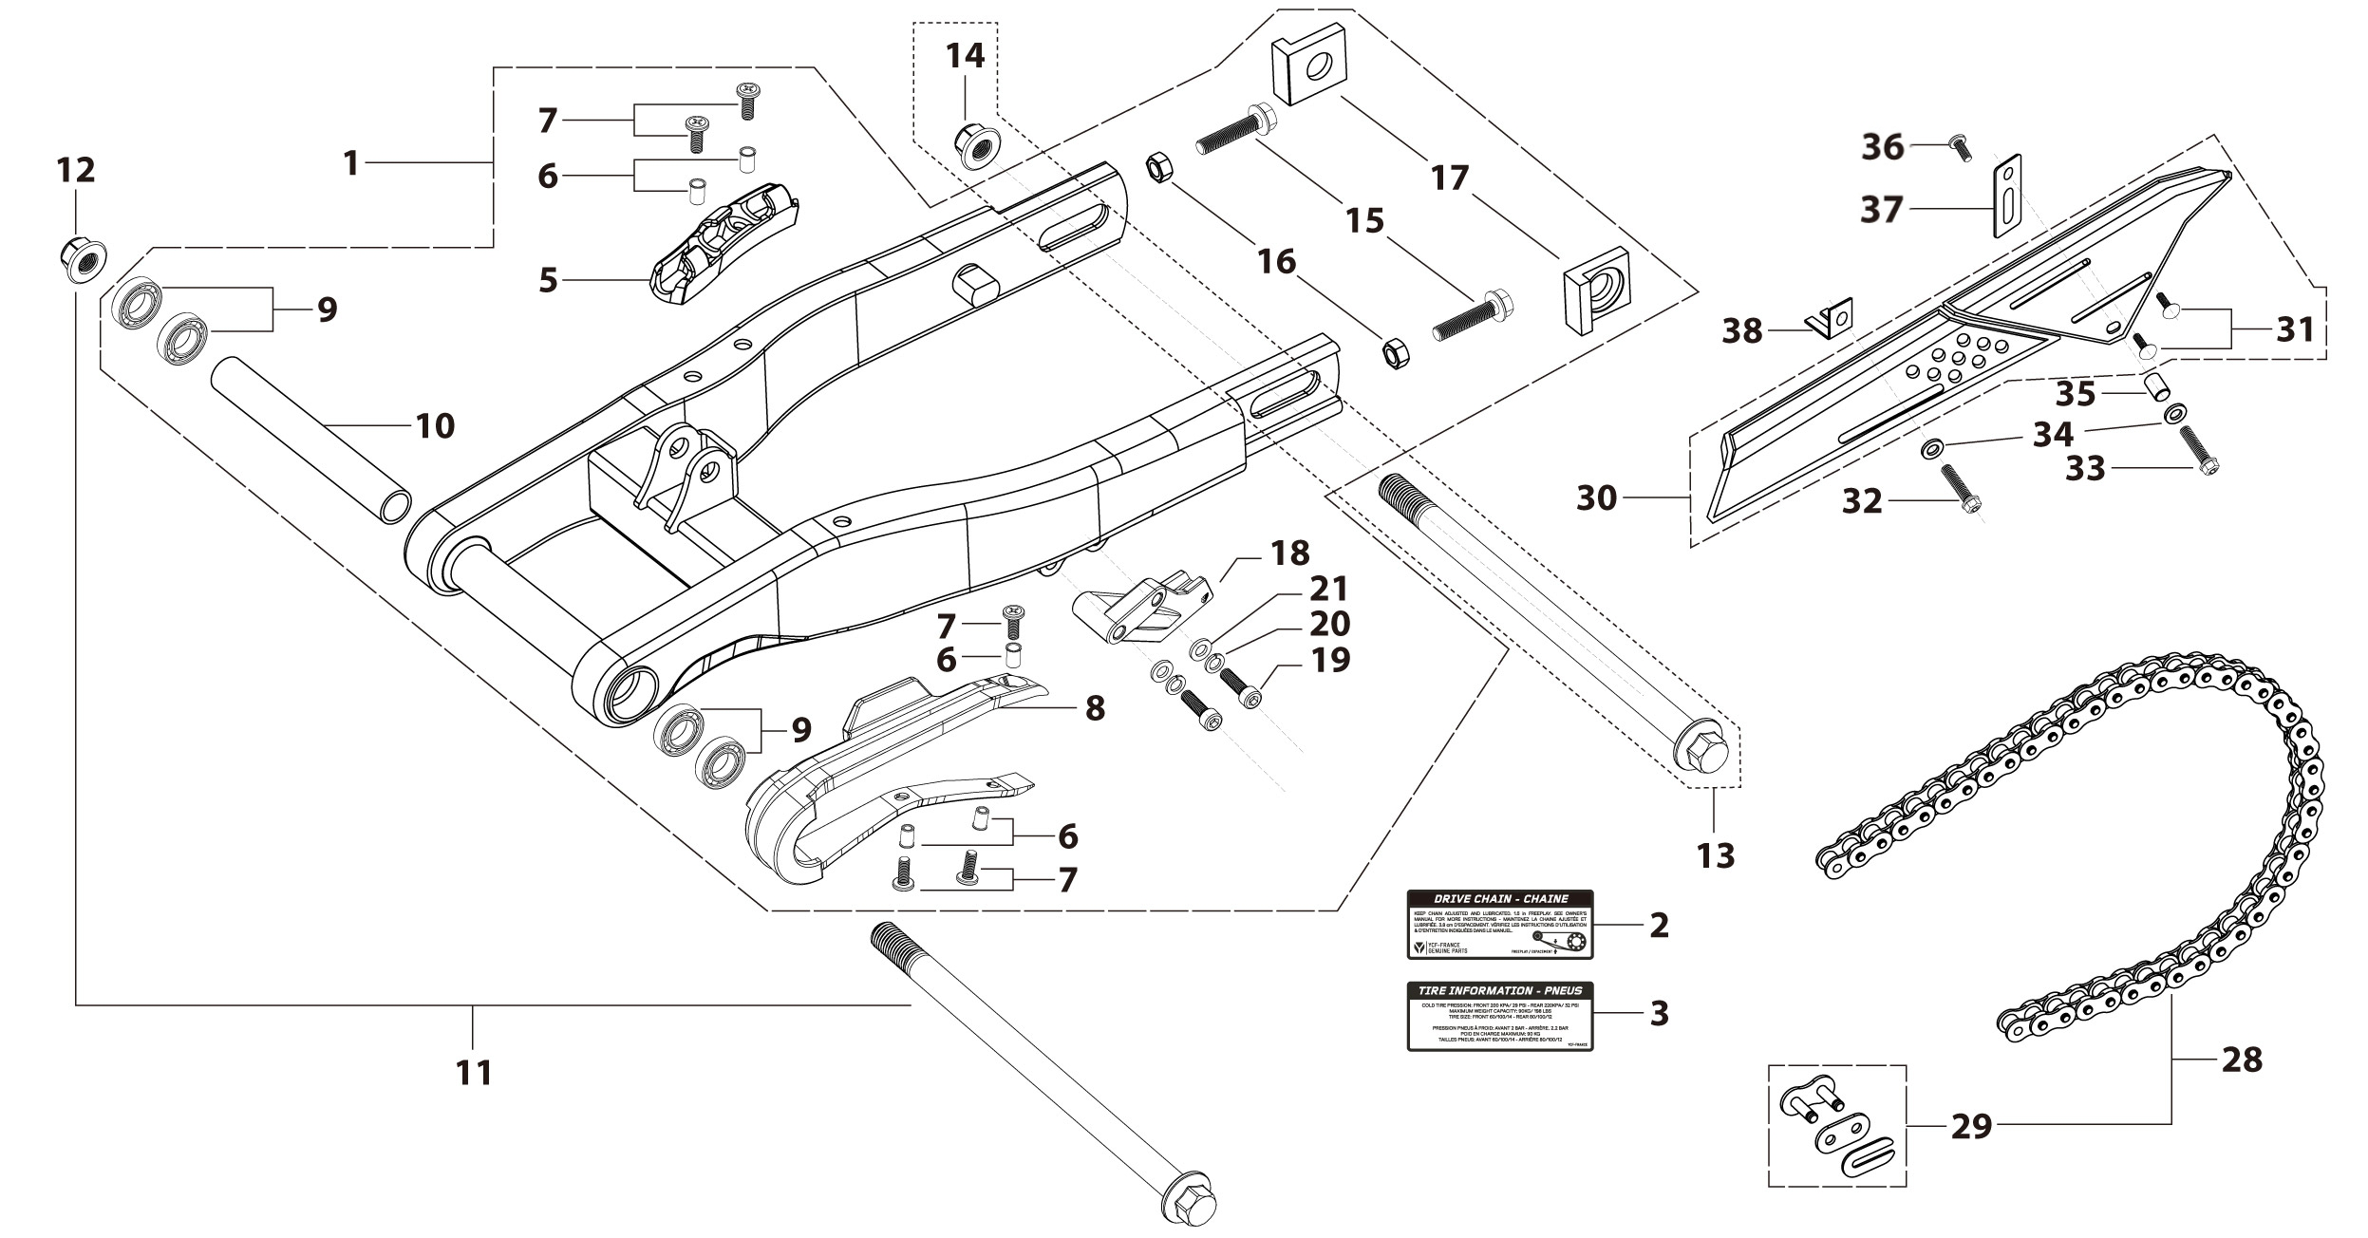
N° | Ref. | Description | Français | Picture | Qty/Bike | Rep. Pst.
1 | YC110-1001-1702 | Mono swing arm L=420mm Steel 2025 Black d15 mm with front part weld FOR 310 mm SHOCK ABSORBER Black | Bras oscillant acier mono Acier L=420mm 2025 d15mm |  | 1
5 | YC110-10-015-BK | Rear brake hose guide 2020 Black | Passe durite de frein arriere sur bras oscillant 2020 Noir |  | 1
7 | DIN7985-M6x16 | Screw M6x16mm inox | Vis M6x16mm inox |  | 5
8 | YC110-10-025 | Chain slider for Steel / Alum swing arm PU PILOT/SP/BIGY/SUNDAY/MINI GP and START/SM125/W88E (360/390 mm) | Patin chaine pour bras Acier / Alu 420/460 mm PU PILOT/SP/BIGY/SUNDAY/MINI GP et START/SM125/W88E (360/390 mm) |  | 1
9 | 6902-NTN | Swing arm ball bearing 6902NTN d15mmxd28mmx7mm | Roulement bras oscillent NTN 6902 d15mmxd28mmx7mm |  | 4
10 | YC110-1007-10 | Central spacer swing arm Aluminium BIGY/PILOT/SM d16mmxd20mmx149mm | Entretoise centrale de bras oscillent BIGY/PILOT/SM d16mmxd20mmx149mm |  | 1
11 | YC110-1009-01 | Swing arm shaft with self lock nut M14 L=240mm d15 | axe bras oscillant d15 avec ecrou M14 L=240mm |  | 1
12 | GB6187-M14-W | HEXAGON FLAT FLANGE LOCK NUT M14 steel | Ecrou HEXAGONAL avec Flange autobloquant M14 acier |  | 1
13 | YC110-11-074-M8 | Rear wheel axle L=215mm with Self locking nut M14, with M8 hole | axe roue arriere avec ecrou L=215mm avec ecrou M14, avec M8 trou |  | 1
...
N° | Ref. | Description | Français | Picture | Qty/Bike | Rep. Pst.
29 | AR-420 | Chain link H=17mm | Attache rapide chaine H=17mm |  | 1
30 | YC110-1028-02 | Chain box protection | Protection chaine plastique |  | 1
31 | SC17-M8x20-B | Rivet Plastic Black M8x20mm for Chain box protection | Rivet plastique M8x20 pour fixation de la Protection chaine plastique M8x20mm |  | 2
32 | GB5787-M6x10-W | HEXAGON screw with Flange M6x10mm steel | Vis HEXAGONALE avec Flange M6x10mm acier |  | 1
33 | GB5787-M6x16-W | HEXAGON screw with Flange M6x16mm steel | Vis HEXAGONALE avec Flange M6x16mm acier |  | 1
34 | FB13-7x12x5.5 | Bushing d7mmxd12mmx5.5mm for gearshift tube | Entretoise d7mmxd12mmx5.5mm pour tige de selecteur |  | 1
35 | YC110-0213-0401 | Number plate bracket long TOP 2020 | Support plaque avant 2020 |  | 1
36 | GB818-M6x12-W | Pan / Round head cross machine screw M6x12mm | Vis à tête ronde cruciforme M6x12mm |  | 1
37 | YC110-1029-01 | Chain box protection support pilot | Support Protection chaine plastique pilot |  | 1
Rear Wheel Assy |  |  |  |  |  | AB
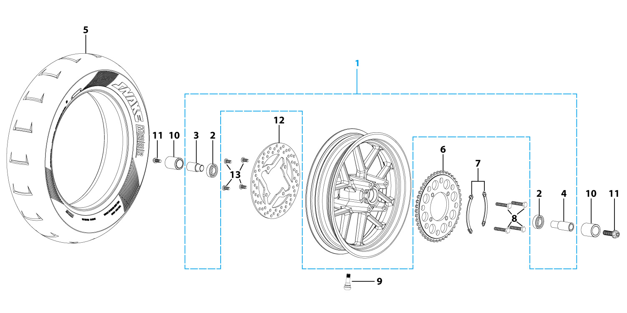
N° | Ref. | Description | Français | Picture | Qty/Bike | Rep. Pst.
1 | YC110-0626-0201-BK | YCF supermoto wheel Rear 2.75x12' 2024 BLACK (without disk and sprocket) with spacers | Roue supermoto 2.75x12' arriere 2024 NOIR YCF (sans disque ni couronne) avec entretoises fixes |  | 1
2 | 6003 | Ball bearing NTN 6003 d35mmxd17mmx10mm | Roulement roue NTN 6003 d35mmxd17mmx10mm |  | 2
3 | YC110-1111-06-GY | Rear wheel spacer right 7075 d15mmxd22mmx30mm with step d15mmxd17mmx15mm MATT GREY | Entretoise roue arriere droite 7075 d15mmxd22mmx30mm avec epaulement d15mmxd17mmx15mm GRIS MAT |  | 1
4 | YC110-1112-06-GY | Rear wheel spacer left 7075 d15mmxd22mmx39mm with step d15mmxd17mmx15mm MATT GREY | Entretoise roue arriere gauche 7075 d15mmxd22mmx39mm avec epaulement d15mmxd17mmx15mm GRIS MAT |  | 1
5 | 120/70-12K702 | KENDA K702 Front tyre 120/70/12' | pneu KENDA K702 120/70/12' |  | 1
6 | YC110-11-06/39 | YCF Driven sprocket 420-39T (4 holes) | couronne acier 420-39T YCF (4 trous) |  | 1
7 | YC110-11-03 | Sprocket Locking piece | block couronne |  | 2
8 | GB5783-M8x25-W | Hexagon Head Bolt with full thread M8x25mm | Vis a tete HEXAGONALE M8x25mm |  | 4
9 | TR413 | Inner tube valve Copper | Vanne à tube interne Cuivre |  | 1
10 | YC110-30-1 | Teflon SM wad SM125/SM150 d=9mm | Tampon teflon pour axe avant / arriere SM125/SM150 d=9mm |  | 2
11 | BT08-M8x25-W | HEXAGON Torx screw with Flange M8x25mm | Vis HEXAGONALE Torx avec Flange M8x25mm |  | 2
12 | YC110-1115-06 | Rear disk d200mm d10.5mm 2020 | disque frein arriere d200mm d10.5mm 2020 |  | 1
16 | GB70.2-M8x25-4 | Pan head hexagon screw M8x25mm（STEP d9.8mmx3.5mm) inox | Vis à tête ronde Allen (BTR) M8x25mm（STEP d9.8mmx3.5mm) inox |  | 4
REAR BRAKE |  |  |  |  |  | AB
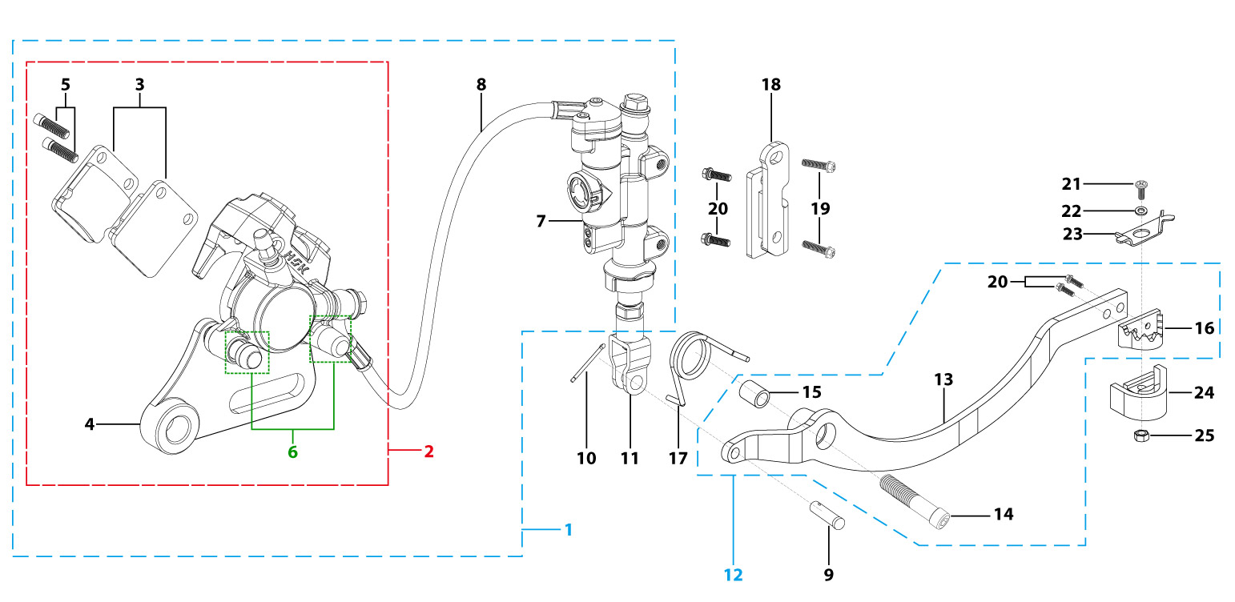
N° | Ref. | Description | Français | Picture | Qty/Bike | Rep. Pst.
1 | YC110-12012-2401 | Rear brake aasy 1 piston W/T asbestos d10mm/d10mm L=465mm 2020 | Kit frein arriere 1 piston avec gaine plastic SANS AMIANTE d10mm/d10mm L=465mm 2020 |  | 1
2 | YC110-1201-0401 | Rear Caliper 1 pistons d10 w/t asbestos 2020 | étrier frein arrière 1 piston d10 sans amiante 2020 |  | 1
3 | YC110-1204 | Friction pad for 1 piston brake asbestos START | Plaquette frein arrière 1 piston AMIANTE START |  | 2
4 | YC110-1201-01 | Rear brake bracket T=6mm | patte fixation étrier frein arriere T=6mm |  | 1
5 | YC110-1255 | caliper screw for front brake L=38mm Army green | vis plaquette frein avant L=38mm |  | 2
6 | YC110-120110 | rubber for rear caliper | jeu de caoutcgouc d'etrier frein arriere |  | 1
7 | YC110-1201024 | Rear reservoir d10mm（with stick L=42.5mm） | maitre cylindre frein arrière avec embout durite d10mm （with stick L=42.5mm） |  | 1
8 | YC110-1201062 | Oil steel tube L=465mm d10mm/d10mm PILOT 2020 Black | Durite frein arrière L=465mm d10mm/d10mm PILOT 2020 Noir |  | 1
9 | GB882-d7x19-W | Pin shaft d7mmx19mm | axe d7mmx19mm |  | 1
...
N° | Ref. | Description | Français | Picture | Qty/Bike | Rep. Pst.
17 | YC110-21-01 | Spring for Steel brake pedal' d3.5mmxd34.5mmx11mm | ressort pour pédale de frein Acier d3.5mmxd34.5mmx11mm |  | 1
18 | YC110-1215-07 | Mount for rear break reservoir "extern" H=23mm | fixation maitre cylindre frein arriere "externe" H=23mm |  | 1
19 | BT08-M6x16-W | HEXAGON Torx screw with Flange M6x16mm | Vis HEXAGONALE Torx avec Flange M6x16mm |  | 2
20 | BT08-M6x12-W | HEXAGON Torx screw with Flange M6x12mm | Vis HEXAGONALE Torx avec Flange M6x12mm |  | 4
21 | GB818-M6x16-W | Pan / Round head cross machine screw M6x16mm | Vis à tête ronde cruciforme M6x16mm |  | 1
22 | GB97-d6-W | Flat washer,steel d6mm | Rondelle plate,acier d6mm |  | 1
23 | YC110-36-01 | rubber fixing steel plate for brake pedal 2020 | plaque support tampon teflon pédale de frein 2020 |  | 1
24 | YC110-3101 | rubber for brake pedal 2020 | Tampon téflon pédale frein 2020 |  | 1
25 | GB6170-M6-W | HEXAGON Nut M6mm steel | Ecrou HEXAGONAL M6mm acier |  | 1
Exhaust system |  |  |  |  |  | AB
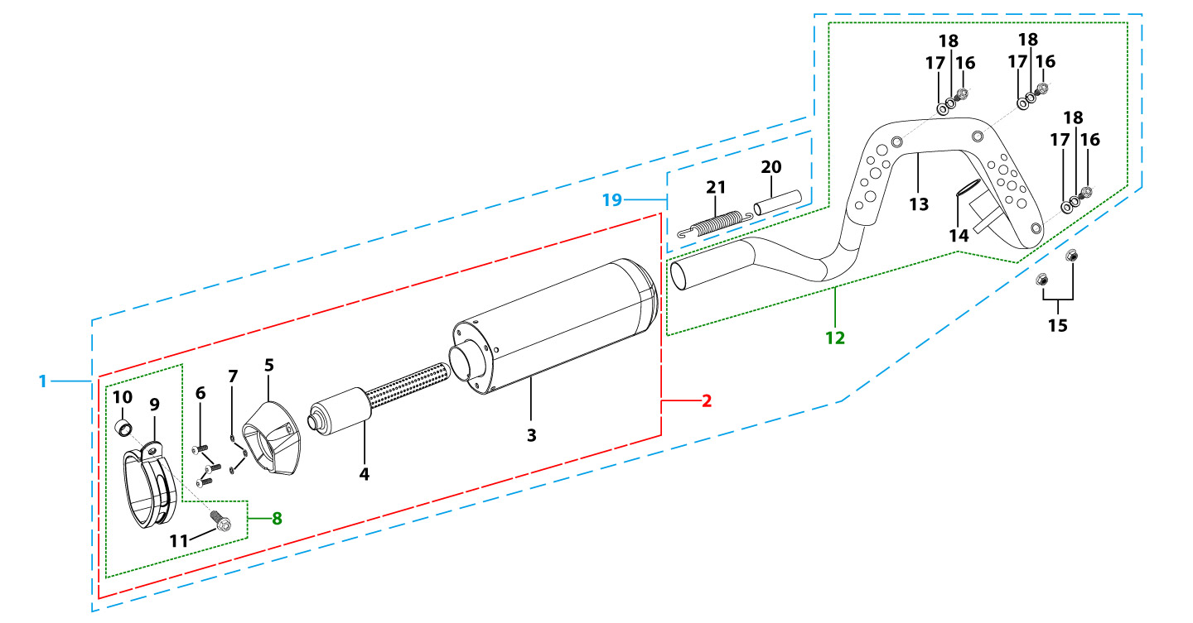
N° | Ref. | Description | Français | Picture | Qty/Bike | Rep. Pst.
1 | YC110-136-02-GY | START Muffler& Exhaust pipe assy YCF 94db (1 spring) 2022 | Echapement complet YCF 94db START (1 ressort) 2022 |  | 1
2 | YC110-13016-GY | YCF Muffler complete 94db START L=295mm (1 springs) GREY | silencieux complet YCF 94db GRIS |  | 1
4 | YC110-13-301 | Noise reducer (spark arrestor) YCF START | Bride de pot YCF START |  | 1
5 | YC110-13-32 | Muffler end cap YCF | Embout silencieux YCF |  | 1
6 | GB70.2-M5x16 | Pan head hexagon screw inox M5x16mm | Vis à tête ronde Allen (BTR) inox M5x16mm |  | 3
7 | GB93-d5 | Spring Lock Washers d5mm inox | Rondelle a ressort d5mm inox |  | 3
8 | YC110-13-06 | Hoop for muffler complete YCF START 2020 (with rubber) | Attache silencieux complet YCF START 2020 (avec caoutchouc) |  | 1
10 | FB13-10x14x23-W | Muffler Hoop spacer d10mmxd14mmx23mm | Entretoise attache silencieux d10mmxd14mmx23mm |  | 1
11 | BT08-M8x40-B-W | HEXAGON Torx screw with Flange M8x40mm half thread | Vis HEXAGONALE Torx avec Flange M8x40mm VIS FILETAGE PARTIEL |  | 1
12 | YC110-1302-37 | Exhaust pipe with protection plate d28 mm PILOT 2022 End length L=120mm 1 fixation | collecteur avec plaque d28 mm PILOT 2022 embout long 120mm 1 fixation |  | 1
13 | YC110-1312-09 | Protection for exaust pipe PILOT/SM155/BIGY 2022 | Grille pot PILOT/SM155/BIGY 2022 |  | 1
14 | 18291/152FMH | Exhaust pipe washer d33mmxd24.5mmx5mm | joint pot d33mmxd24.5mmx5mm |  | 1
15 | GB6187-M6-W | HEXAGON FLAT FLANGE LOCK NUT M6 | Ecrou HEXAGONAL avec Flange autobloquant M6 |  | 2
16 | BT08-M6x10-W | HEXAGON Torx screw with Flange M6x10mm | Vis HEXAGONALE Torx avec Flange M6x10mm |  | 3
17 | GB97-d6-W | Flat washer,steel d6mm | Rondelle plate,acier d6mm |  | 3
18 | GB93-d6 | Spring Lock Washers d6mm inox | Rondelle a ressort d6mm inox |  | 3
19 | YC110-13-21 | Muffler spring L=50mm with rubber L=75mm | Ressort pot L=50mm avec le caoutchouc pour silencieux L=75mm |  | 1
Seat & Plastic kit |  |  |  |  |  | AB
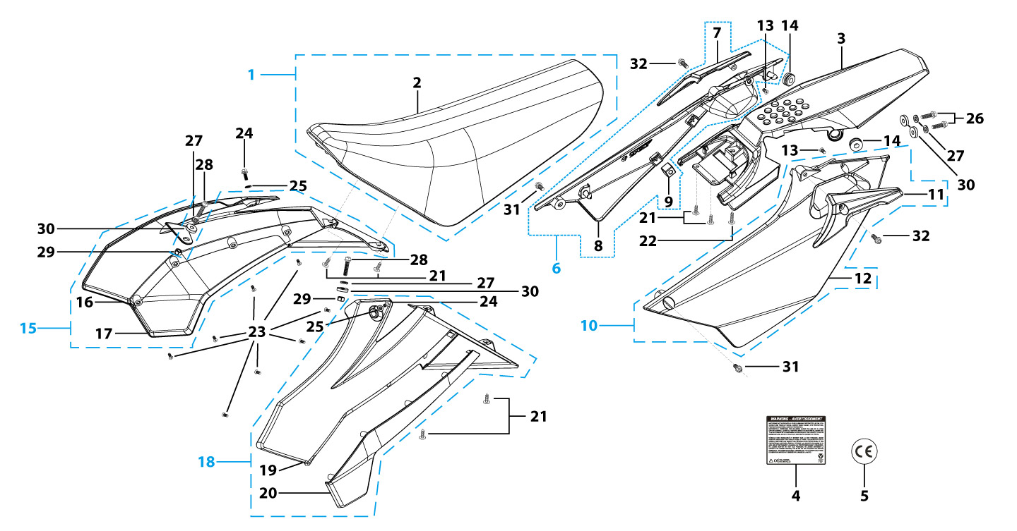
N° | Ref. | Description | Français | Picture | Qty/Bike | Rep. Pst.
1 | YC110-1401-17 | YCF Seat assy L=510mm | Sells SP L=510mm |  | 1
2 | YC110-1414-02 | YCF SP seat cover | Housse selle YCF SP |  | 1
3 | YC110-14-018-WH | YCF Rear fender 2016 WHITE with YC110-1404-01 2EA | Garde boue arrière YCF 2016 avec Picots BLANC |  | 1
6 | YC110-14-028-WH | YCF right side plastic assy 2025 WHITE | Plaque latérale droite YCF 2025 BLANC |  | 1
7 | YC110-1428-01-BK | Handrail of right side plastic 2016 Black | Poignee droite plaques laterales FACTORY 2016 Noir |  | 1
9 | YC110-14-03 | Cushion for right side plastic Black | caoutchouc plaque laterale droite Noir |  | 1
10 | YC110-14-048-WH | YCF left side plastic assy 2025 WHITE | Plaque laterale gauche YCF 2025 BLANC |  | 1
11 | YC110-1429-01-BK | Handrail of left side plastic 2016 Black | Poignee gauche plaques laterales FACTORY 2016 Noir |  | 1
13 | GB819-M5x10-W | Countersunk cross head machine screw,steel, M5x10mm | Vis à tête fraisée plate cruciforme,acier, M5x10mm |  | 2
...
N° | Ref. | Description | Français | Picture | Qty/Bike | Rep. Pst.
24 | FB5787-M5x12-W | hex.Bolt with flanged M5x12mm | Vis M5x12mm |  | 2
25 | GB96-d6-W | Flat washer,steel d6mm | Rondelle plate,acier d6mm |  | 4
26 | BT08-M6x20-W | HEXAGON Torx screw with Flange M6x20mm | Vis HEXAGONALE Torx avec Flange M6x20mm |  | 2
27 | GB96-d6-W | Flat washer,steel d6mm | Rondelle plate,acier d6mm |  | 4
28 | BT08-M6x25-W | HEXAGON Torx screw with Flange M6x25mm | Vis HEXAGONALE Torx avec Flange M6x25mm |  | 2
29 | GB6177-M6-W | HEXAGON FLAT FLANGE NUT M6 steel | Ecrou HEXAGONAL avec Flange M6 acier |  | 2
30 | YC110-03-01 | Rubber washer d6mmxd18mmx4mm for seat fixation on subframe | joint caoutchouc d6mmxd18mmx4mm pour fixation selie sur boucle acier |  | 4
31 | BT08-M6x16-W | HEXAGON Torx screw with Flange M6x16mm | Vis HEXAGONALE Torx avec Flange M6x16mm |  | 2
32 | BT08-M6x12-W | HEXAGON Torx screw with Flange M6x12mm | Vis HEXAGONALE Torx avec Flange M6x12mm |  | 2
ELECTRIC |  |  |  |  |  | AB
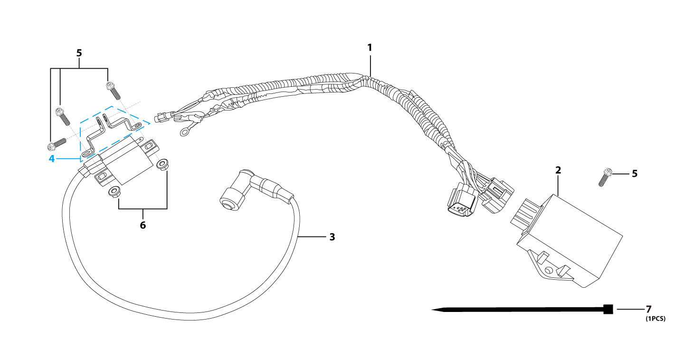
N° | Ref. | Description | Français | Picture | Qty/Bike | Rep. Pst.
1 | YC110-1501-01 | Wire harness ZONGSHEN L=500mm | FAISCEAUx ELECTRIQUE ZONGSHEN L=500mm |  | 1
2 | 100204339 | C.dI W125-G | CDI W125-G |  | 1
3 | 81100-I008-000050 | IGNITION COIL MG03B L=500 | Bobine d'allumage MG03B L=500 |  | 1
5 | BT08-M6x16-W | HEXAGON Torx screw with Flange M6x16mm | Vis HEXAGONALE Torx avec Flange M6x16mm |  | 4
6 | GB6187-M6-W | HEXAGON FLAT FLANGE LOCK NUT M6 | Ecrou HEXAGONAL avec Flange autobloquant M6 |  | 2
7 | YC110-01-05-BK | Cable tie,nylon, L=350mm Black | colier maintien cable,nylon, L=350mm Noir |  | 1
Frame |  |  |  |  |  | AB
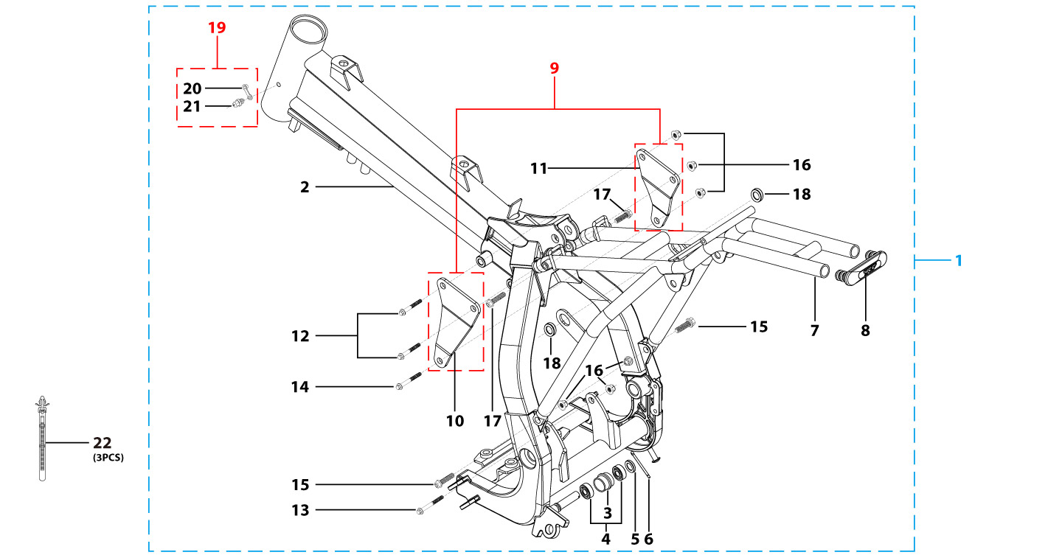
N° | Ref. | Description | Français | Picture | Qty/Bike | Rep. Pst.
1 | YC110-1621-0301-BK | complète frame PILOT F150 / SM F150 Black/ Black pads 2020 | cadre complet PILOT F150 / SM F150 Noir/ Pattes Noires 2020 |  | 1
2 | YC110-1601-0501-BK | PILOT F150 / SM150 Chromoly steel frame (for fork 735mm) 2020 Black swing arm axle 15 mm | Cadre acier chromoly PILOT F150 / SM150 (pour fourche 735mm) 2020 Noir axe bras d15 mm |  | 1
3 | YC110-2201-02 | YCF Chain tensioner component Nylon 2020 | Roulette chaine YCF 2020 Nylon |  | 1
5 | GB97-d10-W | Flat washer,steel d10mm | Rondelle plate,acier d10mm |  | 1
6 | GB91-d2x25-W | Split pin d2.0mmx25mm | Goupille d2.0mmx25mm |  | 1
7 | YC110-1614-26-BK | STEEL SUBFRAME part PILOT/SM150 2020 Black | Boucle arriere de cadre ACIER PILOT/SM150 2020 Noir |  | 1
8 | YC110-1633-0101 | Rubber plug for SUBFRAME part BIGY | Embout Caoutchouc YCF boucle arriere BIGY |  | 1
9 | YC110-1622-02-BK | set of engine pads PILOT 150 /SM150 2014 Black | jeu de patte de cadre PILOT 150/ SM150 2014 NoirE |  | 1
10 | YC110-1615-02-BK | frame engine pads left PILOT /SM150 Black | patte de cadre gauche PILOT /SM150Noir |  | 1
...

